Sheet1
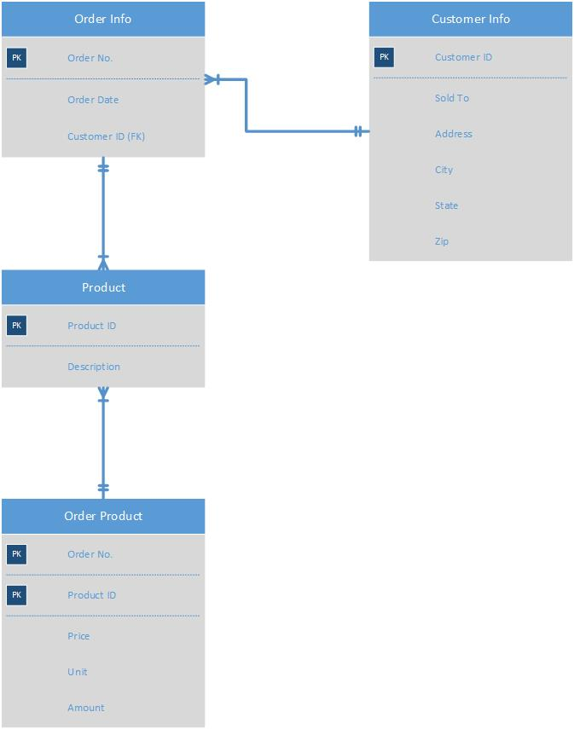
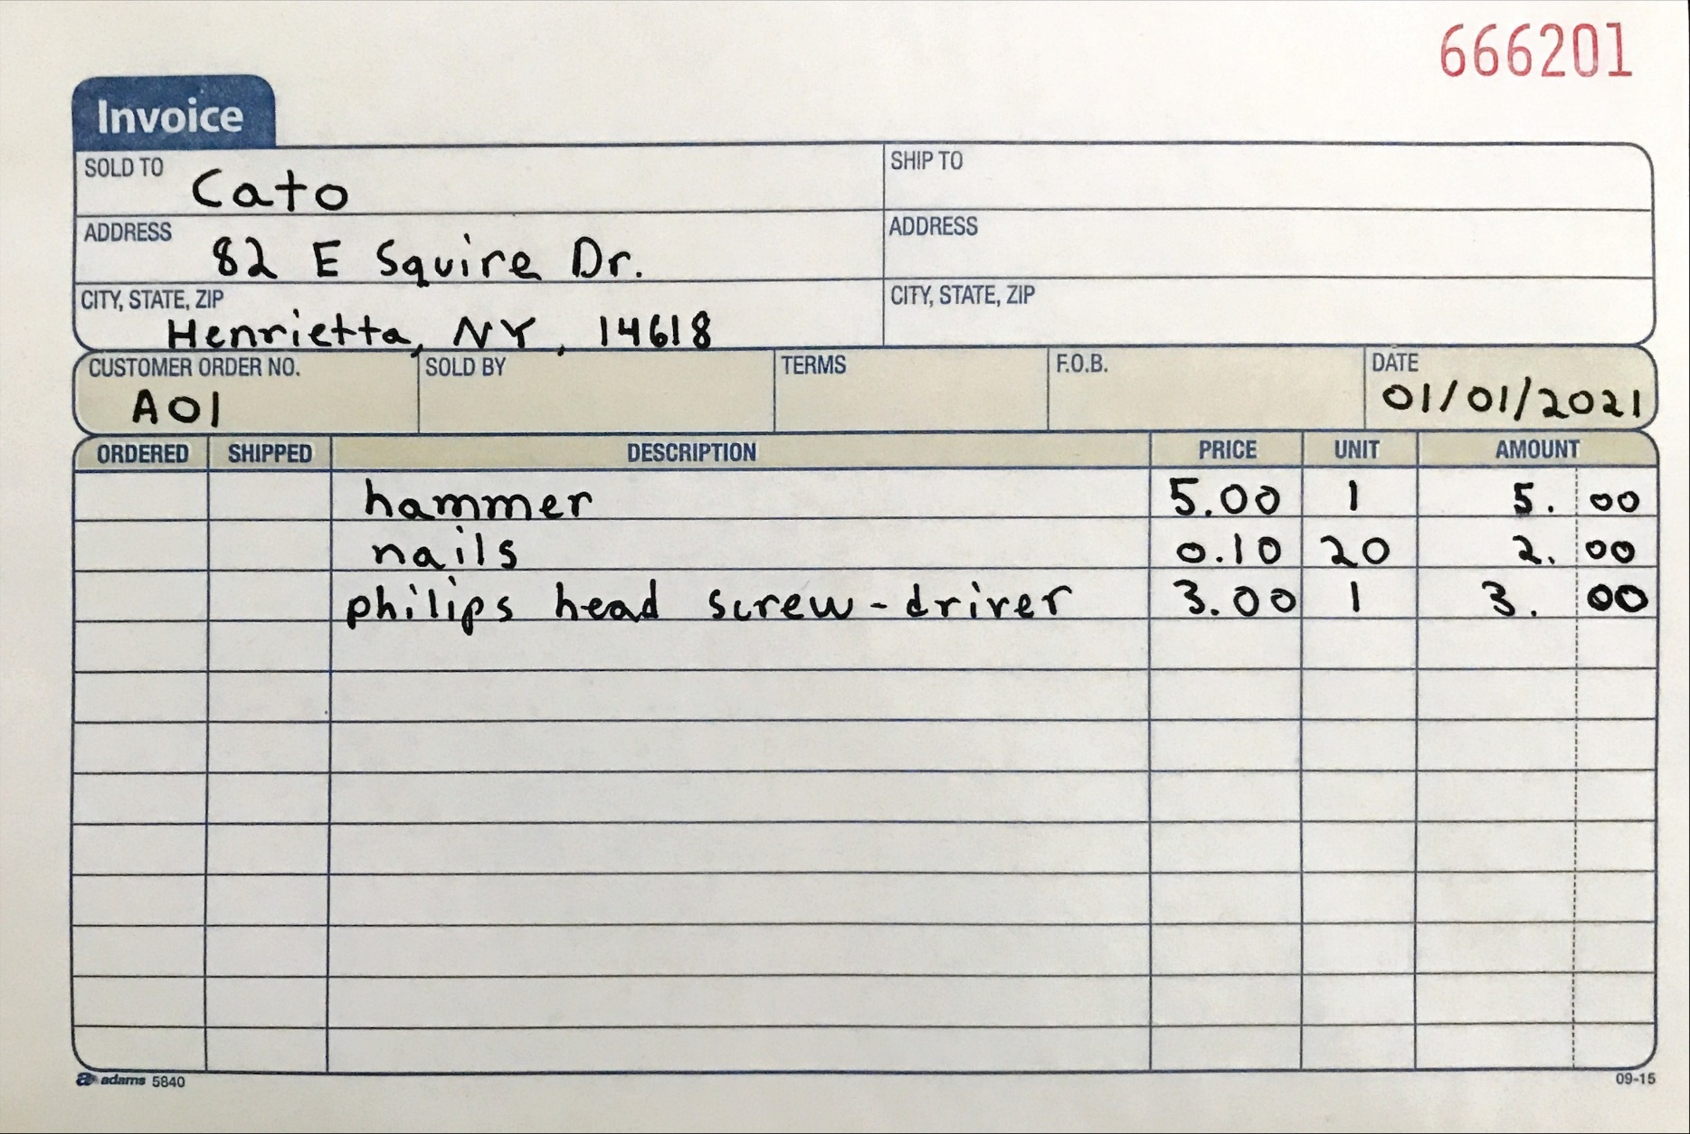
 |  |  |  |  |  |  |  | Zuber
 |  |  |  |  |  |  |  | Najam

0NF
Order No. | Order Date | Sold To | Address | City | State | Zip | Description | Price | Unit | Amount
A01 | 1/1/2021 | Cato | 82 E Squire Dr | Henrietta | NY | 14618 | hammer, nails, phillip head screw driver | 5.00, 0.10, 3.00 | 1, 20, 1 | 5.00, 2.00, 3.00

1NF
Order No. | Order Date | Sold To | Address | City | State | Zip | Description | Price | Unit | Amount
A01 | 1/1/2021 | Cato | 82 E Squire Dr | Henrietta | NY | 14618 | hammer | 5.00 | 1 | 5.00
A01 | 1/1/2021 | Cato | 82 E Squire Dr | Henrietta | NY | 14618 | nails | 0.10 | 20 | 2.00
A01 | 1/1/2021 | Cato | 82 E Squire Dr | Henrietta | NY | 14618 | phillip head screw driver | 3.00 | 1 | 3.00
Composite Key = Order No. and Description

2NF | Order Info Table
Order No. (PK) | Order Date | Sold To | Address | City | State | Zip
A01 | 1/1/2021 | Cato | 82 E Squire Dr | Henrietta | NY | 14618

Order Product Table
Order No. (PK) | Product ID (PK) | Price | Unit | Amount
A01 | H001 | 5.00 | 1 | 5.00
A01 | N001 | 0.10 | 20 | 2.00
A01 | P001 | 3.00 | 1 | 3.00
Composite Key = Order No. and Product ID

Product Table
Product ID (PK) | Description
H001 | hammer
N001 | nails
P001 | phillip head screw driver

3NF | Order Info Table
Order No. (PK) | Order Date | Customer ID (FK)
A01 | 1/1/2021 | CA01

Customer Info Table
Customer ID (PK) | Sold To | Address | City | State | Zip
CA01 | Cato | 82 E Squire Dr | Henrietta | NY | 14618

Product Table
Product ID (PK) | Description
H001 | hammer
N001 | nails
P001 | phillip head screw driver

Order Product Table
Order No. (PK) | Product ID (PK) | Price | Unit | Amount
A01 | H001 | 5.00 | 1 | 5.00
A01 | N001 | 0.10 | 20 | 2.00
A01 | P001 | 3.00 | 1 | 3.00
Composite Key = Order No. and Product ID

