Fig_1
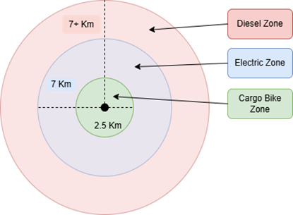

Fig_2
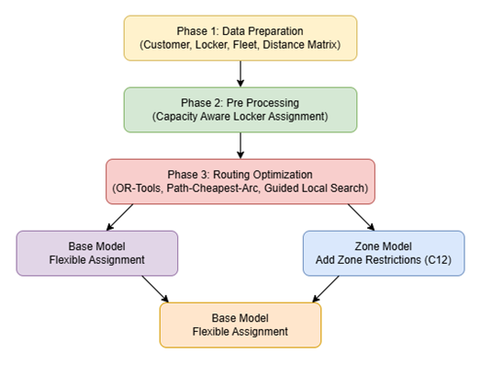

Fig_3
Figure 3 Total CO2 emissions by fleet composition (Base model, 50% adoption)

100-customer instance |  | 500-customer instance
Fleet | Total CO2 (g) | Fleet | Total CO2 (g)
Bike + Electric | 1991.8 | Bike + Electric | 11765.9
Mixed | 2548.8 | Electric | 13378
Electric | 5433.5 | Mixed | 17686.6
Diesel | 20265.4 | Diesel | 48771

100-Customer Instance
500-Customer Instance

Fig_4
Figure 4 Distance versus CO2 emissions by fleet (Base model, 50% adoption)

500-customer instance |  |  | 100-customer instance
Fleet | Distance (km) | Total CO2 (g) | Fleet | Distance (km) | Total CO2 (g)
Bike + Electric | 223.31 | 11765.9 | Bike + Electric | 86.19 | 1991.8
Electric | 180.78 | 13378 | Electric | 73.43 | 5433.5
Mixed | 227.8 | 17686.6 | Mixed | 80.79 | 2548.8
Diesel | 176.71 | 48771 | Diesel | 73.43 | 20265.4

100-Customer Instance
500-Customer Instance

Fig_5
Figure 5 Total CO2 emissions versus locker adoption (Base model, Mixed fleet)

 | 100-customer | 500-customer
Adoption | Total CO₂ (g) | Total CO₂ (g) | 100 Effective | 500 Effective
0% | 3135.7 | 26471.4 | 0% | 0%
50% | 2548.8 | 17686.6 | 48% | 28%
100% | 2410.3 | 8460.8 | 96% | 57%

100-Customer Instance
500-Customer Instance

Fig_6
Figure 6 Fleet efficiency versus locker adoption (500-customer, Base, Mixed)

Adoption | Vehicles used | Utilization (%)
0% | 9 | 59
50% | 7 | 74
100% | 6 | 85

Fleet efficiency vs Locker adoption

Fig_7
Figure 7 Base versus Zone model emissions across locker adoption (Mixed fleet)

100-customer instance |  |  | 500-customer instance
Adoption | Base | Zone | Adoption | Base | Zone
0% | 3135.7 | 15088.7 | 0% | 26471.4 | 33811.9
50% | 2548.8 | 14354.6 | 50% | 17686.6 | 29744.3
100% | 2410.3 | 13936.2 | 100% | 8460.8 | 26078.7

100-Customer Instance
500-Customer Instance

Fig_8
Figure 8 Sensitivity of emissions to operational constraints (500, Mixed, 50%)

Base Model
Zone Model
Base model (baseline 17,686.6 g)
Parameter | Low emission | High emission | Base line
Walking distance | 16876.6 | 20390.6 | 17,686.6
Service time | 17686.6 | 24321.4 | 17,686.6
Vehicle capacity | 14817.6 | 19642.4 | 17,686.6
Shift duration | 15861.9 | 23456.6 | 17,686.6

Zone model (baseline 29,744.3 g)
Parameter | Low emission | High emission | Base line
Zone boundaries | 28203.5 | 38263.1 | 29,744.30
Walking distance | 28928 | 33841.5 | 29,744.30
Service time | 29744.3 | 35483.8 | 29,744.30
Vehicle capacity | 29744.3 | 29744.3 | 29,744.30
Shift duration | 29408.6 | 34643 | 29,744.30

Base Model
Zone model

