Carvykti
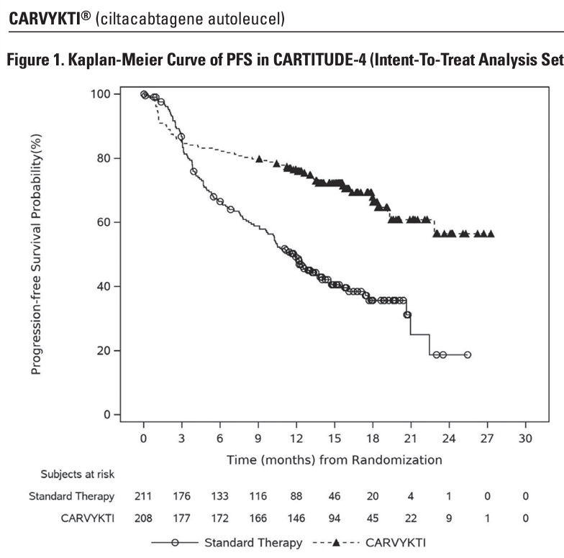
Main
 | Brand | Carvykti
 | Generic | ciltacabtagene autoleucel
 | Indication | 2L+ Multiple Myeloma
 |  | MM has a 32,258 incidence in US (13,067 mortality)
 | Competition | Abecma
 | MOA | BCMA CART
 | Regulatory | FDA approval 2/28/2022
 | Administration | Lymphodepletion with cyclophosphamide + fludaribine.
 | Economics | 50-50 in US, 50-50 in Europe, 70-30 in China, 50-50 Japan
 | Pricing | $465,000, but realized price $279,000
 | Clinical Trials

 |  | CARTITUDE-1 - NCT03548207
 |  | CARTITUDE-2 - NCT04133636
 |  | CARTIFAN-1

 |  | CARTITUDE-4 n=409 2L RRMM vs. PVd or DPd - NCT04181827
 |  | PFS HR=0.41, p<0.0001 (>28 months vs. 12 months for standard therapy)
 |  | CR 74% vs. 22.3%
 |  | OS HR=0.55, p<0.0009 (76% vs. 64% at 30 months)
 |  | 89% MRD-negative CR vs. 38% for standard therapies.

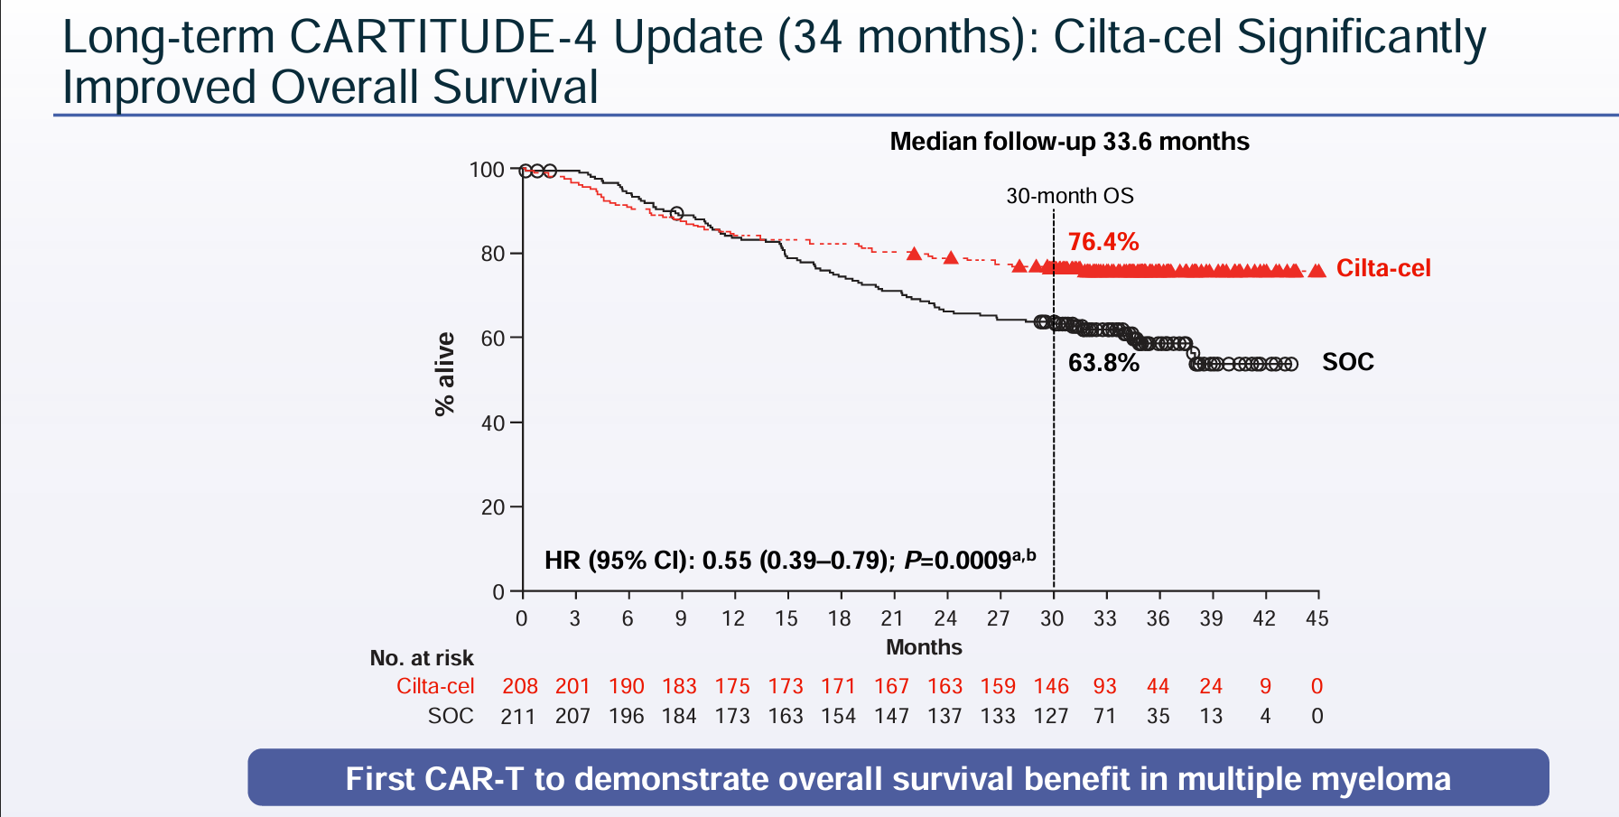
 |  | CARTITUDE-5 - NCT04923893

 |  | CARTITUDE-6 - NCT05257083

 |  | LEGEND-2 - NCT03090659

icotrokinra
Main
 | Brand | JNJ-2113, fka JNJ-77242113/PN-235
 | Generic | icotrokinra
 | Indication | Psoriasis
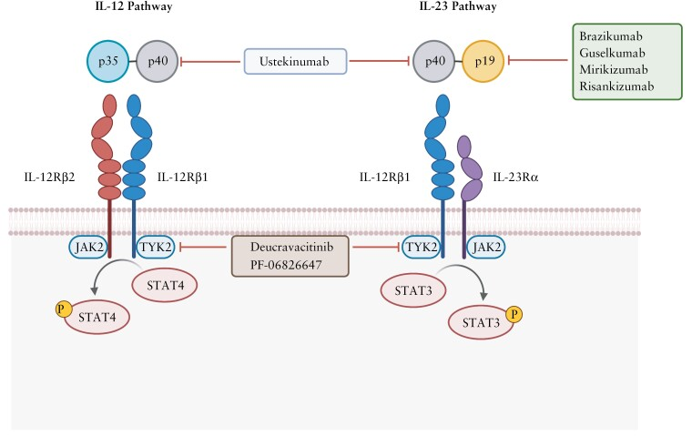
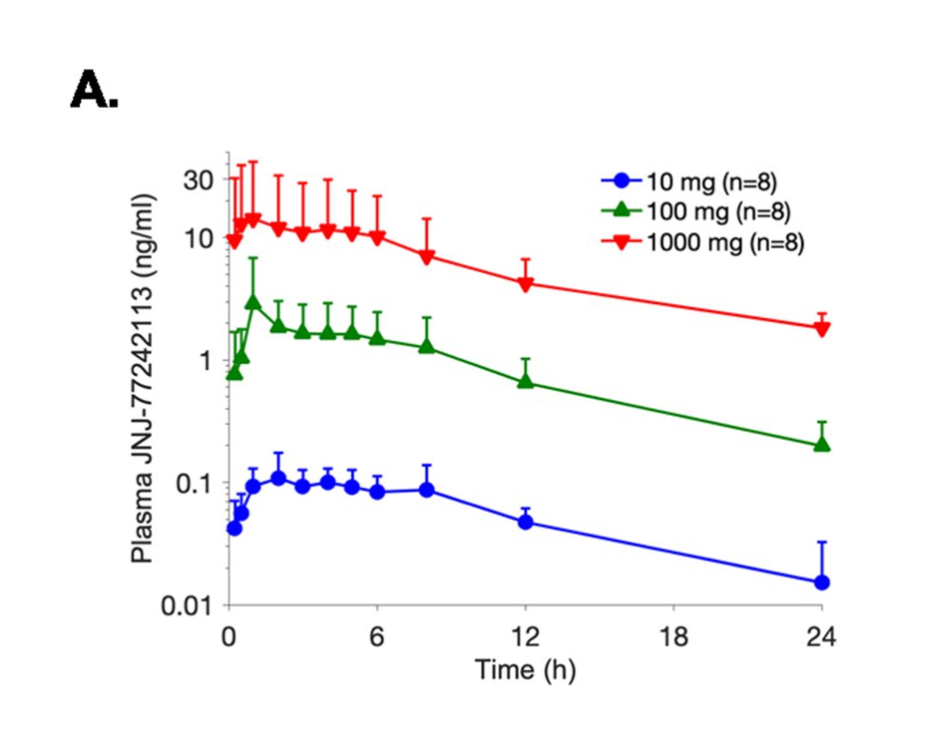
 | Economics | JNJ, double-digit tiered royalties
 | MOA | IL-23 receptor antagonist, 7pm
 | Administration | oral
 | Molecule | Peptidic, 2000 MW
 | Competition | Stelara (p40 IL-12/IL-23 ustekinumab mab) $10.9B 2023
 |  | Tremfya (p19 IL-23 mab guselkumab) $3.1B 2023
 |  | Skyrizi (p19 IL-23 mab risankizumab) $7.8B 2023
 | Papers | JNJ-77242113, a highly potent, selective peptide targeting the IL-23 receptor, provides robust IL-23 pathway inhibition upon oral dosing in rats and humans
 |  | https://pubmed.ncbi.nlm.nih.gov/27881076/
 | PK | 9-16 hour T1/2
 | Clinical Trials
 |  | Phase IIb "FRONTIER 1" - NCT05223868 |  | Phase III PHOENIX 12-week | Phase III "ESTEEM" PASI75
 |  | PE: PASI75 | Results 7/4/23 |  | 30mg BID: 33%
 |  | placebo: 9% |  |  | Placebo: 5%
 |  | 25mg qd: 37%
 |  | 25mg bid: 51%
 |  | 50mg qd: 58%
 |  | 100mg qd: 65%
 |  | 100mg bid: 79%

 |  | PE: PASI90
 |  | placebo: 2% |  | placebo: 2%
 |  | 25mg qd: 26%
 |  | 25mg bid: 27%
 |  | 50mg: 51%
 |  | 100mg: 47%
 |  | 100mg bid: 60% |  | 37-42%

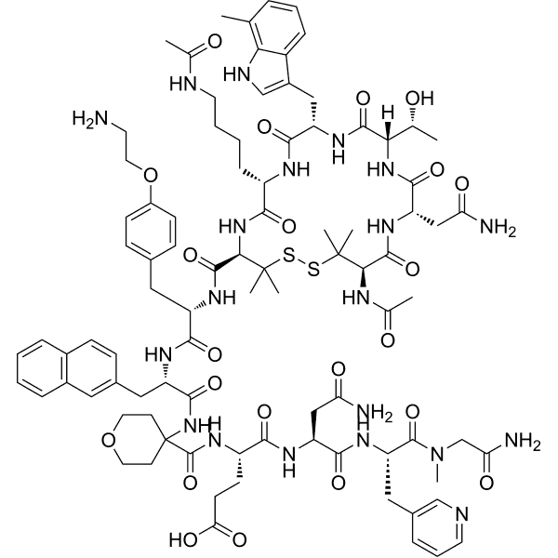
 |  | PE: PASI100
 |  | placebo: 0%
 |  | 25mg qd: 12%
 |  | 25mg bid: 10%
 |  | 50mg: 26%
 |  | 100mg qd: 23%
 |  | 100mg bid: 41%

 |  | Phase III "ICONIC-LEAD" psoriasis - NCT06095115
 |  | 49.6% PASI90 vs. 4.4% for placebo

 |  | Phase III "ICONIC-TOTAL" psoriasis - NCT06095102

 |  | Phase IIb "ANTHEM" UC

 |  | Phase III "ICONIC-ADVANCE 1" psoriasis vs. deucravacitinib? - NCT06143878

 |  | Phase III "ICONIC-ADVANCE 2" psoriasis - NCT06220604

 |  | Phase II "FRONTIER II"

 |  | Phase III "ICONIC-PsA"

Ponvory
Main
 | Brand | Ponvory
 | Generic | ponesimod
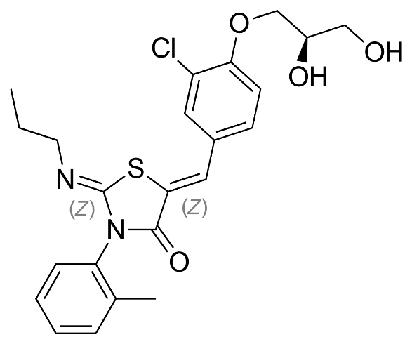
 | Indication | Relapsing Multiple Sclerosis. 2.3m WW, RMS is 85%
 | Economics | Idorsia
 | Clinical Trials
 |  | Phase III "OPTIMUM" n=1133 relapsing multiple sclerosis - ECTRIMS 2019
 |  | 20mg ponesimod vs. 14mg teriflunomide
 |  | ARR primary endpoint at week 108
 |  | ARR

