Porteros
Season | Neuer_PSxG+/- | Neuer_PSxG+/-/90 | Neuer_Min | Szczesny_PSxG+/- | Szczesny_PSxG+/-/90 | Szczesny_Min | Neuer_Pts_added | Neuer_Pts_added/90 | Szczesny_Pts_added | Szczesny_Pts_added/90
2019‑20 | 4.6 | 0.14 | 2970 | 4.1 | 0.14 | 2591 | 3.22 | 0.098 | 2.87 | 0.098
2020‑21 | 2.2 | 0.07 | 2970 | -0.2 | -0.01 | 2677 | 1.54 | 0.049 | -0.14 | -0.007
2021‑22 | -2.01 | -0.07 | 2350 | 1.6 | 0.05 | 2970 | -1.407 | -0.049 | 1.12 | 0.035
2022‑23 | 3.7 | 0.31 | 2080 | 6.1 | 0.22 | 2472 | 2.59 | 0.217 | 4.27 | 0.154
2023‑24 | -3.9 | -0.17 | 2053 | 0.3 | 0.01 | 1350 | -2.73 | -0.119 | 0.21 | 0.007
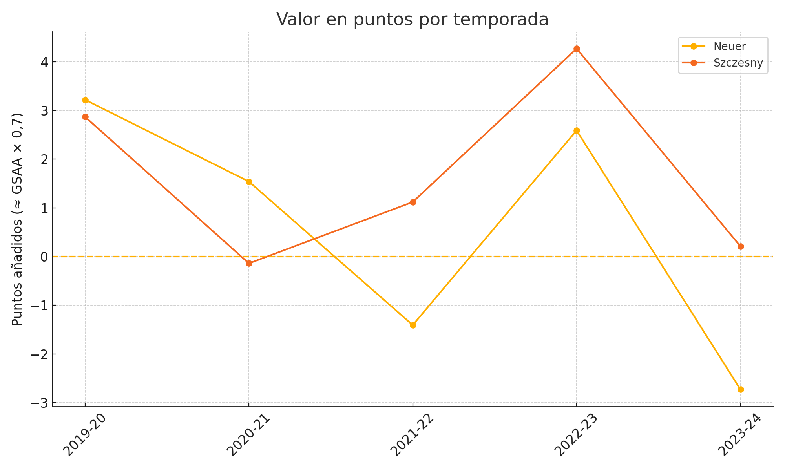

 |  |  |  |  |  |  |  | Player | Total_GSAA | Total_Pts_Added
 |  |  |  |  |  |  |  | Neuer | 4.6 | 3.2
 |  |  |  |  |  |  |  | Szczesny | 12 | 8.3

 |  |  |  |  |  |  |  | Formulas & Interpretation:
 |  |  |  |  |  |  |  | GSAA = PSxG+/-
 |  |  |  |  |  |  |  | Pts added = GSAA × 0.7 (conversión goles → puntos)
 |  |  |  |  |  |  |  | Pts added per 90 = (PSxG+/-/90) × 0.7

 |  |  |  |  |  |  |  | - GSAA positivo: el portero salvó más goles que la media.

