Sheet5
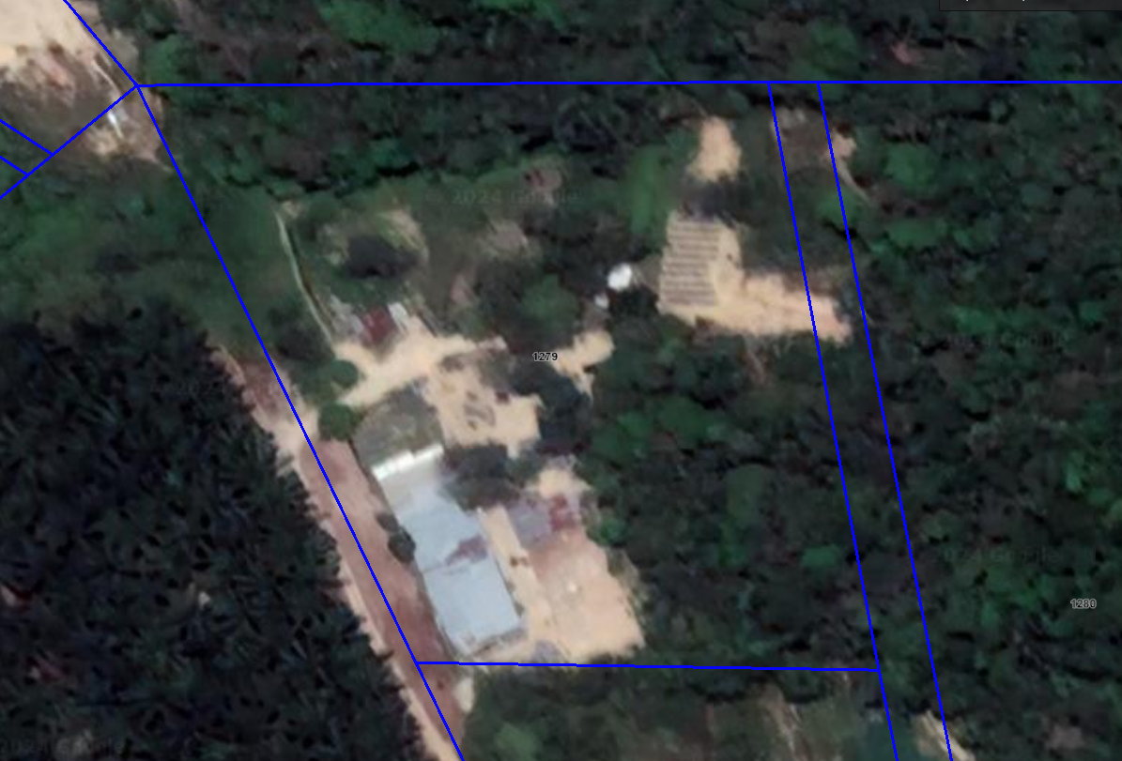

147.35 | 223.90723859
82.82 | 125.85

