Sheet5
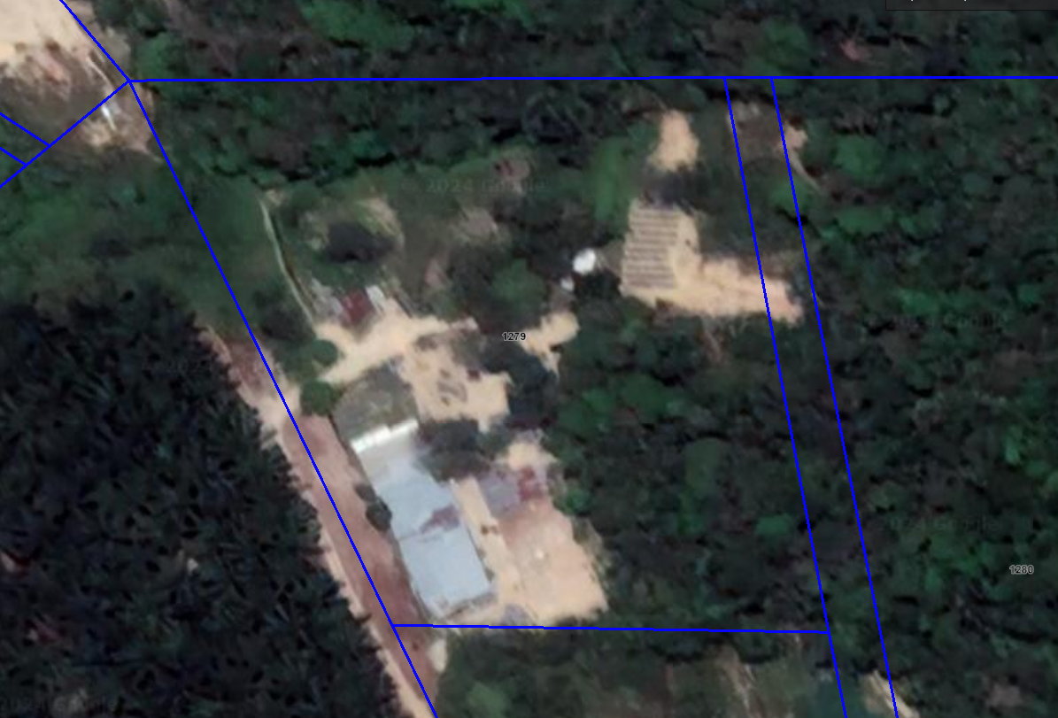

 |  | 147.35 | 223.90723859
 |  | 82.82 | 125.85

292.64 | 22.64
 | 0.39514254265
 | 0.41707916096
50 | 20.853958048

