Digital Nameplate
 | Official IDTA Digital Nameplate Submodel Template Specification |  |  | official document

1. Properties of the Submodel 'Nameplate'
Element Name (idShort) | Obligation | Data Style / Field Type | Description | Universal Semantic ID (Global Key) | Example Value | Actual Value
URIOfTheProduct | Mandatory | AnyUri | unique global identification of the product instance using an universal resource identifier (URI) | 0112/2///61987#ABN590#002 | https://www.domain-abc.com/Model-Nr-1234/Serial-Nr-5678 | https://www.fibrort.com/downloads?product=25
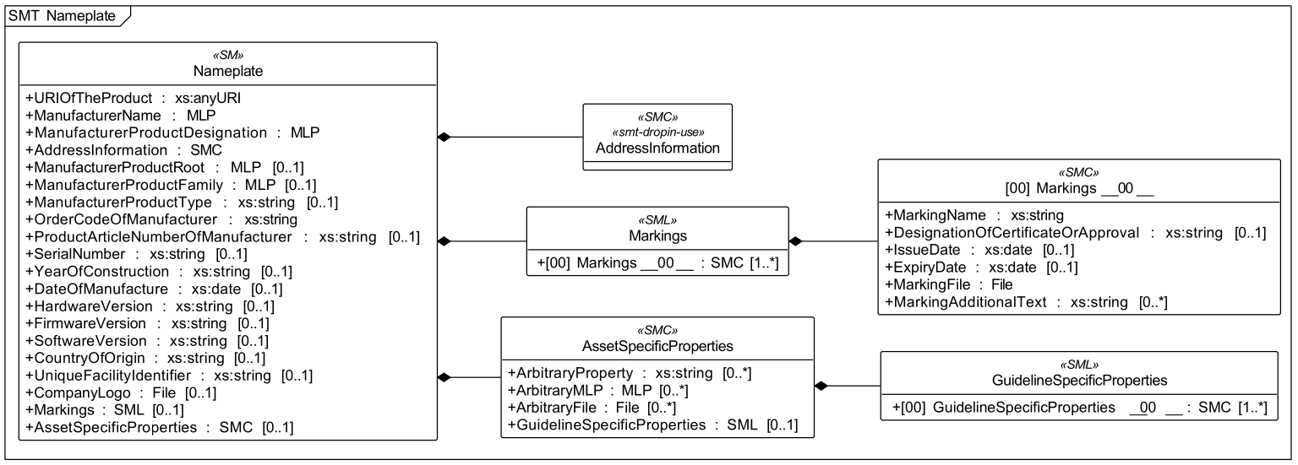
ManufacturerName | Mandatory | MultiLanguage Property | legally valid designation of the natural or judicial person directly responsible for design/production | 0112/2///61987#ABA565#009 | "Muster AG"@de | Fibro Rundtische GmbH@en
ManufacturerProductDesignation | Mandatory | MultiLanguage Property | short description of the product (short text), lowest level of product hierarchy | 0112/2///61987#ABA567#009 | "ABC-123"@en | FIBROTOR ER.15@en
AddressInformation | Mandatory | SubmodelElementCollection | Address information of the asset's manufacturer or of an authorised service provider. | https://admin-shell.io/zvei/nameplate/1/0/ContactInformations/Addressinformation | See Section 1.1 Block Below | Address information entered in rows 31–34.
ManufacturerProductRoot | Optional | MultiLanguage Property | top level of a 3 level manufacturer specific product hierarchy | 0112/2///61360_7#AAS011#001 | "flow meter"@en
ManufacturerProductFamily | Optional | MultiLanguage Property | second level of a 3 level manufacturer specific product hierarchy | 0112/2///61987#ABP464#002 | "Type ABC"@en
ManufacturerProductType | Optional | String (Text) | characteristic to differentiate between different products of a product family or special variants | 0112/2///61987#ABA300#008 | FM-ABC-1234
OrderCodeOfManufacturer | Mandatory | String (Text) | unique combination of numbers and letters issued by the manufacturer used to identify the device for ordering | 0112/2///61987#ABA950#008 | FMABC1234 | ER.15.0410.1.142.04.0.0.1
ProductArticleNumberOfManufacturer | Optional | String (Text) | unique product identifier of the manufacturer | 0112/2///61987#ABA581#007 | FM11-ABC22-123456 | 4-815-911-0483
SerialNumber | Optional | String (Text) | unique combination of numbers and letters used to identify the device once manufactured | 0112/2///61987#ABA951#009 | 12345678 | 0024005004-010-01
YearOfConstruction | Optional | String (Text) | year in which the manufacturing process is completed | 0112/2///61987#ABP000#002 | 2022 | 2026
DateOfManufacture | Optional | Date | date when an item was manufactured | 0112/2///61987#ABB757#007 | 2022-01-01 | 46069
HardwareVersion | Optional | String (Text) | version of the hardware supplied with the device | 0112/2///61987#ABA926#008 | 1.0.0 | n/a for mechanical rotary indexing table / to be confirmed if applicable
FirmwareVersion | Optional | String (Text) | version of the firmware supplied with the device | 0112/2///61987#ABA302#006 | 1.0.0 | n/a / drive firmware version to be documented separately if applicable
SoftwareVersion | Optional | String (Text) | version of the software used by the device | 0112/2///61987#ABA601#008 | 1.0.0 | n/a / controller or inverter software version to be documented separately if applicable
CountryOfOrigin | Optional | String (Text) | country where product was manufactured (DIN EN ISO 3166-1 alpha-2 codes) | 0112/2///61987#ABP462#001 | DE | DE
UniqueFacilityIdentifier | Optional | String (Text) | unique string identifying locations/buildings involved in product's value chain | https://admin-shell.io/idta/nameplate/3/0/UniqueFacilityIdentifier | 987654321 | weinsberg
CompanyLogo | Optional | File | a graphic mark used to represent a company, an organisation or a product | 0112/2///61987#ABP463#001 | logo.png
Markings | Optional | SubmodelElementList | Multiple Markings information provided analogue to physical markings. | 0112/2///61360_7#AAS006#001 | See Section 1.2 Block Below
AssetSpecificProperties | Optional | SubmodelElementCollection | Custom parameters which hold asset specific configuration info. | 0173-1#02-ABI218#003/0173-1#01-AGZ672#004 | See Section 1.3 Block Below

1.1 Mandatory information for address information (SMC: AddressInformation)
Element Name (idShort) | Obligation | Data Style / Field Type | Description | Universal Semantic ID (Global Key) | Example Value | Actual Value
Street | Mandatory | MultiLanguage Property | Street name and house number of the physical factory address. | 0173-1#02-AA0128#002 | Musterstraße 1@de | Weidachstraße 41-43@de
Zipcode | Mandatory | MultiLanguage Property | ZIP code / postal code of the physical address location. | 0173-1#02-AA0129#002 | 12345@de | 74189@de
CityTown | Mandatory | MultiLanguage Property | City or town name of the enterprise headquarters. | 0173-1#02-AA0132#002 | Musterstadt@de | Weinsberg@de
NationalCode | Mandatory | MultiLanguage Property | National country code tracking geopolitical jurisdiction. | 0173-1#02-AA0134#002 | DE@de | DE@de

1.2 Properties of the SML 'Markings'
Element Name (idShort) | Obligation | Data Style / Field Type | Description | Universal Semantic ID (Global Key) | Example Value | Actual Value
Markings__00__ | Mandatory (1..*) | SubmodelElementCollection | Single marking tracking array wrapper. CE mark is mandatory under EU Blue Guide context. | 0112/2///61360_7#AAS009#001 | Collection Instance Loop | No CE mark required as we are component mfg. And not complete system provider
MarkingName | Mandatory | String (Text) | Common name of marking (e.g. 'CE', 'WEEE'). Recommended to match dictionary enumeration. | 0112/2///61987#ABA231#009 | 0173-1#07-DAA603#004 | No CE mark required as we are component mfg. And not complete system provider
DesignationOfCertificateOrApproval | Optional | String (Text) | Alphanumeric sequence identifying certificate (approval number without spaces). | 0112/2///61987#ABH783#003 | KEMA99IECEX1105/128
IssueDate | Optional | Date | Date milestone when compliance certification was officially activated. | 0112/2///61987#ABO097#001 | 2022-01-01
ExpiryDate | Optional | Date | Scheduled date when certification validity ends and must be updated. | 0112/2///61987#ABH830#002 | 2022-01-01
MarkingFile | Mandatory | File | Graphic vector/image file showing compliance icon symbol design. | 0112/2///61987#ABO100#002 | /aasx/Nameplate/marking_ce.png | No CE mark required as we are component mfg. And not complete system provider
MarkingAdditionalText | Optional (0..*) | String (Text) | Extra text data, such as notified body identity registry numbers. | 0112/2///61987#ABB146#007 | 0044

1.3 Properties of the SMC 'AssetSpecificProperties'
Element Name (idShort) | Obligation | Data Style / Field Type | Description | Universal Semantic ID (Global Key) | Example Value | Actual Value
ArbitraryProperty | Optional (0..*) | String (Text) | Custom plaintext asset attribute mapping parameters outside standard naming lists. | https://admin-shell.io/SMT/General/ArbitraryProp | Custom Text Value
ArbitraryMLP | Optional (0..*) | MultiLanguage Property | Custom translated structural text data blocks assigned to explicit custom labels. | https://admin-shell.io/SMT/General/ArbitraryMLP | "sample"@en
ArbitraryFile | Optional (0..*) | File | Custom engineering attachment data files, diagrams, or operational data sheets. | https://admin-shell.io/SMT/General/ArbitraryFile | schematic.dwg
GuidelineSpecificProperties | Optional | SubmodelElementList | List container sorting data frameworks required under explicit regulatory standards. | 0173-1#02-ABI219#003/0173-1#01-AHD205#004 | See Section 1.3.1 Block Below

1.3.1 Properties of the SMC 'GuidelineSpecificProperties'
Element Name (idShort) | Obligation | Data Style / Field Type | Description | Universal Semantic ID (Global Key) | Example Value | Actual Value
GuidelineSpecificProperties__00__ | Mandatory (1..*) | SubmodelElementCollection | Single regulation sub-structure instance tracking individual compliance files. | 0173-1#01-AHD205#004 | Guideline Entry Wrapper
GuidelineForConformityDeclaration | Mandatory | String (Text) | The precise legal framework name being satisfied by this product profile. | 0173-1#02-AAO856#002 | EU Directive 2014/68/EU | XX
ArbitraryProperty | Optional (0..*) | String (Text) | Custom measurement or attribute field demanded specifically by this law (e.g., maxPressure). | https://admin-shell.io/SMT/General/ArbitraryProp | 2.0 (xs:decimal)
ArbitraryFile | Optional (0..*) | File | Official legal certification reports or conformance validation documents. | https://admin-shell.io/SMT/General/ArbitraryFile | compliance_doc.pdf
ArbitraryMLP | Optional (0..*) | MultiLanguage Property | Multi-language text notes or warnings strictly required by this legal framework layout. | https://admin-shell.io/SMT/General/ArbitraryMLP | "approved_limits"@en

Note:
Mandatory: | Exactly one value is required.
Mandatory (1..*): | One or more values (mandatory list, at least one item required).
Optional: | Zero , or one Value maximum
Optional (0..*): | Zero, one, or many values (optional list).

Handover Documentation
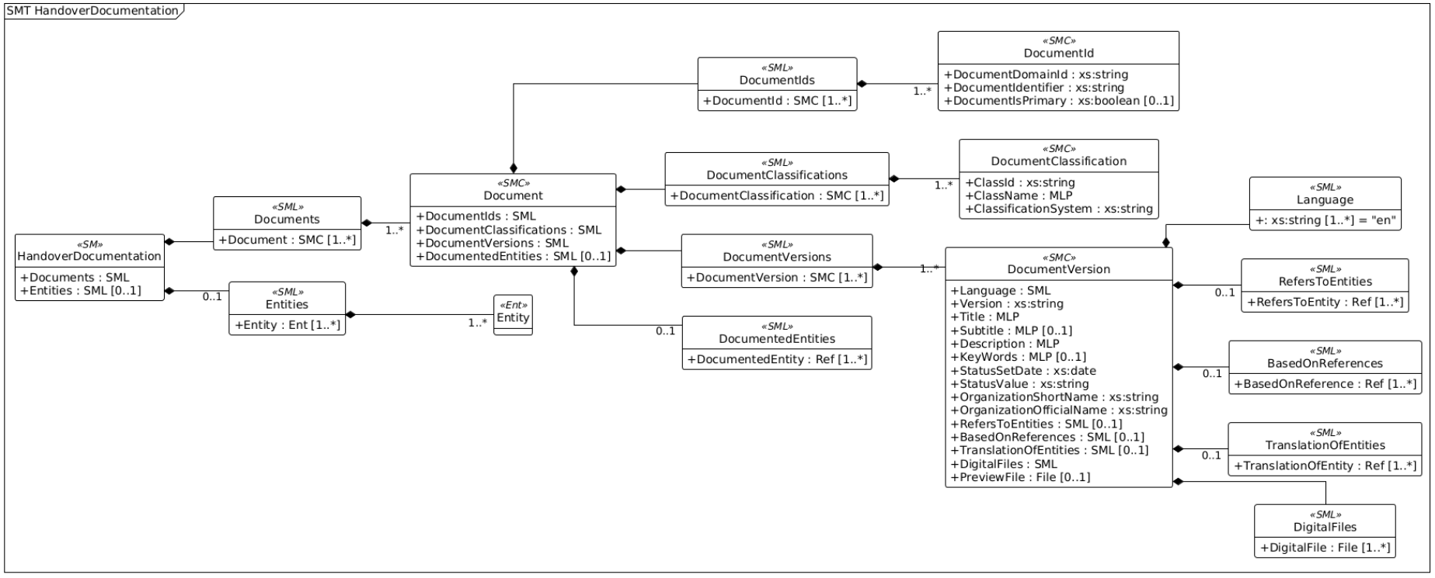
 | Official IDTA Handover Documentation Submodel Template Specification

2.4 Attributes of the Submodel Instance ('HandoverDocumentation')
Element Name (idShort) | Obligation | Data Style / Field Type | Description | Example Value | Actual Value
Documents | Mandatory | SubmodelElementList | Main collection list aggregating all independent handover document identities belonging to this specific asset profile. | List containing Document entries | https://www.fibrort.com/downloads?product=25
Entities | Optional | SubmodelElementList | Optional register cataloging complex built-in sub-components or underlying supplier sub-parts that possess technical documents. | List containing Entity sub-elements

2.5 Submodel Elements of 'Document' Collection
Element Name (idShort) | Obligation | Data Style / Field Type | Description | Example Value | Actual Value
Documnet | Mandatory (1..*) | SubmodelElementCollection | Describes a document by standard, which is associated to the particular Asset Administration Shell. | Collection Instance Loop
DocumentIds | Mandatory | SubmodelElementList | A list grouping different identification tags issued to this document context by various distinct business units or systems. | List containing DocumentID entries
DocumentClassifications | Mandatory | SubmodelElementList | A group mapping this specific asset document into technical category buckets defined by industrial norms. | List containing DocumentClassification entries
DocumentVersions | Mandatory | SubmodelElementList | The central array loop managing the active release states, languages, history records, and files for this file item. | List containing DocumentVersion entries
DocumentedEntities | Optional | SubmodelElementList | Explicit linking pointers tying this standalone technical record directly to a specific sub-assembly supplier part instead of the root machine context. | List containing reference keys

2.6 Submodel Elements of 'DocumentId' Collection
Element Name (idShort) | Obligation | Data Style / Field Type | Description | Example Value | Actual Value
DocumentId | Mandatory (1..*) | SubmodelElementCollection | Identifies the Document in a given Domain | Collection Instance Loop
DocumentDomainId | Mandatory | String | The company name, organizational acronym, or registry space where the document ID is guaranteed unique. | Manufacturer-B-Global | Fibro Rundtische GmbH
DocumentIdentifier | Mandatory | String | The specific alphanumeric serial string or drawing blueprint archive tracking sequence number. | DOC-2026-XYZ-99 | FIBROTOR_Datenblatt_EM_15_gb.pdf
DocumentIsPrimary | Optional | Boolean | A True/False toggle marking if this exact identifier sequence is the absolute main code used by the system operator. | True | TRUE

2.7 Submodel Elements of 'DocumentClassification'
Element Name (idShort) | Obligation | Data Style / Field Type | Description | Example Value | Actual Value
DocumentClassification | Mandatory (1..*) | SubmodelElementCollection | Contains the information for a classification of a document according to a classification system. | Collection Instance Loop
ClassId | Mandatory | String | The structural category number sequence defined under specific organizational rules (e.g., '02-01' or '03-02'). | 03-02 | 2026-02-03
ClassName | Mandatory | MultiLanguage Property | The clear, translated plaintext description of what this document category contains for human reading. | "Operation"@en / "Bedienung"@de | Datasheet@en
ClassificationSystem | Mandatory | String | The precise global standard manual governing how these files are filed away (e.g., 'VDI 2770 Blatt 1:2020'). | VDI 2770 Blatt 1:2020 | VDI 2770

2.8 Submodel Elements of 'DocumentVersion' Collection
Element Name (idShort) | Obligation | Data Style / Field Type | Description | Example Value | Actual Value
DocumentVersion | Mandatory (1..*) | SubmodelElementCollection | Contains the information for a classification of a document according to a classification system. | Collection Instance Loop
Language | Mandatory | SubmodelElementList | The catalog list of all human languages physically embedded and spoken within this specific version instance. | ['en', 'de']
Version | Mandatory | String | The precise index counter assigned by the engineering board to map this release step. | v2.0 | 1.0
Title | Mandatory | MultiLanguage Property | The absolute official human-readable text heading of the technical document. | "User Operating Manual"@en | FIBROTOR EM.15/ER.15 datasheet@en
Subtitle | Optional | MultiLanguage Property | Supplementary text headers highlighting secondary topics covered inside this documentation file. | "Pressure Assembly Addendum"@en
Description | Mandatory | MultiLanguage Property | A descriptive plaintext abstract summarizing what business or technical processes are inside this document. | "Full documentation explaining safety parameters and system calibration procedures."@en | Technical datasheet@en
KeyWords | Optional | MultiLanguage Property | Search term tags pinned onto this document profile to allow rapid searching inside backend software utilities. | "maintenance, safety, commissioning"
StatusSetDate | Mandatory | Date | The precise calendar day when the current life cycle state flag was locked in. | 2026-06-10 | 2026-07-10
StatusValue | Mandatory | String | The workflow milestone tag tracking the legal state of the document. Accepted standard options are: 'InReview' or 'Released'. | Released | Released
OrganizationShortName | Mandatory | String | The abbreviated compact trade moniker of the corporate department or external author (e.g., 'IDTA'). | IDTA | FIBRO RT
OrganizationOfficialName | Mandatory | String | The complete registered legal firm name of the entity who drafted this manual package. | Industrial Digital Twin Association | Fibro Rundtische GmbH
RefersToEntities | Optional | SubmodelElementList | A loose connection directory linking this documentation row to other supporting cross-reference records. | List of loose links
BasedOnReferences | Optional | SubmodelElementList | A binding legal dependency linkage declaring that this manual strictly relies upon an external blueprint or standard requirement file. | List of strong foundation links
TranslationOfEntities | Optional | SubmodelElementList | An explicit link row tracking precisely which master source-language file layout this document was translated from. | List of source language links
DigitalFiles | Mandatory | SubmodelElementList | The file attachment container housing the physical, unalterable digital content components (PDF/A files according to VDI 2770 rule). | List containing DigitalFile entries
PreviewFile | Optional | File | A lightweight, low-resolution thumbnail image showing the cover page layout for prompt catalog skimming. | cover_thumbnail.jpg

2.8.1 Submodel Elements of 'DigitalFiles' List
Element Name (idShort) | Obligation | Data Style / Field Type | Description | Example Value | Actual Value
File | Mandatory | File | Name of the specific digital file |  | https://www.fibrort.com/api/downloads/file/FIBROTOR_Datenblatt_EM_15_gb.pdf

2.6 Submodel Elements of 'DocumentId' Collection
Element Name (idShort) | Obligation | Data Style / Field Type | Description | Example Value | Actual Value
DocumentId | Mandatory (1..*) | SubmodelElementCollection | Identifies the Document in a given Domain | Collection Instance Loop
DocumentDomainId | Mandatory | String | The company name, organizational acronym, or registry space where the document ID is guaranteed unique. | Manufacturer-B-Global | Fibro Rundtische GmbH
DocumentIdentifier | Mandatory | String | The specific alphanumeric serial string or drawing blueprint archive tracking sequence number. | DOC-2026-XYZ-99 | FIBROTOR EM/ER.15 – CAD-Daten
DocumentIsPrimary | Optional | Boolean | A True/False toggle marking if this exact identifier sequence is the absolute main code used by the system operator. | True | TRUE

2.7 Submodel Elements of 'DocumentClassification'
Element Name (idShort) | Obligation | Data Style / Field Type | Description | Example Value | Actual Value
DocumentClassification | Mandatory (1..*) | SubmodelElementCollection | Contains the information for a classification of a document according to a classification system. | Collection Instance Loop
ClassId | Mandatory | String | The structural category number sequence defined under specific organizational rules (e.g., '02-01' or '03-02'). | 03-02 | 03-02
ClassName | Mandatory | MultiLanguage Property | The clear, translated plaintext description of what this document category contains for human reading. | "Operation"@en / "Bedienung"@de | CAD model@en
ClassificationSystem | Mandatory | String | The precise global standard manual governing how these files are filed away (e.g., 'VDI 2770 Blatt 1:2020'). | VDI 2770 Blatt 1:2020 | VDI 2770

2.8 Submodel Elements of 'DocumentVersion' Collection
Element Name (idShort) | Obligation | Data Style / Field Type | Description | Example Value | Actual Value
DocumentVersion | Mandatory (1..*) | SubmodelElementCollection | Contains the information for a classification of a document according to a classification system. | Collection Instance Loop
Language | Mandatory | SubmodelElementList | The catalog list of all human languages physically embedded and spoken within this specific version instance. | ['en', 'de']
Version | Mandatory | String | The precise index counter assigned by the engineering board to map this release step. | v2.0 | V1
Title | Mandatory | MultiLanguage Property | The absolute official human-readable text heading of the technical document. | "User Operating Manual"@en | CAD Data@en
Subtitle | Optional | MultiLanguage Property | Supplementary text headers highlighting secondary topics covered inside this documentation file. | "Pressure Assembly Addendum"@en | Fibrotor ER/EM.15@en
Description | Mandatory | MultiLanguage Property | A descriptive plaintext abstract summarizing what business or technical processes are inside this document. | "Full documentation explaining safety parameters and system calibration procedures."@en | CAD Data for Fibrotor ER.15/EM.15@en
KeyWords | Optional | MultiLanguage Property | Search term tags pinned onto this document profile to allow rapid searching inside backend software utilities. | "maintenance, safety, commissioning"
StatusSetDate | Mandatory | Date | The precise calendar day when the current life cycle state flag was locked in. | 2026-06-10 | 2026-07-10
StatusValue | Mandatory | String | The workflow milestone tag tracking the legal state of the document. Accepted standard options are: 'InReview' or 'Released'. | Released | Released
OrganizationShortName | Mandatory | String | The abbreviated compact trade moniker of the corporate department or external author (e.g., 'IDTA'). | IDTA | FIBRO RT
OrganizationOfficialName | Mandatory | String | The complete registered legal firm name of the entity who drafted this manual package. | Industrial Digital Twin Association | FIBRO Rundtische GmbH
RefersToEntities | Optional | SubmodelElementList | A loose connection directory linking this documentation row to other supporting cross-reference records. | List of loose links
BasedOnReferences | Optional | SubmodelElementList | A binding legal dependency linkage declaring that this manual strictly relies upon an external blueprint or standard requirement file. | List of strong foundation links
TranslationOfEntities | Optional | SubmodelElementList | An explicit link row tracking precisely which master source-language file layout this document was translated from. | List of source language links
DigitalFiles | Mandatory | SubmodelElementList | The file attachment container housing the physical, unalterable digital content components (PDF/A files according to VDI 2770 rule). | List containing DigitalFile entries
PreviewFile | Optional | File | A lightweight, low-resolution thumbnail image showing the cover page layout for prompt catalog skimming. | cover_thumbnail.jpg

2.8.1 Submodel Elements of 'DigitalFiles' List
Element Name (idShort) | Obligation | Data Style / Field Type | Description | Example Value | Actual Value
File | Mandatory | File | Name of the specific digital file |  | https://www.fibrort.com/api/downloads/file/4-815-000-3000.zip

Technical Data
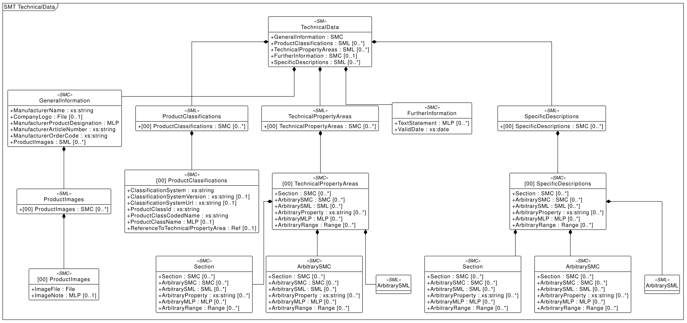
 | Official IDTA Technical Data Submodel Template Specification |  |  | official document

1. Properties of the Submodel 'TechnicalData'
Element Name (idShort) | Obligation | Data Style / Field Type | Description | Universal Semantic ID (Global Key) | Example Value | Actual Value
GeneralInformation | Mandatory | SubmodelElementCollection | General information, for example ordering and manufacturer information | 0173-1#02-ABK161#002/0173-1#01-AHX838#002 | See Section 1.1 Block Below | General information and ordering/manufacturer information entered in rows 16–21.
ProductClassifications | Optional (0..*) | SubmodelElementList | Product classifications by association of product classes with common classification systems | 0173-1#02-ABK162#002 | See Section 1.2 Block Below | Product classification prototype entered in rows 36–42; ECLASS/HS code to be confirmed.
TechnicalPropertyAreas | Optional (0..*) | SubmodelElementList | List of all technical property areas | 0173-1#02-ABK163#002 | See Section 1.3 Block Below | Technical property area: dimensions, accuracy, load data, drive/electrical data and performance data.
FurtherInformation | Optional (0..1) | SubmodelElementCollection | Further information on the product, the validity of the information provided and this data record | 0173-1#02-ABK164#002 | See Section 1.4 Block Below | Further information entered in rows 90–91.
SpecificDescriptions | Optional (0..*) | SubmodelElementList | Specific description areas for multiple use cases or areas of application | 0173-1#02-ABM221#001 | See Section 1.5 Block Below | Application: automation rotary indexing table / workpiece carrier in horizontal or other approved positions.

1.1 Properties of the SMC 'GeneralInformation'
Element Name (idShort) | Obligation | Data Style / Field Type | Description | Universal Semantic ID (Global Key) | Example Value | Actual Value
ManufacturerName | Mandatory | String (Text) | Legally valid designation of the natural or judicial person which is directly responsible for design/production | 0173-1#02-AAO677#004 | "Muster AG"@de | Fibro Rundtische GmbH@en
CompanyLogo | Optional (0..1) | File | Imagefile for logo of the company provided in common format (.png, .jpg) | 0173-1#02-AB1776#002 | "/logos/logo.png" | logo.png
ManufacturerProductDesignation | Mandatory | MultiLanguage Property | Short description of the product (short text) | 0173-1#02-AAW338#003 | "Pressure Sensor"@en | FIBROTOR ER.15 indexing table@en
ManufacturerArticleNumber | Mandatory | String (Text) | unique product identifier of the manufacturer | 0173-1#02-AAO676#005 | "A-123-X" | 4-815-911-0483
ManufacturerOrderCode | Mandatory | String (Text) | unique combination of numbers and letters used to identify the device for ordering | 0173-1#02-AAO227#004 | "ORDER-789" | ER.15.0410.1.142.04.0.0.1
ProductImages | Optional (0..*) | SubmodelElementList | Pictorial representations of the product also related to different applications | 0173-1#02-ABM220#001 | See Section 1.1.1 Block Below | 4-815-000-3000.2.jpg

1.1.1 Properties of the SML 'ProductImages'
Element Name (idShort) | Obligation | Data Style / Field Type | Description | Universal Semantic ID (Global Key) | Example Value | Actual Value
ProductImages__00__ | Optional (0..*) | SubmodelElementCollection | Pictorial representation of the product related to an application | 0173-1#02-ABM220#001/0173-1#01-AHY911#001 | 2 elements | ProductImages__00__: product image / CAD preview
ImageFile | Mandatory | File | Picture of the product (low resolution) 72 dpi / rgb (GIF or JPG) | 0173-1#02-ABK291#002 | "/images/prod_1.jpg" | 4-815-000-3000.2.jpg
ImageNote | Optional (0..1) | MultiLanguage Property | Notes or explanations about the image provided | 0173-1#02-ABL423#001 | "Isometric view"@en | Isometric view of FIBROTOR EM.15/ER.15 rotary indexing table@en

1.2 Properties of the SML 'ProductClassifications'
Element Name (idShort) | Obligation | Data Style / Field Type | Description | Universal Semantic ID (Global Key) | Example Value | Actual Value
ProductClassifications__00__ | Optional (0..*) | SubmodelElementCollection | Single product classification item by association with product class | 0173-1#02-ABK162#002/0173-1#01-AHX839#002 | 7 elements
ClassificationSystem | Mandatory | String (Text) | Reference to the collection of abstract concepts used to order objects | 0173-1#02-ABL424#001 | "ECLASS" | ProductClassifications__00__
ClassificationSystemVersion | Optional (0..1) | String (Text) | Referenced state of the published classification system | 0173-1#02-AAR710#003 | "14.0" | Internal Fibro product group / ECLASS to be confirmed
ClassificationSystemUrl | Optional (0..1) | String (Text) | URL link to the classification repository web service | https://admin-shell.io/IDTA/TechnicalData/.../Url | "https://api.eclass-cdp.com/" | To be confirmed
ProductClassId | Mandatory | String (Text) | Class of the associated product or industrial equipment in the system | 0173-1#02-ABG776#003 | "0173-1#01-AAA001#001" | To be confirmed
ProductClassCodedName | Mandatory | String (Text) | Unique class code in a classification hierarchy | 0173-1#02-ABK128#002 | "27-24-22-01" | ERP product group: 118551; external classification to be confirmed
ProductClassName | Optional (0..1) | MultiLanguage Property | Name of product class in the used classification system | 0173-1#02-ABK273#002 | "Digital Input Module"@en | 118551@en
ReferenceToTechnicalPropertyArea | Optional (0..1) | ReferenceElement | Reference to technical property area | 0173-1#02-ABL358#002 | Reference to TechnicalPropertyAreas[0] | "Automation rotary indexing table / FIBROTOR ER.15"@en

1.3 Properties of the SML 'TechnicalPropertyAreas'
Element Name (idShort) | Obligation | Data Style / Field Type | Description | Universal Semantic ID (Global Key) | Example Value | Actual Value
TechnicalPropertyAreas__00__ | Optional (0..*) | SubmodelElementCollection | Specific property area referenced by a product classification | 0173-1#02-ABL358#002/0173-1#01-AHX773#002 | 6 elements
Section | Optional (0..*) | SubmodelElementCollection | Structural main/sub-sections for human readability | https://admin-shell.io/SMT/General/Arbitrary | See Section 1.3.1 Block Below
ArbitrarySMC | Optional (0..*) | SubmodelElementCollection | Classification block or dictionary group collection | https://admin-shell.io/SMT/General/Arbitrary | See Section 1.3.2 Block Below
ArbitrarySML | Optional (0..*) | SubmodelElementList | Submodel element list container | https://admin-shell.io/SMT/General/Arbitrary | See Section 1.3.3 Block Below
ArbitraryProperty | Optional (0..*) | String (Text) | Individual data property from standard dictionary or company standard | https://admin-shell.io/SMT/General/Arbitrary | "24V"
ArbitraryMLP | Optional (0..*) | MultiLanguage Property | Text descriptions supported across languages | https://admin-shell.io/SMT/General/Arbitrary | "High efficiency"@en
ArbitraryRange | Optional (0..*) | Range | Minimum and maximum numeric limits | https://admin-shell.io/SMT/General/Arbitrary | "0...50 °C"
Table_Top_Diameter | Optional (0..*) | String (Text) | Individual data property from standard dictionary or company standard | https://admin-shell.io/SMT/General/Arbitrary |  | 410 mm
Drive_Motor | Optional (0..*) | String (Text) | Individual data property from standard dictionary or company standard | https://admin-shell.io/SMT/General/Arbitrary |  | Standard Brake Motor
Drive_Arrangement | Optional (0..*) | String (Text) | Individual data property from standard dictionary or company standard | https://admin-shell.io/SMT/General/Arbitrary |  | 142
Division | Optional (0..*) | String (Text) | Individual data property from standard dictionary or company standard | https://admin-shell.io/SMT/General/Arbitrary |  | 04
Indexing_Accuracy | Optional (0..*) | String (Text) | Individual data property from standard dictionary or company standard | https://admin-shell.io/SMT/General/Arbitrary |  | ± 20" arc sec
Axial_Runout | Optional (0..*) | String (Text) | Individual data property from standard dictionary or company standard | https://admin-shell.io/SMT/General/Arbitrary |  | 0,03 mm
Concentricity | Optional (0..*) | String (Text) | Individual data property from standard dictionary or company standard | https://admin-shell.io/SMT/General/Arbitrary |  | 0,03 mm
Plane_Parrallism | Optional (0..*) | String (Text) | Individual data property from standard dictionary or company standard | https://admin-shell.io/SMT/General/Arbitrary |  | 0,06 mm
Voltage_Motor | Optional (0..*) | String (Text) | Individual data property from standard dictionary or company standard | https://admin-shell.io/SMT/General/Arbitrary |  | 230 - 400 V / 50 Hz
Voltage_Brake | Optional (0..*) | String (Text) | Individual data property from standard dictionary or company standard | https://admin-shell.io/SMT/General/Arbitrary |  | 380-480V /AC
Permissible_Transport_Load_(Horizontal) | Optional (0..*) | String (Text) | Individual data property from standard dictionary or company standard | https://admin-shell.io/SMT/General/Arbitrary |  | 2500 kg
Permissible_Addon_Diameter | Optional (0..*) | String (Text) | Individual data property from standard dictionary or company standard | https://admin-shell.io/SMT/General/Arbitrary |  | 2000 mm
Permissible_Axial_Loading | Optional (0..*) | String (Text) | Individual data property from standard dictionary or company standard | https://admin-shell.io/SMT/General/Arbitrary |  | 25000 N
Permissible_Tilting_Moment | Optional (0..*) | String (Text) | Individual data property from standard dictionary or company standard | https://admin-shell.io/SMT/General/Arbitrary |  | 6000 N

1.3.1 Properties of the SMC 'Section'
Element Name (idShort) | Obligation | Data Style / Field Type | Description | Universal Semantic ID (Global Key) | Example Value | Actual Value
Section | Optional (0..*) | SubmodelElementCollection | Nested sub-section for deep structural hierarchy (idShort is arbitrary) | https://admin-shell.io/SMT/General/Arbitrary | Nested section block
ArbitrarySMC | Optional (0..*) | SubmodelElementCollection | Submodel Element Collection placed within this specific section | https://admin-shell.io/SMT/General/Arbitrary | Nested collection
ArbitrarySML | Optional (0..*) | SubmodelElementList | Submodel Element List container placed within this specific section | https://admin-shell.io/SMT/General/Arbitrary | Nested list
ArbitraryProperty | Optional (0..*) | String (Text) | Data property assigned to this structural section | https://admin-shell.io/SMT/General/Arbitrary | "Value"
ArbitraryMLP | Optional (0..*) | MultiLanguage Property | Multi-language text property assigned to this structural section | https://admin-shell.io/SMT/General/Arbitrary | "Text"@en
ArbitraryRange | Optional (0..*) | Range | Numeric limit range assigned to this structural section | https://admin-shell.io/SMT/General/Arbitrary | Min...Max

1.3.2 Properties of the SMC 'ArbitrarySMC'
Element Name (idShort) | Obligation | Data Style / Field Type | Description | Universal Semantic ID (Global Key) | Example Value | Actual Value
Section | Optional (0..*) | SubmodelElementCollection | Structural section nested inside this collection block | https://admin-shell.io/SMT/General/Arbitrary | Subsection area
ArbitrarySMC | Optional (0..*) | SubmodelElementCollection | Nested collection group for complex properties modeling | https://admin-shell.io/SMT/General/Arbitrary | Sub-collection
ArbitrarySML | Optional (0..*) | SubmodelElementList | Nested array list container for multi-valued collection records | https://admin-shell.io/SMT/General/Arbitrary | Sub-list
ArbitraryProperty | Optional (0..*) | String (Text) | Individual technical property belonging to this collection group | https://admin-shell.io/SMT/General/Arbitrary | "24V"
ArbitraryMLP | Optional (0..*) | MultiLanguage Property | Multi-language text string asset description within this collection | https://admin-shell.io/SMT/General/Arbitrary | "High-grade"@en
ArbitraryRange | Optional (0..*) | Range | Measurement range threshold limits within this collection | https://admin-shell.io/SMT/General/Arbitrary | Min/Max bounds

1.3.3 Properties of the SML 'ArbitrarySML'
Element Name (idShort) | Obligation | Data Style / Field Type | Description | Universal Semantic ID (Global Key) | Example Value | Actual Value
ArbitrarySML__00__ | Optional (0..*) | SubmodelElementCollection | Indexed list element containing the uniform repeatable template properties | https://admin-shell.io/SMT/General/Arbitrary | Collection instance
Section | Optional (0..*) | SubmodelElementCollection | Structural section layout inside the list elements | https://admin-shell.io/SMT/General/Arbitrary | Subsection
ArbitrarySMC | Optional (0..*) | SubmodelElementCollection | Custom dictionary block inside the list element template | https://admin-shell.io/SMT/General/Arbitrary | Custom SMC
ArbitrarySML | Optional (0..*) | SubmodelElementList | Deeply nested repeating data list loop | https://admin-shell.io/SMT/General/Arbitrary | Custom SML
ArbitraryProperty | Optional (0..*) | String (Text) | Standard metrics property template for items in this list | https://admin-shell.io/SMT/General/Arbitrary | "Metric Value"
ArbitraryMLP | Optional (0..*) | MultiLanguage Property | Multi-language property template for items in this list | https://admin-shell.io/SMT/General/Arbitrary | "Label Text"@en
ArbitraryRange | Optional (0..*) | Range | Value scope range parameters template for items in this list | https://admin-shell.io/SMT/General/Arbitrary | Scope limit

1.4 Properties of the SMC 'FurtherInformation'
Element Name (idShort) | Obligation | Data Style / Field Type | Description | Universal Semantic ID (Global Key) | Example Value | Actual Value
TextStatement | Optional (0..*) | MultiLanguage Property | Statement by the manufacturer in text form (e.g., conditions of operation) | 0173-1#02-ABK134#002 | "Indoor use only"@en
ValidDate | Mandatory | Date | Date at which information becomes invalid or verified | 0173-1#02-ABL775#001 | "2026-12-31"

1.5 Properties of the SML 'SpecificDescriptions'
Element Name (idShort) | Obligation | Data Style / Field Type | Description | Universal Semantic ID (Global Key) | Example Value | Actual Value
SpecificDescriptions__00__ | Optional (0..*) | SubmodelElementCollection | Specific description for a use case or area of application | 0173-1#02-ABM221#001/0173-1#01-AHY912#001 | 6 elements
Section | Optional (0..*) | SubmodelElementCollection | Use-case specific group block | https://admin-shell.io/SMT/General/Arbitrary | Subsection
ArbitrarySMC | Optional (0..*) | SubmodelElementCollection | Custom structural sub-collection | https://admin-shell.io/SMT/General/Arbitrary | Custom SMC
ArbitrarySML | Optional (0..*) | SubmodelElementList | Custom data list | https://admin-shell.io/SMT/General/Arbitrary | Custom SML
ArbitraryProperty | Optional (0..*) | String (Text) | Custom key data technical data parameters | https://admin-shell.io/SMT/General/Arbitrary | "Value"
ArbitraryMLP | Optional (0..*) | MultiLanguage Property | Multi-language description notes | https://admin-shell.io/SMT/General/Arbitrary | "Special version"@en
ArbitraryRange | Optional (0..*) | Range | Value scope range parameters | https://admin-shell.io/SMT/General/Arbitrary | "Min/Max bounds"

Carbon Footprint
 | Official IDTA Carbon Footprint Submodel Template Specification |  |  | official document

1. Properties of the Submodel 'CarbonFootprint'
Element Name (idShort) | Obligation | Data Style / Field Type | Description | Universal Semantic ID (Global Key) | Example Value | Actual Value
ProductCarbonFootprints | Mandatory | SubmodelElementList | Balance of greenhouse gas emissions along the entire life cycle of a product in a defined application and in relation to a defined unit of use. | https://admin-shell.io/idta/CarbonFootprint/ProductCarbonFootprints/1/0 | See Section 1.1 Block Below | Prototype gap: Product Carbon Footprint is not yet calculated for this example product.
ProductOrSectorSpecificCarbonFootprints | Optional (0..1) | SubmodelElementList | Product Carbon Footprint, which is determined in accordance with sector or product group-specific rules or guidelines and covers the life cycle or parts of a product life cycle. | https://admin-shell.io/idta/CarbonFootprint/ProductOrSectorSpecificCarbonFootprints/1/0 | See Section 1.2 Block Below

1.1 Properties of the SMC 'ProductCarbonFootprint'
Element Name (idShort) | Obligation | Data Style / Field Type | Description | Universal Semantic ID (Global Key) | Example Value | Actual Value
ProductCarbonFootprint__00__ | Mandatory | SubmodelElementCollection | Balance of greenhouse gas emissions along the entire life cycle of a product in a defined application and in relation to a defined unit of use. | https://admin-shell.io/idta/CarbonFootprint/ProductCarbonFootprints/1/0 |  | ProductCarbonFootprint__00__: placeholder entry; PCF methodology/value to be defined in future project phase.
PcfCalculationMethods | Mandatory | SubmodelElementList | Standards, methods for determining the greenhouse gas emissions of a product. | https://admin-shell.io/idta/CarbonFootprint/PcfCalculationMethods/1/0 | See Section 1.1.1 Block Below | No PCF calculation method selected yet; possible future method: ISO 14067 / GHG Protocol Product Standard.
PcfCO2eq | Mandatory | Property (decimal) | Sum of all greenhouse gas emissions of a product according to the quantification requirements of the standard. | 0173-1#02-ABG855#003 | 17.2 | 0.0
ReferenceImpactUnitForCalculation | Mandatory | Property (string) | Quantity unit of the product to which the PCF information on the CO2 footprint refers. Based on ECLASS 15. | 0173-1#02-ABG856#003 | "piece" | 1 piece
QuantityOfMeasureForCalculation | Mandatory | Property (double) | Provides the quantity number of pieces or mass or volume to compute the impact of climate change or product carbon footprint. | 0173-1#02-ABG857#003 | 5.0 | 1
LifeCyclePhases | Mandatory | SubmodelElementList | List of Life cycle stages of the product according to the quantification requirements of the standard to which the PCF carbon footprint statement refers. | https://admin-shell.io/idta/CarbonFootprint/LifeCyclePhases/1/0 | See Section 1.1.2 Block Below
ExplanatoryStatement | Optional (0..1) | File | Explanation required or provided to ensure that a footprint communication can be properly understood by a purchaser, potential purchaser, or user of the product. | https://admin-shell.io/idta/CarbonFootprint/ExplanatoryStatement/1/0 | Statement.pdf
GoodsHandoverAddress | Mandatory | SubmodelElementCollection | Indicates the hand-over address of the goods transport. Note: this set of information is defined by SMT drop-in 'Address Information'. | https://admin-shell.io/zvei/nameplate/1/0/ContactInformations/AddressInformation
PublicationDate | Mandatory | Property (dateTime) | The UTC timestamp on which a Product Carbon Footprint (PCF) - a calculation of a product's total greenhouse gas emissions - was created and published. | https://admin-shell.io/idta/CarbonFootprint/PublicationDate/1/0 | 2026-06-11T12:00:00Z | 2026-06-11T12:00:00Z
ExpirationDate | Optional (0..1) | Property (dateTime) | End date up to which a study or data collection for calculating an ecological footprint is considered current and valid before an update or new calculation is required. | https://admin-shell.io/idta/CarbonFootprint/ExpirationDate/1/0 | 2028-06-11T12:00:00Z

1.1.1 Properties of the SML 'PcfCalculationMethods'
Element Name (idShort) | Obligation | Data Style / Field Type | Description | Universal Semantic ID (Global Key) | Example Value | Actual Value
PcfCalculationMethod | Mandatory | Property (string) | Standard, method for determining the greenhouse gas emissions of a product. Value List (0173-1#09-AAO115#003) based on ECLASS Version 15. | 0173-1#02-ABG854#003 | "ISO 14067" | Not yet calculated – methodology to be confirmed before final DPP release.

1.1.2 Properties of the SML 'LifeCyclePhases'
Element Name (idShort) | Obligation | Data Style / Field Type | Description | Universal Semantic ID (Global Key) | Example Value | Actual Value
LifeCyclePhase | Mandatory | Property (string) | Life cycle stages of the product according to the quantification requirements of the standard to which the PCF carbon footprint statement refers. Value list based on ECLASS Version 15. | 0173-1#02-ABG858#003 | "C4 - landfill" | Not defined – lifecycle phase coverage to be defined.

1.4 Properties of the SMC 'ProductOrSectorSpecificCarbonFootprint'
Element Name (idShort) | Obligation | Data Style / Field Type | Description | Universal Semantic ID (Global Key) | Example Value | Actual Value
ProductOrSectorSpecificCarbonFootprint__00__ | Optional (0..1) | SubmodelElementCollection | Product Carbon Footprints, which is determined in accordance with sector or product group-specific rules or guidelines and covers the life cycle or parts of a product life cycle. | https://admin-shell.io/idta/CarbonFootprint/ProductOrSectorSpecificCarbonFootprints/1/0 | See Section 1.4 Block Below
PcfCalculationMethod | Mandatory | SubmodelElementList | Standards, methods for determining the greenhouse gas emissions of a product. | https://admin-shell.io/idta/CarbonFootprint/PcfCalculationMethods/1/0 | See Section 1.3.1 Block Below
ProductOrSectorSpecificRule | Mandatory | SubmodelElementCollection | Contains further information on the product-specific or sector-specific rule used to calculate the carbon footprint. | https://admin-shell.io/idta/CarbonFootprint/ProductOrSectorSpecificRule/1/0 | See Section 1.4.1 Block Below
ExternalPcfApi | Optional (0..1) | SubmodelElementCollection | An external service that provisions carbon footprint information via an interface, allowing on-demand retrieval of this data. | https://admin-shell.io/idta/CarbonFootprint/ExternalPcfApi/1/0 | See Section 1.4.2 Block Below
PcfInformation | Mandatory | SubmodelElementCollection | A section in which further content is listed according to the calculation method for the Product Carbon Footprint. | https://admin-shell.io/idta/CarbonFootprint/PcfInformation/1/0 | See Section 1.4.3 Block Below

1.4.1 Properties of the SMC 'ProductOrSectorSpecificRule'
Element Name (idShort) | Obligation | Data Style / Field Type | Description | Universal Semantic ID (Global Key) | Example Value | Actual Value
PcfRuleOperator | Mandatory | Property (string) | Organization that defines and implements specific instructions and methods for calculating and monitoring the carbon footprint of a product or sector (e.g. WBCSD). | https://admin-shell.io/idta/CarbonFootprint/ProductOrSectorSpecificRule/Operator/1/0 | "WBCSD"
PcfRuleName | Mandatory | Property (string) | Standard, method for determining the greenhouse gas emissions of a product. | https://admin-shell.io/idta/CarbonFootprint/ProductOrSectorSpecificRule/Name/1/0 | "Pathfinder Framework"
PcfRuleVersion | Optional (0..1) | Property (string) | Specific version or revision of the rule used to calculate the carbon footprint of a product. | https://admin-shell.io/idta/CarbonFootprint/ProductOrSectorSpecificRule/Version/1/0 | "2.2"
PcfRuleOnlineReference | Optional (0..1) | File | Online PCF calculation methodology reference that provides detailed instructions and guidelines for calculating a product's carbon footprint. | https://admin-shell.io/idta/CarbonFootprint/ProductOrSectorSpecificRule/OnlineReference/1/0 | n/a

1.4.2 Properties of the SMC 'ExternalPcfApi'
Element Name (idShort) | Obligation | Data Style / Field Type | Description | Universal Semantic ID (Global Key) | Example Value | Actual Value
PcfApiEndpoint | Mandatory | Property (string) | Specific URL or address that can be used to retrieve data from external sources to calculate the carbon footprint of a product. | https://admin-shell.io/idta/CarbonFootprint/ExternalPcfApi/Endpoint/1/0 | n/a
PcfApiQuery | Mandatory | Property (string) | Specific query that can be used to retrieve data from external sources to calculate the carbon footprint of a product. | https://admin-shell.io/idta/CarbonFootprint/ExternalPcfApi/Query/1/0 | n/a

1.4.3 Properties of the SMC 'PcfInformation'
Element Name (idShort) | Obligation | Data Style / Field Type | Description | Universal Semantic ID (Global Key) | Example Value | Actual Value
ArbitraryContent | Optional (0..n) | SubmodelElement (SME) | Free area for structured collection of specific items of a specific PCF. | https://admin-shell.io/SMT/General/Arbitrary | n/a

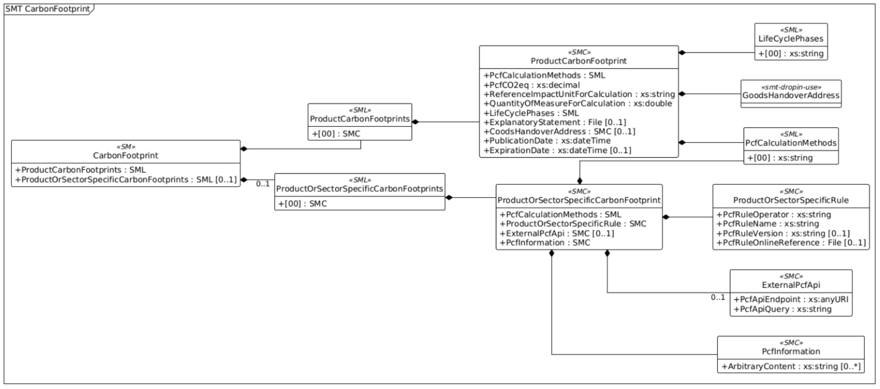

Note: | Prototype gap: Product Carbon Footprint is not yet calculated for this example product.

