Q1-Formulation
Q1.Develop an LP model formulation that addresses the issue of minimizing the monthly cost of purchasing heart valves. Briefly explain the model’s decision variables, objective function, and constraints.

Hayward care - outsouring heart valves - Linear Programming model formulation |  |  |  |  | Linear programming model formulations with Index Notations:

Decision variables:
T1 to T6 represent the Total numbers of valves to be ordered from Suppliers 1 to 6 respectively.We are considering the total order quantities as decision variables for the following reasons:
1. The cost per valve does not depend on the size of the valves but varies by supplier.
2. There is a proportion constraint given in the problem statement which would decide the numbers of valves to be bought based on their sizes.
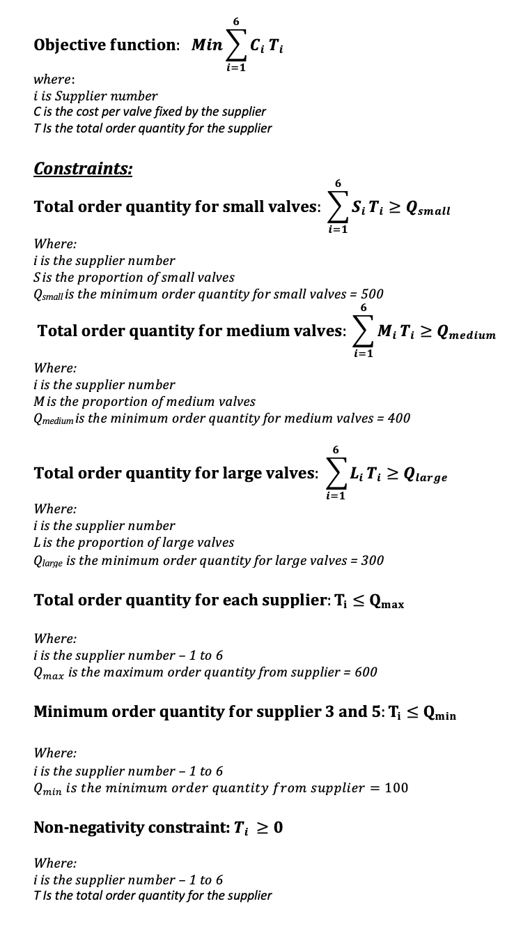
Decision Variables:
 | Decision |  | Denoted by
 | Total valves from supplier-1 |  | T1
 | Total valves from supplier-2 |  | T2
 | Total valves from supplier-3 |  | T3
 | Total valves from supplier-4 |  | T4
 | Total valves from supplier-5 |  | T5
 | Total valves from supplier-6 |  | T6

Objective function:
Minimize Hayward care's total monthly spending on heart valves . Mathematically is the sum-product of Total order quantity from all suppliers and cost per valve
Objective function:

 | Minimize: | 195T1 + 198T2 +195T3 +190T4 +200T5 +210T6

Constraints by size:
Total small valves = sum of total order quantity for each supplier * given respective proportion constraints
Total medium valves = sum of total order quantity for each supplier * given respective proportion constraints
Total large valves = sum of total order quantity for each supplier * given respective proportion constraints
Constraints:
 | Constraints by size: |  | Quantity | Constraint equation
 | Total number of small valves |  | >=500 | 0.25T1 + 0.20T2 + 0.40T3 + 0.20T4 + 0.30T5 + 0.40T6
 | Total number of medium valves |  | >=400 | 0.50T1 + 0.30T2 + 0.40T3 + 0.50T4 + 0.30T5 + 0.20T6
 | Total number of large valves |  | >=300 | 0.25T1 + 0.50T2 + 0.20T3 + 0.30T4 + 0.40T5 + 0.40T6

Constraints by supplier:
Maximum Total order quantity of valves immaterial of the size of the valves must be 600
 | constraints by supplier: |  | Maximum order quantity | Constraint equation
 | Total valves from supplier-1: T1 |  | <=600 | T1<=600
 | Total valves from supplier-2: T2 |  | <=600 | T2<=600
 | Total valves from supplier-3: T3 |  | <=600 | T3<=600
 | Total valves from supplier-4: T4 |  | <=600 | T4<=600
 | Total valves from supplier-5: T5 |  | <=600 | T5<=600
 | Total valves from supplier-6: T6 |  | <=600 | T6<=600
contractual obligations to Supplier-3 and supplier-5:
Minimum order quantity of valves immaterial of the size of the valves must be 100
Non-negativity constraints:
Total order quantity for each of the supplier must be greater or equal to 0
 | contractual obligations to Supplier-3 and supplier-5: |  | Minimum order quantity | Constraint equation
 | Total valves from supplier-3: T3 |  | >=100 | T3>=100
 | Total valves from supplier-5: T5 |  | >=100 | T5>=100

 | Non-negativity constraints: |  | Denoted by
 | Applicable to all total order quantities |  | T1,T2,T3,T4,T5,T6 >= 0

Q2-LP solution
Hayward care - outsouring heart valves - Linear Programming solution

Q-2:Based on the LP model formulation, develop a spreadsheet model, and apply Excel Solver to determine the optimal solution of purchasing the needed heart valves. Present and explain your solution.
1. The objective function in the solver analysis translates to the most optimal total monthly outflow from Hayward Care to purchase heart valves. This figure comes to $260,300 considering all the constraints given to us.
2. Supplier-3 secures the maximum order quantity, even though they are not offering the lowest price per valve.
3. Supplier-4 has no order quantity even though they offer the lowest price per valve in the list of suppliers.
Further analysis on this is done in Q4.
Decision variables | Denoted by | Order quantity | Cost per valve | Required proportions of valves to be purchased.
 |  |  |  | Small | Medium | Large
Total valves from supplier-1 | T1= | 40 | $195.00 | 0.25 | 0.50 | 0.25
Total valves from supplier-2 | T2= | 0 | $198.00 | 0.20 | 0.30 | 0.50
Total valves from supplier-3 | T3= | 600 | $195.00 | 0.40 | 0.40 | 0.20
Total valves from supplier-4 | T4= | 0 | $190.00 | 0.20 | 0.50 | 0.30
Total valves from supplier-5 | T5= | 100 | $200.00 | 0.30 | 0.30 | 0.40
Total valves from supplier-6 | T6= | 550 | $210.00 | 0.40 | 0.20 | 0.40

Total quantity of small valves |  | 500
Total quantity of Medium valves |  | 400
Total quantity of Large valves |  | 300
Total order quantity for each supplier |  | 600
Min order quantity for supplier 3 |  | 100
Min order quantity for supplier 5 |  | 100

Objective function |  |  | $260,300.00

Constraints: | L.H.S |  | R.H.S
Total small valves quantity≥ 500 | 500 | >= | 500
Total Medium valves quantity ≥ 400 | 400 | >= | 400
Total Large valves quantity≥ 300 | 390 | >= | 300
Total order quantity for supplier 1 ≤ 600 | 40 | <= | 600
Total order quantity for supplier 2 ≤ 600 | 0 | <= | 600
Total order quantity for supplier 3 ≤ 600 | 600 | <= | 600
Total order quantity for supplier 4 ≤ 600 | 0 | <= | 600
Total order quantity for supplier 5 ≤ 600 | 100 | <= | 600
Total order quantity for supplier 6 ≤ 600 | 550 | <= | 600
Min order quantity for supplier 3 ≥ 100 | 600 | >= | 100
Min order quantity for supplier 5 ≥ 100 | 100 | >= | 100

Q3-Sensitivity Report 1
Microsoft Excel 16.40 Sensitivity Report
Worksheet: [630_CS1_TJ6723.xlsx]Q2-LP solution
Report Created: 8/31/20 2:57:44 PM

Q3 - b: What should be the cost per valve from Supplier 4, to purchase valves from this supplier?
As per the highlighted values in the Variable cells table, for Supplier-4 total order quantity T4, the cost should be decreased by at least $17 for him/her to be in the mix of suppliers to Hayward care.
With this reduced cost Supplier-4 would be able to secure an order from Hayward Care without impacting the other constraints in the problem statement.
Variable Cells
 |  |  | Final | Reduced | Objective | Allowable | Allowable
 | Cell | Name | Value | Cost | Coefficient | Increase | Decrease
 | $F$4 | T1= Order quantity | 40 | 0 | 195 | 15.9375 | 63.75
 | $F$5 | T2= Order quantity | 0 | 59 | 198 | 1E+30 | 59
 | $F$6 | T3= Order quantity | 600 | 0 | 195 | 49 | 1E+30
 | $F$7 | T4= Order quantity | 0 | 17 | 190 | 1E+30 | 17
 | $F$8 | T5= Order quantity | 100 | 0 | 200 | 1E+30 | 17
 | $F$9 | T6= Order quantity | 550 | 0 | 210 | 34 | 73.5

Q3 - a: if Hayward Care would like to negotiate a higher availability of valves to purchase (above 600), which supplier(s) and why they would need to negotiate it with, and what would be the effect on the optimal cost?
As per the highlighted values in the Constraints table, Supplier-3 offers the best shadow pricing for Hayward care's constraints.
The negative $49 implies that for a unit increase in R.H side constraint of 600, the total monthly outflow for Hayward Care would come down by $49.
Also, the Allowable increase shows 75 units, which implies that if the current order is increased from 600 up to 675, the shadow pricing holds true.
This means that, if the order constraint for supplier 3 is modified to 675,
the objective function would decrease to $256,625
Constraints
 |  |  | Final | Shadow | Constraint | Allowable | Allowable
 | Cell | Name | Value | Price | R.H. Side | Increase | Decrease
 | $E$21 | Total small valves quantity≥ 500 L.H.S | 500 | 440 | 500 | 15 | 90
 | $E$22 | Total Medium valves quantity ≥ 400 L.H.S | 400 | 170 | 400 | 210 | 15
 | $E$23 | Total Large valves quantity≥ 300 L.H.S | 390 | 0 | 300 | 90 | 1E+30
 | $E$24 | Total order quantity for supplier 1 ≤ 600 L.H.S | 40 | 0 | 600 | 1E+30 | 560
 | $E$25 | Total order quantity for supplier 2 ≤ 600 L.H.S | 0 | 0 | 600 | 1E+30 | 600
 | $E$26 | Total order quantity for supplier 3 ≤ 600 L.H.S | 600 | -49 | 600 | 75 | 75
 | $E$27 | Total order quantity for supplier 4 ≤ 600 L.H.S | 0 | 0 | 600 | 1E+30 | 600
 | $E$28 | Total order quantity for supplier 5 ≤ 600 L.H.S | 100 | 0 | 600 | 1E+30 | 500
 | $E$29 | Total order quantity for supplier 6 ≤ 600 L.H.S | 550 | 0 | 600 | 1E+30 | 50
 | $E$30 | Min order quantity for supplier 3 ≥ 100 L.H.S | 600 | 0 | 100 | 500 | 1E+30
 | $E$31 | Min order quantity for supplier 5 ≥ 100 L.H.S | 100 | 17 | 100 | 100 | 100

Q4-Supplier4 constraint
Decision variables | Denoted by | Order quantity | Cost per valve | Required proportions of valves to be purchased.
 |  |  |  | Small | Medium | Large
Total valves from supplier-1 | T1= | 0 | $195.00 | 0.25 | 0.50 | 0.25
Total valves from supplier-2 | T2= | 0 | $198.00 | 0.20 | 0.30 | 0.50
Total valves from supplier-3 | T3= | 600 | $195.00 | 0.40 | 0.40 | 0.20
Total valves from supplier-4 | T4= | 300 | $190.00 | 0.20 | 0.50 | 0.30
Total valves from supplier-5 | T5= | 100 | $200.00 | 0.30 | 0.30 | 0.40
Total valves from supplier-6 | T6= | 425 | $210.00 | 0.40 | 0.20 | 0.40
Q4.Hayward Care would like to purchase more from Supplier 4, which has one of the lowest costs per valve. For example, they would like to purchase at least 300 valves from Supplier 4. Revise the model in a new spreadsheet by adding this constraint, and identify and present the optimal solution for the revised model. Compare this optimal solution with the optimal solution in question 2, and briefly explain your results.
1. The new optimal total monthly outflow from Hayward Care to purchase heart valves is shown to be $283,250 after the addition of the constraint for supplier-4. This is sub-optimal to the outflow amount we saw earlier without the constraint.
2. The new constraint has also increased the total number of valves purchased from all suppliers by a number of 135 units.
3. Another important observation is that, the solver places the bare minimum order quantity of 300 to supplier-4
4. This implies that, the best solution is not to buy from supplier-4 at all to keep the overall expense low.
Total quantity of small valves |  | 500
Total quantity of Medium valves |  | 400
Total quantity of Large valves |  | 300
Total order quantity for each supplier |  | 600
Min order quantity for supplier 3 |  | 100
Min order quantity for supplier 5 |  | 100

Objective function |  |  | $283,250.00

Constraints: | L.H.S |  | R.H.S
Total small valves quantity≥ 500 | 500 | >= | 500
Total Medium valves quantity ≥ 400 | 505 | >= | 400
Total Large valves quantity≥ 300 | 420 | >= | 300
Total order quantity for supplier 1 ≤ 600 | 0 | <= | 600 |  | Comparison of optimal solutions before and after the addition of new constraint for supplier 4:
Total order quantity for supplier 2 ≤ 600 | 0 | <= | 600 |  | Total order quantity | Without constraint for supplier-4 | With constraint for supplier-4
Total order quantity for supplier 3 ≤ 600 | 600 | <= | 600 |  | T1 | 40 | 0
Total order quantity for supplier 4 ≤ 600 | 300 | <= | 600 |  | T2 | 0 | 0
Total order quantity for supplier 5 ≤ 600 | 100 | <= | 600 |  | T3 | 600 | 600
Total order quantity for supplier 6 ≤ 600 | 425 | <= | 600 |  | T4 | 0 | 300
Min order quantity for supplier 3 ≥ 100 | 600 | >= | 100 |  | T5 | 100 | 100
Min order quantity for supplier 5 ≥ 100 | 100 | >= | 100 |  | T6 | 550 | 425
Min order quantity for supplier 4 ≥ 300 | 300 | >= | 300 |  | Total order quantity from all suppliers | 1290 | 1425
 |  |  |  |  | Objective function | $260,300 | $283,250

Q5-one-way solver table
Oneway analysis for Solver model in Q4- new constraint worksheet |  |  |  |  |  |  |  |  | Sensitivity of Objective function to Input

Sensitivity of Objective function to Input
When you select an output from the dropdown list in cell $K$4, the chart will adapt to that output.
Input (cell $G$27) values along side, output cell(s) along top |  |  |  |  |  |  |  |  | Data for chart
 | Supplier-1 | Supplier-2 | Supplier-3 | Supplier-4 | Supplier-5 | Supplier-6 | Objective function | 7 | Objective function
0 | Not feasible |  |  |  |  |  |  |  | 0
20 | Not feasible |  |  |  |  |  |  |  | 0
40 | Not feasible |  |  |  |  |  |  |  | 0
60 | Not feasible |  |  |  |  |  |  |  | 0
80 | Not feasible |  |  |  |  |  |  |  | 0
100 | Not feasible |  |  |  |  |  |  |  | 0
120 | Not feasible |  |  |  |  |  |  |  | 0
140 | Not feasible |  |  |  |  |  |  |  | 0
160 | Not feasible |  |  |  |  |  |  |  | 0
180 | Not feasible |  |  |  |  |  |  |  | 0
200 | Not feasible |  |  |  |  |  |  |  | 0
220 | Not feasible |  |  |  |  |  |  |  | 0
240 | Not feasible |  |  |  |  |  |  |  | 0
260 | Not feasible |  |  |  |  |  |  |  | 0
280 | Not feasible |  |  |  |  |  |  |  | 0
Q5.For the revised model in question 4, apply SolverTable to investigate the effect of changing the number of valves purchased from Supplier 4 from 0 to 400 units (with an increment of 20 units) on the minimum total cost and number of purchased units from each supplier. Present and briefly explain your results.
One-way solver table:
1.Input - Maximum allowable units that can be purchased from supplier-4
2.Input range - 0 to 400
3.Input increments - 20
Observations:
1. The constraint for minimum order quantity for supplier-4 is kept at 300. Hence the values from 0 to 280 is not feasible.
2. One-way table analysis reinforces our earlier observation that solver places the bare minimum order enfoprced by the constraint to supplier-4 to keep the overall cost to Hayward Care low.
3. If there was a change of trend ifrom placing a higher order quantity to Supplier-4, we could have visually seen it in one-way analysis. It remains flat for the given range between 300 to 400.
4.Hence the most optimal solution would be where Supplier-4's order quantity is 0 and the next best would be where the solver adheres to the bare minimum constraint enforced for Supplier-4's minimum order quantity.
300 | 0 | 0 | 600 | 300 | 100 | 425 | $283,250.00 |  | 283250
320 | 0 | 0 | 600 | 300 | 100 | 425 | $283,250.00 |  | 283250
340 | 0 | 0 | 600 | 300 | 100 | 425 | $283,250.00 |  | 283250
360 | 0 | 0 | 600 | 300 | 100 | 425 | $283,250.00 |  | 283250
380 | 0 | 0 | 600 | 300 | 100 | 425 | $283,250.00 |  | 283250
400 | 0 | 0 | 600 | 300 | 100 | 425 | $283,250.00 |  | 283250

