Q1
...
 |  |  |  | Demand Elasticity function for Blue Ridge Hot tubs

Demand (units) Vs. Price($) for Aqua-Spa tubs
$1,075.00 | 110
$1,225.00 | 89
$1,154.00 | 96
$1,262.00 | 84
$1,260.00 | 81
$1,164.00 | 92
$985.00 | 128
$869.00 | 142
$1,070.00 | 112
$1,095.00 | 110
$969.00 | 130
$989.00 | 126
$1,090.00 | 107
$964.00 | 132
$865.00 | 144
$1,062.00 | 100
$1,170.00 | 95
$1,225.00 | 90
Demand (units) Vs. Price($) for Hydro-Luxe tubs
 | Price and Demand for Hydro-Luxe
Demand | Period | Price | Demand
110 | 1 | $1,280.00 | 133
89 | 2 | $1,290.00 | 129
96 | 3 | $1,210.00 | 143
84 | 4 | $1,190.00 | 152
81 | 5 | $1,250.00 | 136
92 | 6 | $1,299.00 | 130
128 | 7 | $1,149.00 | 150
142 | 8 | $1,149.00 | 153
112 | 9 | $1,145.00 | 154
110 | 10 | $1,195.00 | 148
130 | 11 | $1,195.00 | 141
126 | 12 | $1,210.00 | 137
107 | 13 | $1,315.00 | 126
Using the historical data for Price Vs. Demand, we can develop the Constant elasticity function for both Aqua-spa and Hydra-Luxe hot tubs.
Constant Elasticity Function : D = ap^{b} where D = Demand , p = price , a = demand constant , b = elasticity of demand .
Aqua-spa tub's constant elasticity funtion constructed from the historical data is as follows:
y=4,351,964.97x^{-1.52}
Where ,the demand constant, a =4,351,964.97. This implies the value of Demand when Price equals 1.
elasticity of demand ,b = -1.52 stating the demand decreases by 1.52% for 1% increase in Price.
( y is the demand, x is the price.)
Hydro-Luxe's constant elasticity funtion constructed from the historical data is as follows:
y = 3,258,406.79x^{-1.41}
Where ,the demand constant, a = 3,258,406.79. This implies the value of Demand when Price equals 1.
elasticity of demand ,b = -1.41 stating that demand decreases by 1.41% for 1% increase in Price.
(y is the demand, x is the price.)
132 | 14 | $1,190.00 | 146
144 | 15 | $1,199.00 | 147
100 | 16 | $1,210.00 | 148
95 | 17 | $1,230.00 | 139
90 | 18 | $1,250.00 | 134

Q2
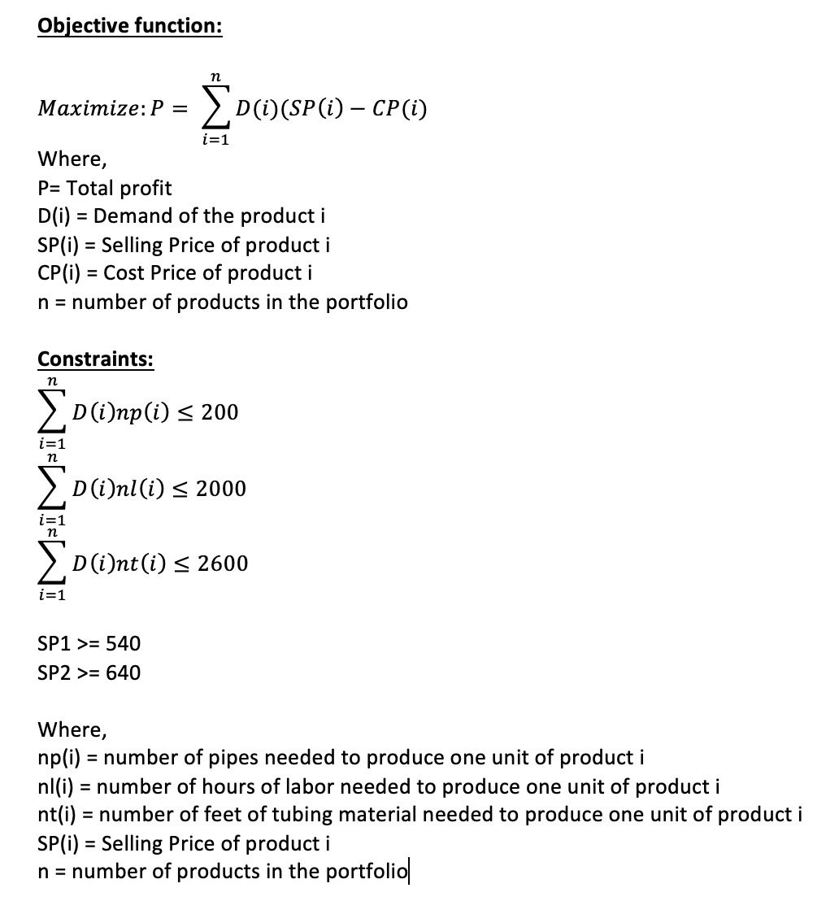
Q2-Using the demand functions from question 1, formulate an NLP model that identifies the optimal prices of Aqua-Spa and Hydro-Luxe hot tubs that would maximize the total profit for next month. (Hint: the number of units produced for each spa should be equal to the respective demand).

Decision variables:
We have 2 decision variables for this optimization model, P1 and P2. They are the prices for each tub type.
P1 denotes the Price per Aqua-spa tub,
P2 denotes the Priced per Hydro-Luxe tub.
Decision variables:
 | Decision | Denoted by
 | Price per Aqua-spa tub($) | P1
 | Price per Hydro-Luxe tub($) | P2

Input variables:
Demands D1,D2 are dependent variables & varies with prices P1 and P2 respectively, based on the constant elasticity function in our earlier analysis.
D1- Total demand for Aqua-spa tubs , D1=4,351,964.97(P1)^{-1.52}
D2 -Total demand for Hydro-Luxe tubs, D2 =3,258,406.79(P2)^{-1.41}
Cost prices C1,C2 are the cost incurred by the manufacturer to produce the tubs.
C1 -Manufacturing cost for Aqua-spa tubs , C2 -Manufacturing cost for Hydro-Luxe tubs
Input variables:
 | Inputs | Denoted by
 | Total demand for Aqua-spa tubs | D1
 | Total demand for Hydro-Luxe tubs | D2
 | Manufacturing cost for Aqua-spa tubs | C1
 | Manufacturing cost for Hydro-Luxe tubs | C2

Objective function:
The objective of this optimization model is to maximize the total monthly profit for Blue-Ridge Hot-tubs.
Mathematically, Objective function is the sum of product of demand and profit of the 2 tub types manufactured by Blue-Ridge.
(Profit is the difference between the Price and manufacturing cost of the respective tubs.)
Objective function:
 | Maximize the total monthly profit for Blue Ridge Hot Tubs.
 | Max[D1(P1-C1)+D2(P2-C2)]

Constraints:
 | Maximum pump (units) | D1+D2<=200
 | MaximumTubing material(ft) | 10D1+14D2<=2600
 | Maximum Labor(hours) | 8D1+10D2<=2000
Constraints:
We have 2 kinds of constraints in this model.
First one is the supply constraint. This denotes the total availability of the raw materials (the tubs require Pumps, tubing materials and labor) needed to manufacture the 2 types of tubs. So as per the problem statment,
Maximum pumps available is 200 units
Maximum tubing material available for production is 2600 feet.
Maximum labor hours available for production is 2000 hours.
The second type of constraint is the cost constraint.
In order to profit, the selling price of each Aqua-spa tub should at least be fixed at $540, as it costs that much to produce one Aqua-spa tub.
The selling price of each Hydro-Luxe tub should at least be fixed at $640, as it costs that much to produce one Hydro-Luxe tub.
The selling prices of each tub type should be a non-negative number.
 | Minimum price per Aqua-spa tub ($) | P1>=540
 | Minimum price per Hydro-Luxe tub($) | P2>=640
 | Non-negativity for P1,P2 | P1,P2 >= 0

Index notation representation:

Q3
...
 |  |  |  |  |  |  |  | Supply constraints from the given data:
 |  |  |  |  | Price | Manufacturing cost per unit |  | Tub type | Pumps(units) | Tubing material(ft) | Labor (hours)
 |  |  |  | P1= | $1,578.46 | $540.00 |  | Aqua-spa | 1 | 10 | 8
 |  |  |  | P2= | $2,200.98 | $640.00 |  | Hydro-Luxe | 1 | 14 | 10
 |  |  |  |  |  |  |  | Total availability | 200 | 2600 | 2000

Optimal solution given by the solver:
As per the solver analysis, we see the following values for the Prices P1 and P2,
Input variables D1 and D2 and the objective function.
Price per unit for Aqua-spa tub is $1578.46
Price per unit for Hydra-luxe tub is $2200.98
Demand for Aqua-spa is fixed at D1 = 59.89219356 (non-integer solution for demand)
Demand for Hydro-Luxe is fixed at D2 = 63.0838011 (non-integer solution for demand)
The solver solution is manually verified in the Profit Vs.Price charts for Aqua-spa and Hydro-Luxe tubs respectively, using varying values of Prices and we can see the profit peaks at their optimal solution of prices.
Constraints:
As per the solver analysis, we can see that all the raw materials are not consumed fully.
A total of 122.97 pumps units out of the available 200,only 1482.09 ft of the tubing material is used out of the 2600 ft and we use 1109.97 hours out of the available 2000 hours of the labor in the manufacturing process.
This is because the production is constrained to cater exactly to the demand and Blue-Ridge does not want to hold inventory.
Any excess usage of the raw materials would result in increased production and will impact the Price, hence the profit.
 |  |  |  | Aqua-spa tub | Hydro Luxe tub
 |  |  |  | 4,351,964.97 | 3,258,406.79
 |  |  |  | -1.52 | -1.41
 |  |  |  | 59.892193564 | 63.083801101
...
 |  |  |  | $62,195.67
 |  |  |  | $98,472.27
 |  |  |  | $160,667.93

Constraints:
 | Constraints |  |  | L.H.S |  | R.H.S
 | Maximum Pump(units) |  |  | 122.97599467 | <= | 200
 | MaximumTubing material(ft) |  |  | 1482.0951511 | <= | 2600
 | Maximum Labor(hours) |  |  | 1109.9755595 | <= | 2000
 | Minimum price per Aqua-spa tub ($) |  |  | 1578.4603075 | >= | 540
 | Minimum price per Hydro-Luxe tub($) |  |  | 2200.9755168 | >= | 640
 | Non-negativity for P1,P2 |  |  |  | >= | 0

Profit Vs. Price for Hydro-Luxe tubs
Profit Vs. Price for Aqua-spa tubs
$1578.46,$62195Profit Vs. Price for Aqua-spa tubs
.67
Verification of solver results:
 | Aqua-spa tubs |  | Hydro-Luxe tubs
 | Price($) | Profit($) | Price($) | Profit($)
 | $1,518.46 | $62,157.76 | $2,140.98 | $98,450.16
 | $1,528.46 | $62,169.63 | $2,150.98 | $98,457.03
 | $1,538.46 | $62,179.19 | $2,160.98 | $98,462.59
 | $1,548.46 | $62,186.50 | $2,170.98 | $98,466.86
 | $1,558.46 | $62,191.63 | $2,180.98 | $98,469.89
 | $1,568.46 | $62,194.67 | $2,190.98 | $98,471.68
 | $1,578.46 | $62,195.67 | $2,200.98 | $98,472.27
 | $1,588.46 | $62,194.69 | $2,210.98 | $98,471.69
 | $1,598.46 | $62,191.80 | $2,220.98 | $98,469.95
 | $1,608.46 | $62,187.06 | $2,230.98 | $98,467.09
 | $1,618.46 | $62,180.53 | $2,240.98 | $98,463.14

Comments on the integer solution:
As per the solver, we see the following demands for Aqua-spa and Hydro-Luxe tubs.
Demand for Aqua-spa - 59.89219356
Demand for Hydro-Luxe - 63.0838011
When encountered with non-integer demand values while in production, it is a good practice to round the non-integer to the nearest possible integer, provided all the constraints are met.
In our case, Demand for Aqua-spa can be rounded up to 60 and Demand for Hydro-Luxe can be rounded up to 64 as it still falls under the permissible limits of the supplies and labor constraints .
Integer solution for the number of each spa.

 | D1= | 60 | D2= | 64
 | Constraint |  | Equation |  | L.H.S |  | R.H.S
 | Maximum pump (units) |  | D1+D2<=200 |  | 124 | <= | 200
 | MaximumTubing material(ft) |  | 10D1+14D2<=2600 |  | 1496 | <= | 2600
 | Maximum Labor(hours) |  | 8D1+10D2<=2000 |  | 1120 | <= | 2000

Q4
...
 |  |  |  |  |  |  |  | Supply constraints from the given data:
 | Decision and inputs |  |  |  | Price | Manufacturing cost per unit |  | Tub type | Pumps(units) | Tubing material(ft) | Labor (hours)
 | Price per unit for Aqua-spa tub |  |  | P1= | $1,490.00 | $540.00 |  | Aqua-spa | 1 | 10 | 8
 | Price per unit for Hydra-luxe tub |  |  | P2= | $1,990.00 | $640.00 |  | Hydro-Luxe | 1 | 14 | 10
 |  |  |  |  |  |  |  | Total availability | 200 | 2600 | 2000

Optimal solution given by the solver:
As per the solver analysis, we see the following values for the Prices P1 and P2,
Input variables D1 and D2 and the objective function.
Price per unit for Aqua-spa tub is $1490.00
Price per unit for Hydra-luxe tub is $1990.00
Demand for Aqua-spa is fixed at D1 = 65.37960057 (non-integer solution for demand)
Demand for Hydro-Luxe is fixed at D2 = 72.71474147 (non-integer solution for demand)
The solver solution is manually verified in the Profit Vs.Price charts for Aqua-spa and Hydro-Luxe tubs respectively, using varying values of Prices and we can see that the Profit($) continues to rise beyond the constraint point as well.
Constraints:
As per the solver analysis, we can see that all the raw materials and labor are not consumed fully.
A total of 138.09 pumps units out of the available 200, 1671.802 ft of the tubing material is used out of the 2600 ft and 1250.1842 hours of labor are used in the manufacturing process.
This is because the production is constrained to cater exactly to the demand and Blue-Ridge does not want to hold inventory.
Any excess usage of the raw materials would result in increased production and will impact the Price ,Demand hence the profit.
Also the Maximum prices of Aqua-spa and Hydro-Luxe are fixed at $1490 and $1990 respectively.
This impacts the total units produced and the amount of raw materials consumed.
 | Demand function |  |  | Aqua-spa tub | Hydro Luxe tub
 | Constant |  |  | 4,351,964.97 | 3,258,406.79
 | Elasticity |  |  | -1.52 | -1.41
 | Demand |  |  | 65.379600571 | 72.714741466
...
 | Total profit for Aqua-spa tubs |  |  | $62,110.62
 | Total profit for Hydro-Luxe tubs |  |  | $98,164.90
 | Objective function |  |  | $160,275.52
...
 | Constraints |  |  | L.H.S |  | R.H.S
 | Maximum Pump(units) |  |  | 138.09434204 | <= | 200
 | MaximumTubing material(ft) |  |  | 1671.8023862 | <= | 2600
 | Maximum Labor(hours) |  |  | 1250.1842192 | <= | 2000
 | Minimum price per Aqua-spa tub ($) |  |  | 1490 | >= | 540
 | Minimum price per Hydro-Luxe tub($) |  |  | 1990 | >= | 640
 | Maximum price per Aqua-spa tub ($) |  |  | 1490 | <= | 1490
 | Maximum price per Hydro-Luxe tub($) |  |  | 1990 | <= | 1990
 | Non-negativity for P1,P2 |  |  |  | >= | 0

Formulation of the new constraints:
 | Maximum price per Aqua-spa tub ($) |  |  | P1<=1490
 | Maximum price per Hydro-Luxe tub($) |  |  | P2<=1990

Profit Vs. Price for Aqua-spa tubs
Profit Vs. Price for Hydro-Luxe tubs
$1490,$62110.62 (selling price constraint)
Verification of solver results:
 | Aqua-spa tubs |  | Hydro-Luxe tubs
 | Price($) | Profit($) | Price($) | Profit($)
 | $1,410.00 | $61,857.39 | $1,910.00 | $97,848.00
 | $1,420.00 | $61,899.88 | $1,920.00 | $97,895.01
 | $1,430.00 | $61,939.06 | $1,930.00 | $97,939.80
 | $1,440.00 | $61,975.05 | $1,940.00 | $97,982.43
 | $1,450.00 | $62,007.96 | $1,950.00 | $98,022.96
 | $1,460.00 | $62,037.87 | $1,960.00 | $98,061.42
 | $1,470.00 | $62,064.89 | $1,970.00 | $98,097.87
 | $1,480.00 | $62,089.11 | $1,980.00 | $98,132.35
 | $1,490.00 | $62,110.62 | $1,990.00 | $98,164.90
 | $1,500.00 | $62,129.51 | $2,000.00 | $98,195.57
 | $1,510.00 | $62,145.85 | $2,010.00 | $98,224.41
 | $1,520.00 | $62,159.74 | $2,020.00 | $98,251.45

Comparison of the results:
Price per unit for Aqua-spa tub is reduced by about 5.6% after applying the selling price constraint.
Price per unit for Hydra-luxe tub is reduced by about 9.5% after applying the selling price constraint.
This price change does not impact the Total profits(objective function) in a significant way(there is about a 0.24% reduction)
This also results in an increase in demand, which could positively influence the brand value of the company by increasing market penetration.
More customers could result in positive review both online and word-of-mouth.
Hence this model with constraints on selling price could prove to be a better business decision overall.
 |  |  |  | Comparision of results with no upper limit on pricing with the results from applying limits on the maximum selling prices(P1,P2)

 |  |  |  | Parameters |  | With no limits on selling price | With limits on selling price
 |  |  |  | Price per unit for Aqua-spa tub |  | $1,578.46 | $1,490.00
 |  |  |  | Price per unit for Hydra-luxe tub |  | $2,200.98 | $1,990.00
 |  |  |  | Demand for Aqua-spa tub |  | 60 | 65
 |  |  |  | Demand for Hydro-Luxe tub |  | 63 | 73
 |  |  |  | Total profit for Aqua-spa tubs |  | $62,195.67 | $62,110.62
 |  |  |  | Total profit for Hydro-Luxe tubs |  | $98,472.27 | $98,164.90
 |  |  |  | Objective function |  | $160,667.93 | $160,275.52

Q5-sensitivity analysis
 |  | Sensitivity of Total Profit($) to Input

When you select an output from the dropdown list in cell $K$4, the chart will adapt to that output.
Sensitivity of Total Profit($) to Input
1500 | 155267.53
1520 | 155670.25
1540 | 156049.11
1560 | 156405.36
1580 | 156740.15
1600 | 157054.58
1620 | 157349.7
1640 | 157626.48
1660 | 157885.82
1680 | 158128.6
1700 | 158355.62
1720 | 158567.66
1740 | 158765.45
1760 | 158949.66
1780 | 159120.94
1800 | 159279.92
1820 | 159427.16
1840 | 159563.22
1860 | 159688.61
1880 | 159803.84
1900 | 159909.36
1920 | 160005.63
1940 | 160093.05
1960 | 160172.04
1980 | 160242.97
2000 | 160306.2
2020 | 160362.07
2040 | 160410.91
2060 | 160453.03
2080 | 160488.73
2100 | 160518.29
2120 | 160541.97
2140 | 160560.04
2160 | 160572.72
2180 | 160580.26
2200 | 160582.88
2220 | 160582.89
2240 | 160582.89
2260 | 160582.89
2280 | 160582.89
2300 | 160582.89
2320 | 160582.89
2340 | 160582.89
2360 | 160582.89
2380 | 160582.89
2400 | 160582.89
2420 | 160582.89
2440 | 160582.89
2460 | 160582.89
2480 | 160582.89
...
 |  | Data for chart
Price(hydroluxe)$ | 1 | Total Profit($)
$1,500.00 |  | 155267.53
$1,520.00 |  | 155670.25
$1,540.00 |  | 156049.11
$1,560.00 |  | 156405.36
$1,580.00 |  | 156740.15
$1,600.00 |  | 157054.58
$1,620.00 |  | 157349.7
$1,640.00 |  | 157626.48
$1,660.00 |  | 157885.82
$1,680.00 |  | 158128.6
$1,700.00 |  | 158355.62
$1,720.00 |  | 158567.66
$1,740.00 |  | 158765.45
Observations from the sensitivity analysis:
Sensitivity of maximum total profit to change in maximum prices of Hydro-Luxe tub:
The maximum total profit shows an uoward trend when the maximum price is between $1500 and $2220. Beyond that it stabilizes and stays at $160,582.89
The demand and the optimal price for Aqua-spa tubs does not get affected by the changes in maximum price variations of Hydro-Luxe tubs.
However, the price variations of Hydro-Luxe has a direct impact on its own demand. When priced at $1500, the demand starts at 108.322 units but as the price increases the demand falls and hits a low of 63.0838 when the price is at $2500
When it comes to the optimal price, as long as the maximum price constraint is less than or equal to the optimal price, the price suggested by the model will be equal to the constraint. When the maximum price constraint is greater than the optimal price, the model recommendation remains at the optimal price.(the same price as in the earlier model with no constraints on maximum price)
$1,760.00 |  | 158949.66
$1,780.00 |  | 159120.94
$1,800.00 |  | 159279.92
$1,820.00 |  | 159427.16
$1,840.00 |  | 159563.22
$1,860.00 |  | 159688.61
$1,880.00 |  | 159803.84
$1,900.00 |  | 159909.36
$1,920.00 |  | 160005.63
$1,940.00 |  | 160093.05
$1,960.00 |  | 160172.04
$1,980.00 |  | 160242.97
$2,000.00 |  | 160306.2
$2,020.00 |  | 160362.07
$2,040.00 |  | 160410.91
$2,060.00 |  | 160453.03
$2,080.00 |  | 160488.73
$2,100.00 |  | 160518.29
$2,120.00 |  | 160541.97
$2,140.00 |  | 160560.04
$2,160.00 |  | 160572.72
$2,180.00 |  | 160580.26
$2,200.00 |  | 160582.88
$2,200.98 |  | 160582.89
$2,200.98 |  | 160582.89
$2,200.99 |  | 160582.89
$2,200.98 |  | 160582.89
$2,200.98 |  | 160582.89
$2,200.98 |  | 160582.89
$2,200.98 |  | 160582.89
...

