Formulation
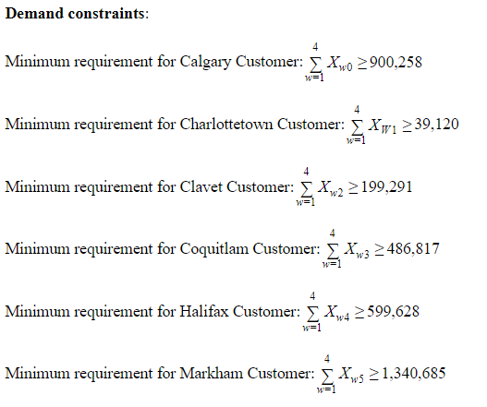
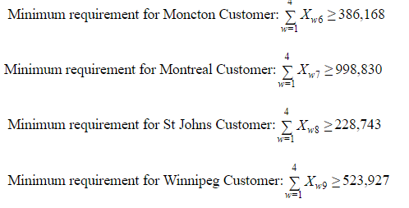
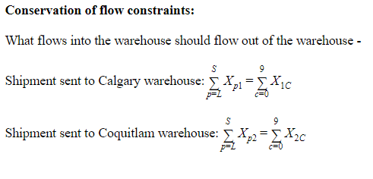
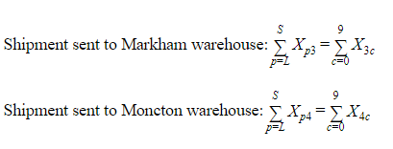
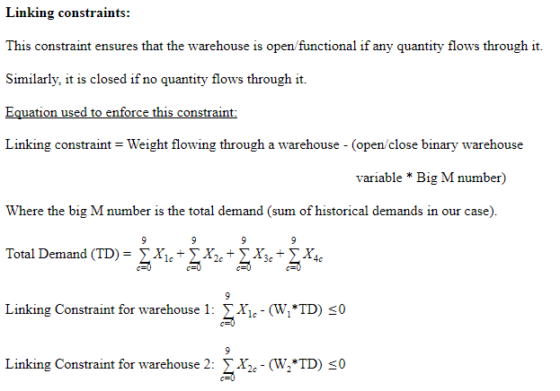
Inputs:
p | index for plants of Chicago Tools (p = L, S)
 | L= Litchfield; S = Sacramento
w | index for warehouses (w = 1,2,3,4)
 | 1 = Calgary; 2 = Coquitlam; 3 = Markham; 4 =Moncton
c | index for Customers (c = 0 to 9)
 | 0 = Calgary; 1 = Charlottetown; 2 = Clavet; 3= Coquitlam; 4 = Halifax; 5 = Markham; 6 = Moncton; 7 = Montreal; 8 = St Johns; 9 = Winnipeg
X | Weights being shipped from origin to destination
Cw | Cost of operating warehouse
Dpw | Distance between plant and warehouses
Dwc | Distance between warehouse and customers
Rpw | Rate ($/mi/lb.) of shipment between plant and warehouses
Rwc | Rate ($/mi/lb.) of shipment between warehouses and customers

Decision variables:
Xpw | Weights being shipped from plant to warehouse
 | (where p = L, S and w = 1,2,3,4)
Xwc | Weights being shipped from plant to warehouse
 | (where w = 1 to 4 and c = 0 to 9)
Ww | Binary variable (0-1) showcasing Warehouse being close or open
 | (where w = 1 to 4)

Illustration of decision variables for Inbound and Outbound flow:
Weight (lbs.) | Warehouses
Plants | Calgary | Coquitlam | Markham | Moncton
Litchfield | XL1 | XL2 | XL3 | XL4
Sacramento | XS1 | XS2 | XS3 | XS4

Weight (lbs.) | Customers
Warehouses | Calgary | Charlottetown | Clavet | Coquitlam | Halifax | Markham | Moncton | Montreal | St Johns | Winnipeg
Calgary | X10 | X11 | X12 | X13 | X14 | X15 | X16 | X17 | X18 | X19
Coquitlam | X20 | X21 | X22 | X23 | X24 | X25 | X26 | X27 | X28 | X29
Markham | X30 | X31 | X32 | X33 | X34 | X35 | X36 | X37 | X38 | X39
Moncton | X40 | X41 | X42 | X43 | X44 | X45 | X46 | X47 | X48 | X49

Warehouse | Calgary | Coquitlam | Markham | Moncton
Open/close | W1 | W2 | W3 | W4

Objective function:
Minimize total shipment cost i.e. minimize both Inbound shipment cost and outbound shipment cost which is a function of Distance between origin and destination along with weight and rate of shipment. It also includes warehouse operational cost which is dependent on number of functional/open warehouses.

2-way capacity check
Twoway analysis for Solver model in Opt -transportation+WH cost worksheet |  |  |  |  |  |  |  |  |  |  |  |  |  |  |  |  |  |  |  |  |  |  | Sensitivity of $C$42 to SAC max capacity |  |  |  | Sensitivity of $C$42 to LF max capacity
 |  |  |  |  |  |  |  |  |  |  |  |  |  |  |  |  |  |  |  |  |  |  | Output and LF max capacity value for chart |  |  |  | Output and SAC max capacity value for chart |  |  | $C$42
LF max capacity (cell $M$29) values along side, SAC max capacity (cell $M$30) values along top, output cell in corner |  |  |  |  |  |  |  |  |  |  |  |  |  |  |  |  |  |  |  |  |  |  | Output | LF max capacity value |  |  | Output | SAC max capacity value
$C$42 | 1,500,000 | 1,600,000 | 1,700,000 | 1,800,000 | 1,900,000 | 2,000,000 | 2,100,000 | 2,200,000 | 2,300,000 | 2,400,000 | 2,500,000 | 2,600,000 | 2,700,000 | 2,800,000 | 2,900,000 | 3,000,000 | 3,100,000 | 3,200,000 | 3,300,000 | 3,400,000 | 3,500,000 | 1 | $C$42 | 4000000 | 5 | 1 | $C$42 | 2300000 | 9
3,600,000 | Not feasible | Not feasible | Not feasible | Not feasible | Not feasible | Not feasible | Not feasible | $1,459,646.12 | $1,459,646.12 | $1,459,646.12 | $1,459,646.12 | $1,459,646.12 | $1,459,646.12 | $1,459,646.12 | $1,459,646.12 | $1,459,646.12 | $1,459,646.12 | $1,459,646.12 | $1,459,646.12 | $1,459,646.12 | $1,459,646.12 | OutputValues_1 | Not feasible |  |  | OutputValues_1 | 1459646.12
3,700,000 | Not feasible | Not feasible | Not feasible | Not feasible | Not feasible | Not feasible | $1,460,031.08 | $1,459,646.12 | $1,459,646.12 | $1,459,646.12 | $1,459,646.12 | $1,459,646.12 | $1,459,646.12 | $1,459,646.12 | $1,459,646.12 | $1,459,646.12 | $1,459,646.12 | $1,459,646.12 | $1,459,646.12 | $1,459,646.12 | $1,459,646.12 |  | Not feasible |  |  |  | 1459646.12
By making appropriate selections in cells $X$4, $Y$4, $AB$4, and $AC$4, you can chart any row (in left chart) or column (in right chart) of any table to the left.
3,800,000 | Not feasible | Not feasible | Not feasible | Not feasible | Not feasible | $1,463,771.08 | $1,460,031.08 | $1,459,646.12 | $1,459,646.12 | $1,459,646.12 | $1,459,646.12 | $1,459,646.12 | $1,459,646.12 | $1,459,646.12 | $1,459,646.12 | $1,459,646.12 | $1,459,646.12 | $1,459,646.12 | $1,459,646.12 | $1,459,646.12 | $1,459,646.12 |  | Not feasible |  |  |  | 1459646.12
3,900,000 | Not feasible | Not feasible | Not feasible | Not feasible | $1,467,511.08 | $1,463,771.08 | $1,460,031.08 | $1,459,646.12 | $1,459,646.12 | $1,459,646.12 | $1,459,646.12 | $1,459,646.12 | $1,459,646.12 | $1,459,646.12 | $1,459,646.12 | $1,459,646.12 | $1,459,646.12 | $1,459,646.12 | $1,459,646.12 | $1,459,646.12 | $1,459,646.12 |  | 1471251.08 |  |  |  | 1459646.12
4,000,000 | Not feasible | Not feasible | Not feasible | $1,471,251.08 | $1,467,511.08 | $1,463,771.08 | $1,460,031.08 | $1,459,646.12 | $1,459,646.12 | $1,459,646.12 | $1,459,646.12 | $1,459,646.12 | $1,459,646.12 | $1,459,646.12 | $1,459,646.12 | $1,459,646.12 | $1,459,646.12 | $1,459,646.12 | $1,459,646.12 | $1,459,646.12 | $1,459,646.12 |  | 1467511.08 |  |  |  | 1459646.12
4,100,000 | Not feasible | Not feasible | $1,474,991.08 | $1,471,251.08 | $1,467,511.08 | $1,463,771.08 | $1,460,031.08 | $1,459,646.12 | $1,459,646.12 | $1,459,646.12 | $1,459,646.12 | $1,459,646.12 | $1,459,646.12 | $1,459,646.12 | $1,459,646.12 | $1,459,646.12 | $1,459,646.12 | $1,459,646.12 | $1,459,646.12 | $1,459,646.12 | $1,459,646.12 |  | 1463771.08 |  |  |  | 1459646.12
4,200,000 | Not feasible | $1,478,731.08 | $1,474,991.08 | $1,471,251.08 | $1,467,511.08 | $1,463,771.08 | $1,460,031.08 | $1,459,646.12 | $1,459,646.12 | $1,459,646.12 | $1,459,646.12 | $1,459,646.12 | $1,459,646.12 | $1,459,646.12 | $1,459,646.12 | $1,459,646.12 | $1,459,646.12 | $1,459,646.12 | $1,459,646.12 | $1,459,646.12 | $1,459,646.12 |  | 1460031.08 |  |  |  | 1459646.12
4,300,000 | $1,483,723.38 | $1,478,731.08 | $1,474,991.08 | $1,471,251.08 | $1,467,511.08 | $1,463,771.08 | $1,460,031.08 | $1,459,646.12 | $1,459,646.12 | $1,459,646.12 | $1,459,646.12 | $1,459,646.12 | $1,459,646.12 | $1,459,646.12 | $1,459,646.12 | $1,459,646.12 | $1,459,646.12 | $1,459,646.12 | $1,459,646.12 | $1,459,646.12 | $1,459,646.12 |  | 1459646.12 |  |  |  | 1459646.12
4,400,000 | $1,483,723.38 | $1,478,731.08 | $1,474,991.08 | $1,471,251.08 | $1,467,511.08 | $1,463,771.08 | $1,460,031.08 | $1,459,646.12 | $1,459,646.12 | $1,459,646.12 | $1,459,646.12 | $1,459,646.12 | $1,459,646.12 | $1,459,646.12 | $1,459,646.12 | $1,459,646.12 | $1,459,646.12 | $1,459,646.12 | $1,459,646.12 | $1,459,646.12 | $1,459,646.12 |  | 1459646.12 |  |  |  | 1459646.12
4,500,000 | $1,483,723.38 | $1,478,731.08 | $1,474,991.08 | $1,471,251.08 | $1,467,511.08 | $1,463,771.08 | $1,460,031.08 | $1,459,646.12 | $1,459,646.12 | $1,459,646.12 | $1,459,646.12 | $1,459,646.12 | $1,459,646.12 | $1,459,646.12 | $1,459,646.12 | $1,459,646.12 | $1,459,646.12 | $1,459,646.12 | $1,459,646.12 | $1,459,646.12 | $1,459,646.12 |  | 1459646.12 |  |  |  | 1459646.12
4,600,000 | $1,483,723.38 | $1,478,731.08 | $1,474,991.08 | $1,471,251.08 | $1,467,511.08 | $1,463,771.08 | $1,460,031.08 | $1,459,646.12 | $1,459,646.12 | $1,459,646.12 | $1,459,646.12 | $1,459,646.12 | $1,459,646.12 | $1,459,646.12 | $1,459,646.12 | $1,459,646.12 | $1,459,646.12 | $1,459,646.12 | $1,459,646.12 | $1,459,646.12 | $1,459,646.12 |  | 1459646.12 |  |  |  | 1459646.12
4,700,000 | $1,483,723.38 | $1,478,731.08 | $1,474,991.08 | $1,471,251.08 | $1,467,511.08 | $1,463,771.08 | $1,460,031.08 | $1,459,646.12 | $1,459,646.12 | $1,459,646.12 | $1,459,646.12 | $1,459,646.12 | $1,459,646.12 | $1,459,646.12 | $1,459,646.12 | $1,459,646.12 | $1,459,646.12 | $1,459,646.12 | $1,459,646.12 | $1,459,646.12 | $1,459,646.12 |  | 1459646.12 |  |  |  | 1459646.12
4,800,000 | $1,483,723.38 | $1,478,731.08 | $1,474,991.08 | $1,471,251.08 | $1,467,511.08 | $1,463,771.08 | $1,460,031.08 | $1,459,646.12 | $1,459,646.12 | $1,459,646.12 | $1,459,646.12 | $1,459,646.12 | $1,459,646.12 | $1,459,646.12 | $1,459,646.12 | $1,459,646.12 | $1,459,646.12 | $1,459,646.12 | $1,459,646.12 | $1,459,646.12 | $1,459,646.12 |  | 1459646.12 |  |  |  | 1459646.12
4,900,000 | $1,483,723.38 | $1,478,731.08 | $1,474,991.08 | $1,471,251.08 | $1,467,511.08 | $1,463,771.08 | $1,460,031.08 | $1,459,646.12 | $1,459,646.12 | $1,459,646.12 | $1,459,646.12 | $1,459,646.12 | $1,459,646.12 | $1,459,646.12 | $1,459,646.12 | $1,459,646.12 | $1,459,646.12 | $1,459,646.12 | $1,459,646.12 | $1,459,646.12 | $1,459,646.12 |  | 1459646.12 |  |  |  | 1459646.12
5,000,000 | $1,483,723.38 | $1,478,731.08 | $1,474,991.08 | $1,471,251.08 | $1,467,511.08 | $1,463,771.08 | $1,460,031.08 | $1,459,646.12 | $1,459,646.12 | $1,459,646.12 | $1,459,646.12 | $1,459,646.12 | $1,459,646.12 | $1,459,646.12 | $1,459,646.12 | $1,459,646.12 | $1,459,646.12 | $1,459,646.12 | $1,459,646.12 | $1,459,646.12 | $1,459,646.12 |  | 1459646.12 |  |  |  | 1459646.12
5,100,000 | $1,483,723.38 | $1,478,731.08 | $1,474,991.08 | $1,471,251.08 | $1,467,511.08 | $1,463,771.08 | $1,460,031.08 | $1,459,646.12 | $1,459,646.12 | $1,459,646.12 | $1,459,646.12 | $1,459,646.12 | $1,459,646.12 | $1,459,646.12 | $1,459,646.12 | $1,459,646.12 | $1,459,646.12 | $1,459,646.12 | $1,459,646.12 | $1,459,646.12 | $1,459,646.12 |  | 1459646.12 |  |  |  | 1459646.12
5,200,000 | $1,483,723.38 | $1,478,731.08 | $1,474,991.08 | $1,471,251.08 | $1,467,511.08 | $1,463,771.08 | $1,460,031.08 | $1,459,646.12 | $1,459,646.12 | $1,459,646.12 | $1,459,646.12 | $1,459,646.12 | $1,459,646.12 | $1,459,646.12 | $1,459,646.12 | $1,459,646.12 | $1,459,646.12 | $1,459,646.12 | $1,459,646.12 | $1,459,646.12 | $1,459,646.12 |  | 1459646.12 |  |  |  | 1459646.12
5,300,000 | $1,483,723.38 | $1,478,731.08 | $1,474,991.08 | $1,471,251.08 | $1,467,511.08 | $1,463,771.08 | $1,460,031.08 | $1,459,646.12 | $1,459,646.12 | $1,459,646.12 | $1,459,646.12 | $1,459,646.12 | $1,459,646.12 | $1,459,646.12 | $1,459,646.12 | $1,459,646.12 | $1,459,646.12 | $1,459,646.12 | $1,459,646.12 | $1,459,646.12 | $1,459,646.12 |  | 1459646.12 |  |  |  | 1459646.12
5,400,000 | $1,483,723.38 | $1,478,731.08 | $1,474,991.08 | $1,471,251.08 | $1,467,511.08 | $1,463,771.08 | $1,460,031.08 | $1,459,646.12 | $1,459,646.12 | $1,459,646.12 | $1,459,646.12 | $1,459,646.12 | $1,459,646.12 | $1,459,646.12 | $1,459,646.12 | $1,459,646.12 | $1,459,646.12 | $1,459,646.12 | $1,459,646.12 | $1,459,646.12 | $1,459,646.12 |  | 1459646.12 |  |  |  | 1459646.12
5,500,000 | $1,483,723.38 | $1,478,731.08 | $1,474,991.08 | $1,471,251.08 | $1,467,511.08 | $1,463,771.08 | $1,460,031.08 | $1,459,646.12 | $1,459,646.12 | $1,459,646.12 | $1,459,646.12 | $1,459,646.12 | $1,459,646.12 | $1,459,646.12 | $1,459,646.12 | $1,459,646.12 | $1,459,646.12 | $1,459,646.12 | $1,459,646.12 | $1,459,646.12 | $1,459,646.12 |  | 1459646.12 |  |  |  | 1459646.12
5,600,000 | $1,483,723.38 | $1,478,731.08 | $1,474,991.08 | $1,471,251.08 | $1,467,511.08 | $1,463,771.08 | $1,460,031.08 | $1,459,646.12 | $1,459,646.12 | $1,459,646.12 | $1,459,646.12 | $1,459,646.12 | $1,459,646.12 | $1,459,646.12 | $1,459,646.12 | $1,459,646.12 | $1,459,646.12 | $1,459,646.12 | $1,459,646.12 | $1,459,646.12 | $1,459,646.12 |  | 1459646.12 |  |  |  | 1459646.12
Sensitivity of objective function to Sacramento production capacity
Sensitivity of objective function to Litchfield production capacity

Optimal WH need
Oneway analysis for Solver model in Opt -transportation+4WH cost worksheet |  |  | Sensitivity of Total Cost to Input

When you select an output from the dropdown list in cell $K$4, the chart will adapt to that output.
Impact of warehouses on Total supply chain cost
Input (cell $D$25) values along side, output cell(s) along top |  |  | Data for chart
 | Total Cost | 1 | Total Cost
1 | $1,951,845.87 |  | 1951845.87
2 | $1,463,771.08 |  | 1463771.08
3 | $1,542,157.19 |  | 1542157.19
4 | $1,668,939.91 |  | 1668939.91

