Renditions
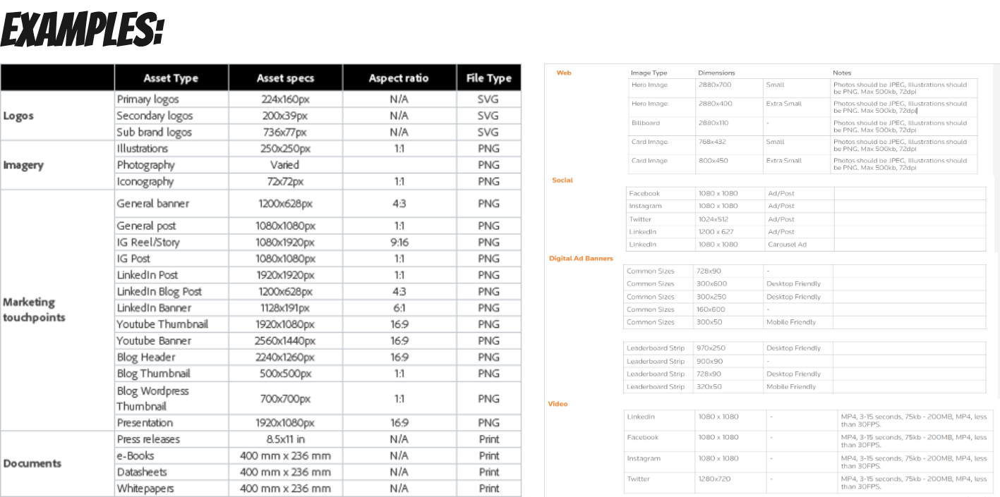
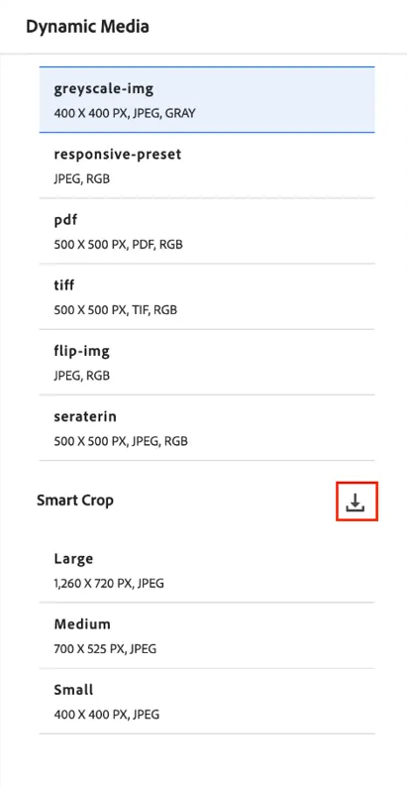
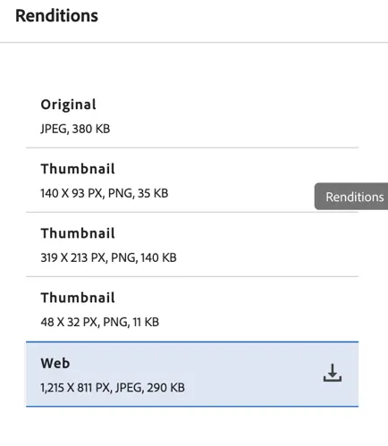
Source | Preset Name | Asset specs | Aspect ratio | File Type
Foundational | General post | 1080x1080px | 1:1 (Aspect ratio) | JPG/PNG
Foundational | Generic | 1920x1440px | 4:3 (Aspect ratio) | JPG/PNG
Agencies | Social (Raster/Pixel)_9-16 | 1080x1920px | 9:16 (Aspect ratio) | JPG/PNG
 | Social (Raster/Pixel)_4-5 | 1080x1350px | 4:5 (Aspect ratio) | JPG/PNG
 | Logo (Vector) PNG | Retain Original | Retain Original | PNG
 | Logo (Vector) EPS | Retain Original | Retain Original | PNG
 | Youtube Banner | 2560x1440px | 16:9 (Aspect ratio) | PNG
 | Portrait | 1200x1500px | 4:5 (Aspect ratio) | JPG/PNG
 | Wide | 1000x500px | 2:1 (Aspect ratio) | JPG/PNG

Search Facets (2)
Starbucks 2024 | Search Facets (Left Search Navigation)
Recommended Filters | Values | Type | Metadata Field Mapping | Notes | Starbucks Feedback | Brand Portal Availability | METADATA KEY - EXAMPLES
Fiscal Year |  | Multiselect | ./jcr:content/metadata/sbux_dam:fiscal_year |  |  | Brand Portal - Yes | Tag Select (Multiselect): this is referencing current metadata using tag values.
 | FY25
 | FY24
 | FY23
 | FY22
 | FY21
 | Full list of values
Season |  | Multiselect | ./jcr:content/metadata/sbux_dam:season |  |  | Brand Portal - Yes
 | Spring |  |  |  |  |  | Multiselect: this is referencing current metadata using dropdown values.
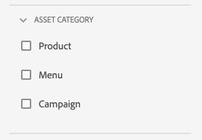
 | Summer
 | Winter
 | Holiday
 | Fall
 | Non-Seasonal
 | Single Job
 | Full list of seasons
Region + Country |  | Tag Select (Multiselect) | ./jcr:content/metadata/sbux_dam:region_used_for |  |  | Brand Portal - Yes
 | APAC |  |  |  |  |  | Single-select: this is referencing current metadata using dropdown values that are single-select.
 | LAC
 | EMEA
 | North America
 | Full list of regions and countries
Enterprise Product Hierarchy (EPH) |  | Tag Select (Multiselect) | ./jcr:content/metadata/sbux_dam:productTags | Note: Based on EPH |  | Brand Portal - Yes
 | Food
 | Beverage
 | At Home
 | Merchandise
 | Based on EPH Tags
Background Color |  | Multiselect | ./jcr:content/metadata/sbux_dam:background_color |  |  | Brand Portal - Yes
 | Gray
 | Green
 | Slate Green
 | White
 | Red
 | Gold
Asset Color |  | OOTB |  | Color selector |  | Unavailble
Vessel Type (or Presentation) |  | Multiselect | ./jcr:content/metadata/sbux_dam:Vessel |  |  | Brand Portal - Yes
 | Full list of vessel types
Asset Category |  | Tag Select (Multiselect) | ./jcr:content/metadata/sbux_dam:assetcategory |  |  | Brand Portal - Yes
 | Infographic
 | Video
 | Banner
 | Illustration
 | Background
 | Icon
 | Full list of asset categories |  |  | **[Link to Spreadsheet] is referencing WIP Tag & Controlled Vocabulary
Content Type |  | Tag Select (Multiselect) | ./jcr:content/metadata/sbux_dam:content-type |  |  | Brand Portal - Yes
 | Menu
 | Signage
 | Product Packaging
 | Brand Guidelines
 | Campaign
 | Gift Cards
 | Full list of content types
File Type |  | OOTB | ./jcr:content/metadata/dc:format |  |  | Brand Portal - Yes
 | Based on files in results
Language |  | Multiselect | ./jcr:content/metadata/dc:language | Identify language |  | Brand Portal - Yes
 | English | es
 | French | fr
 | German | de
 | Italian | it
 | Mandarin | zh
 | Portuguese | pt
 | Spanish | es
 | Link to Values
Tags |  | Tag Select | cq:tags | Open ended tag selector to filter by relevant tags |  | Brand Portal - Yes
Status |  | OOTB |  | OOTB - includes: - Publish (publish or unpublished) - Published Date - Last Published By - Approval - Checkout - Expiry - Dynamic Media - Brand Portal | Dropdown (Multiselect) | Brand Portal - Yes
Review Status |  | Multiselect | ./jcr:content/metadata/sbux_dam:review_status
 | New
 | Review Complete
 | Needs Review
Publish Status |  | Multiselect |  |  | Added back since this can't be adjusted on the OOTB Status
 | Published
 | Scheduled Publish
 | Scheduled Unpublish
 | Not Published
Business Unit |  | Multiselect | ./jcr:content/metadata/sbux_dam:business_unit
 | AP Marketing
 | Channel CPG
 | Channel Food Services
 | Channel Packaging
 | Creative
 | EMEA Marketing
 | Full list of Business Unit values
Vendor |  | Multiselect | ./jcr:content/metadata/sbux_dam:vendor
 | Imagine
 | Westrock
 | Transcontinental
 | Full list of Vendor values
Primary Display |  | Single Select | ./jcr:content/metadata/sbux_dam:primary |  | Maintain customization from current-state AMS
 | Yes
 | No
Preview Enabled |  | Single Select | ./jcr:content/metadata/sbux_dam:preview
 | Yes
 | No
Locale |  | Multiselect | ./jcr:content/metadata/sbux_dam:locale
 | CA-English
 | CA-French
 | US-English
 | Full list of locales
Uploaded On |  | OOTB |  | Date / timeline range |  | Brand Portal - Yes
Uploaded By |  | OOTB |  | Who created / uploaded |  | Brand Portal - Yes
Last Modified On |  | OOTB |  | Date / timeline range |  | Brand Portal - Yes
Last Modified By |  | OOTB |  | Who modified |  | Brand Portal - Yes
File Size |  | OOTB |  | Size range and units |  | Brand Portal - Yes
Content Fragment Model |  | OOTB |  | Choose content fragment model

