Analysis of stores
Analysis Charts from 2023-02-21 to 2023-04-20

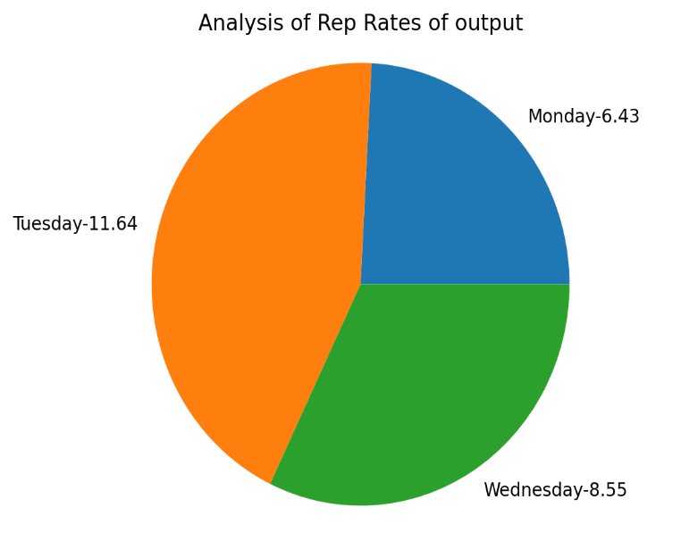
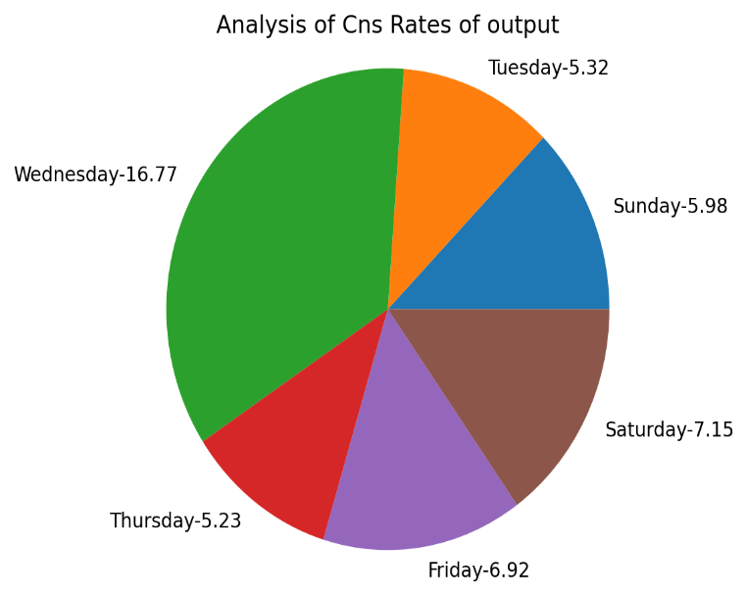
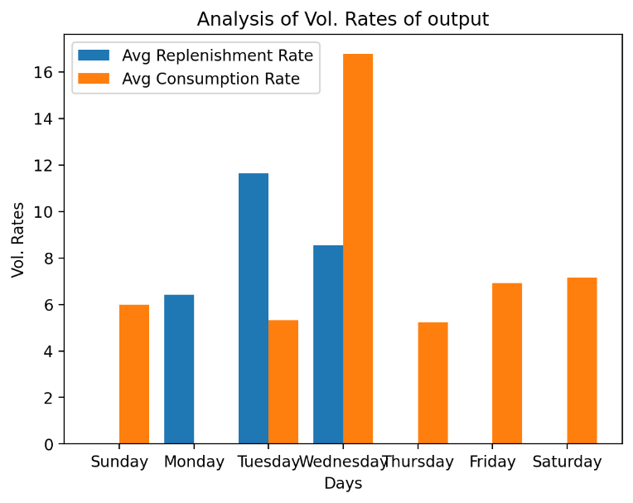
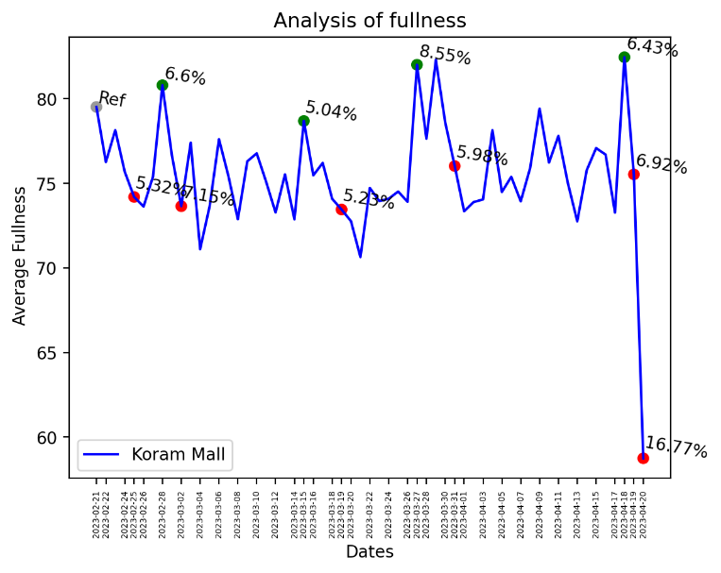

 |  | Trends Beauty Stores | MTTR(Days) | MTTC(Days) | Replenishment Rate(Vol) | Consumption Rate(Vol) | Avg.Shelf-Fullness
 | 0 | output | 10.5 | 2.67 | 6.66 | 7.9 | 75.44%

