Analysis of stores
Analysis Charts from 2023-01-29 to 2023-03-03

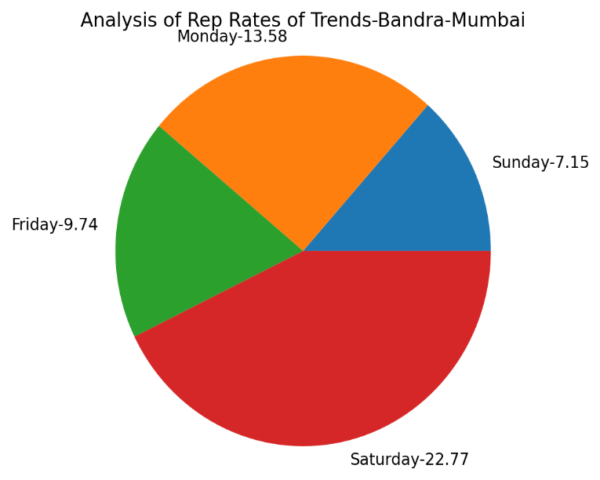
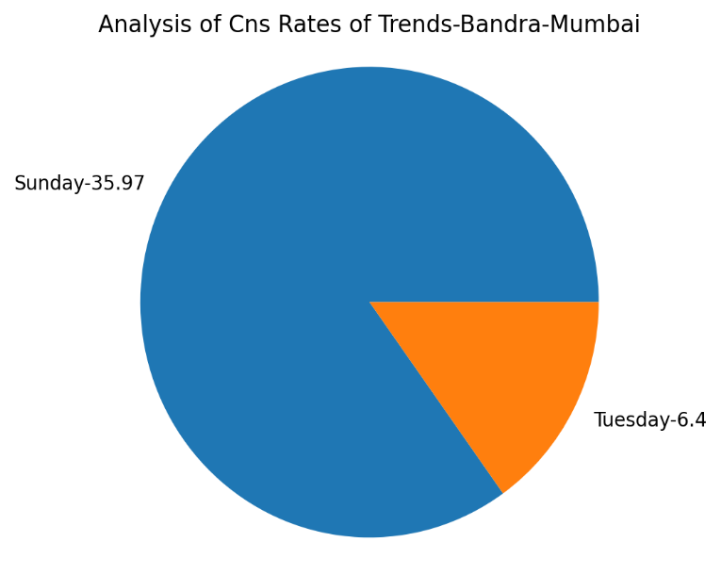
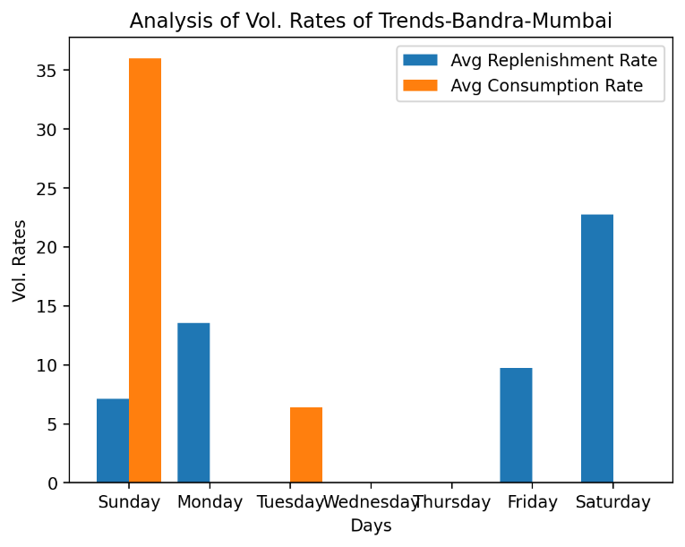
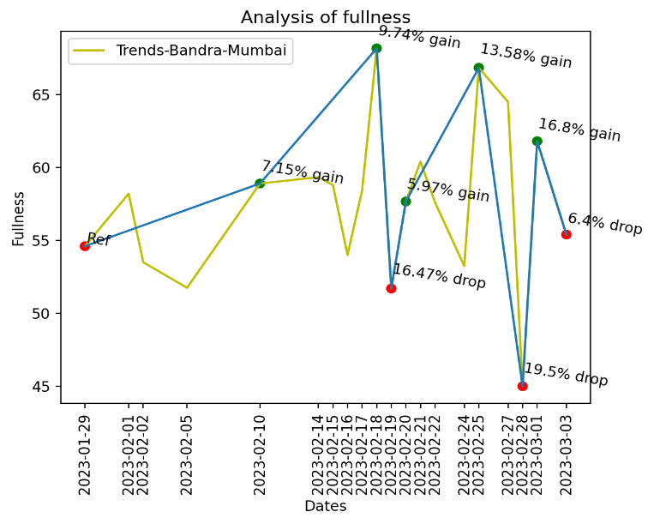

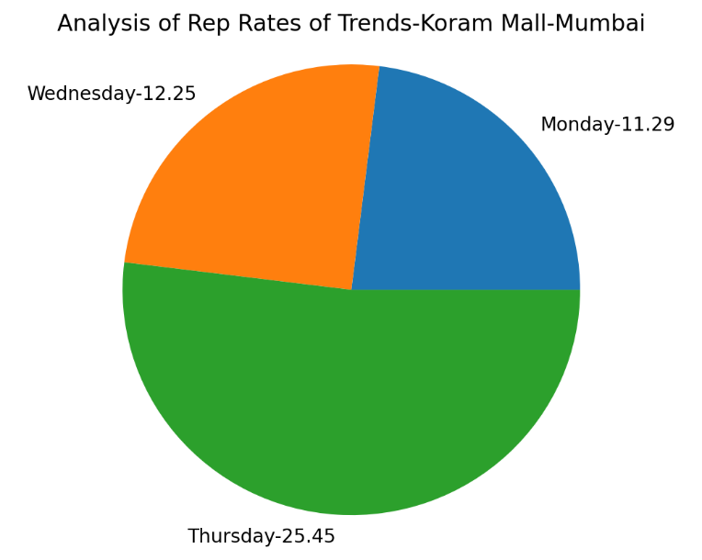
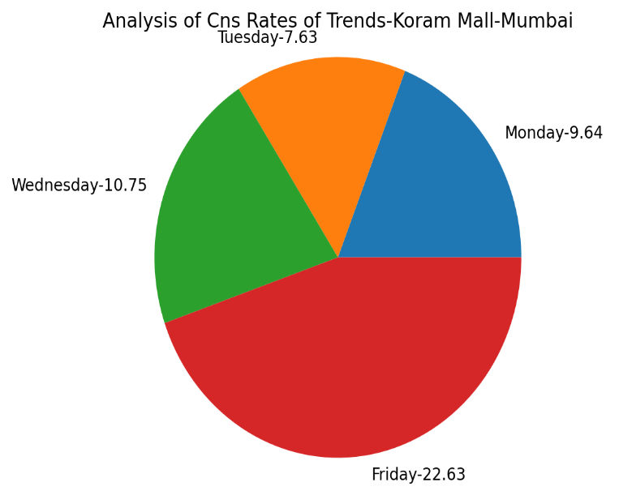
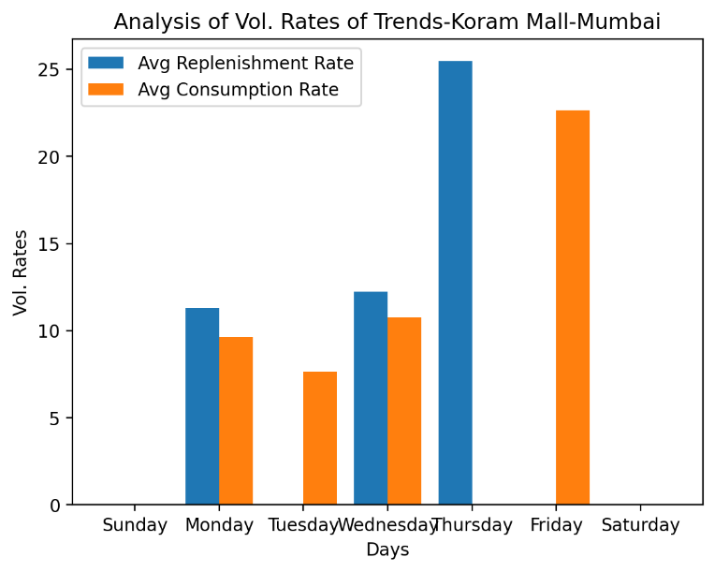
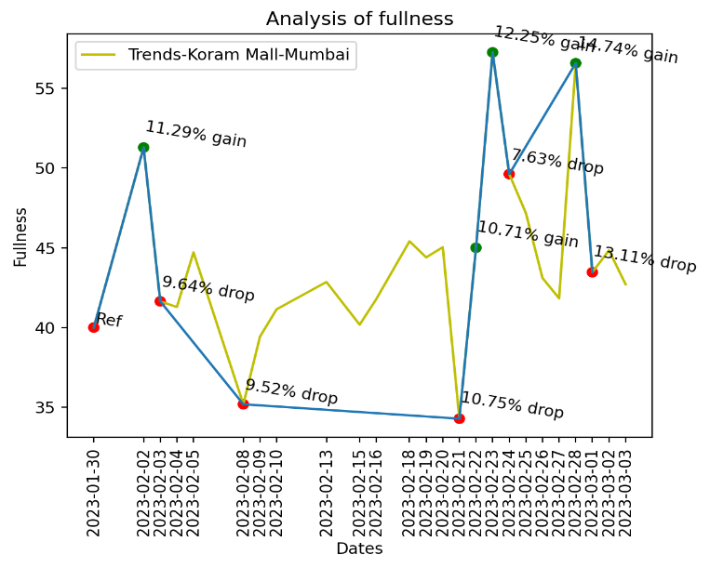

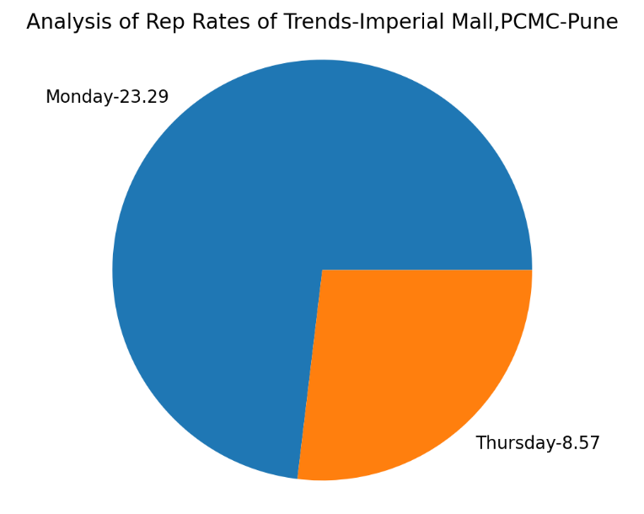
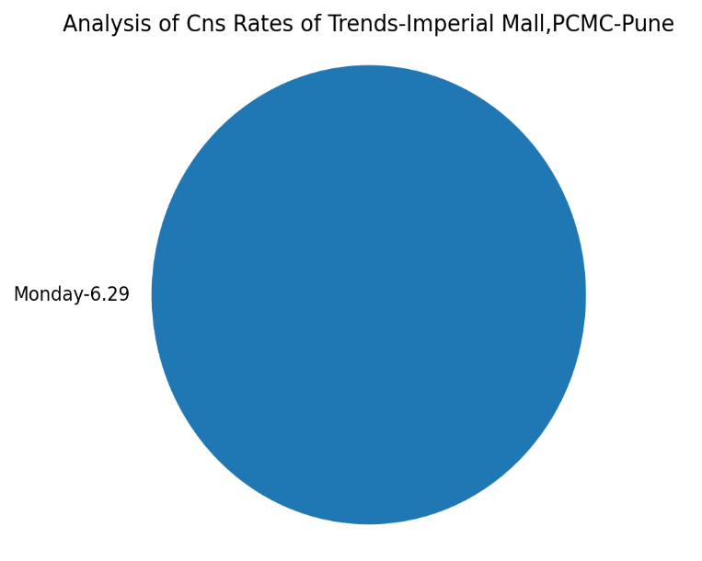
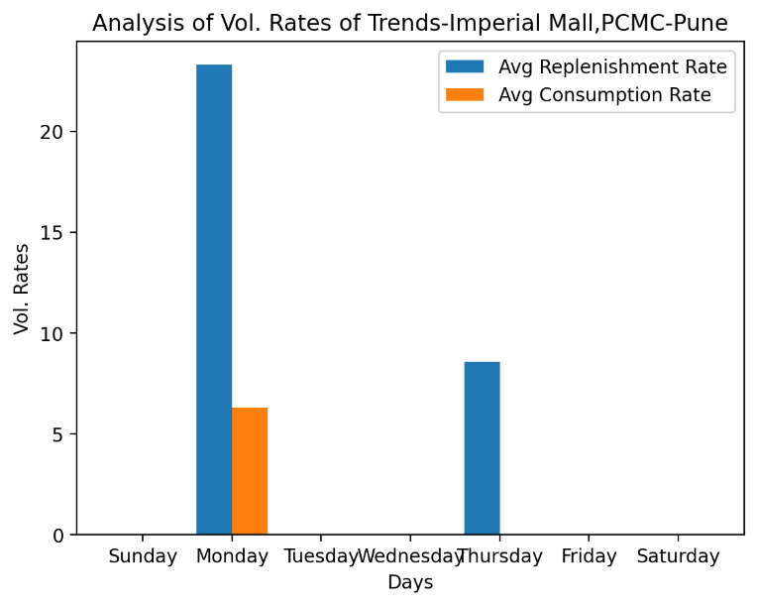
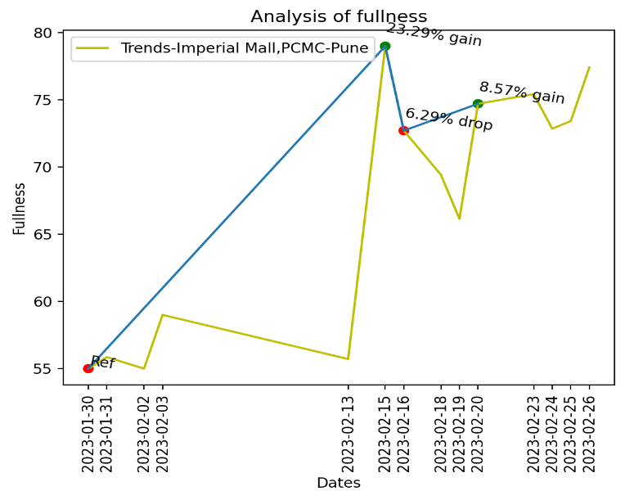

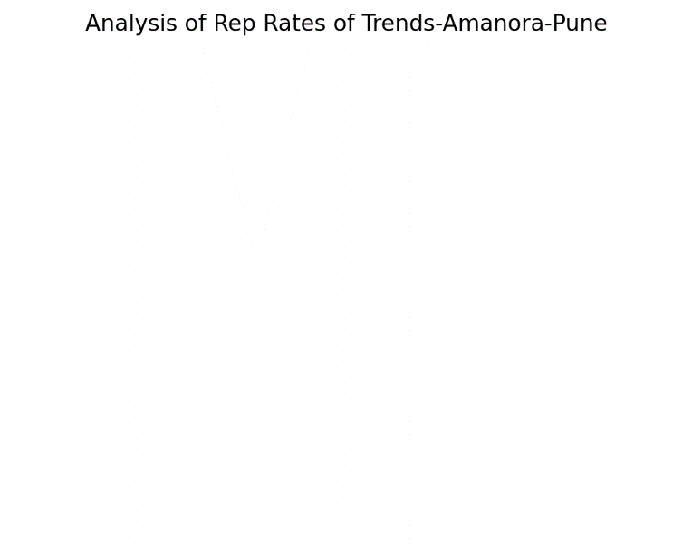
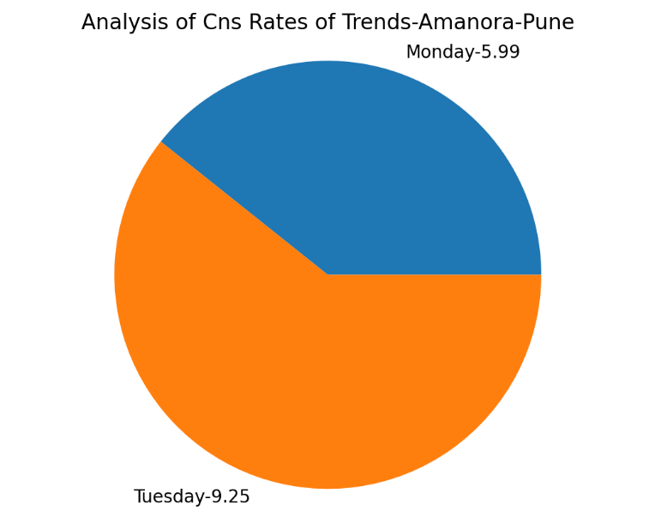
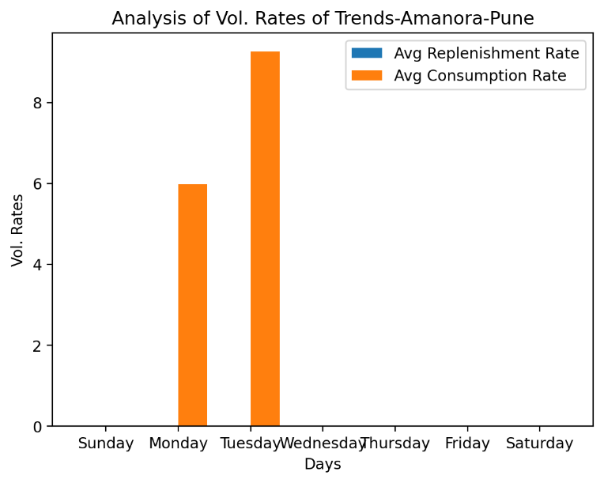
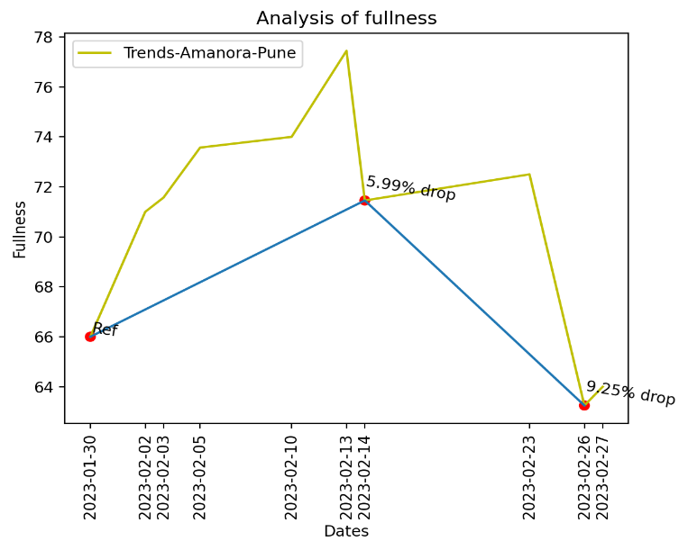

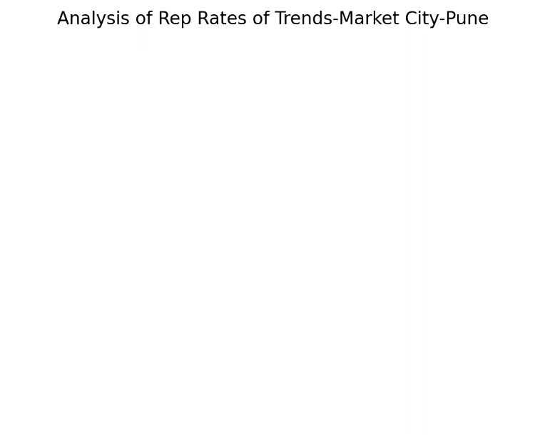
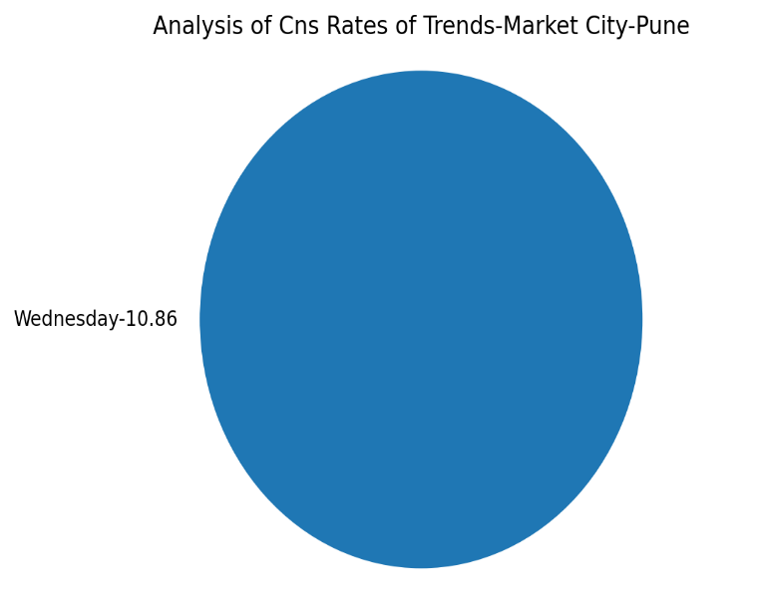
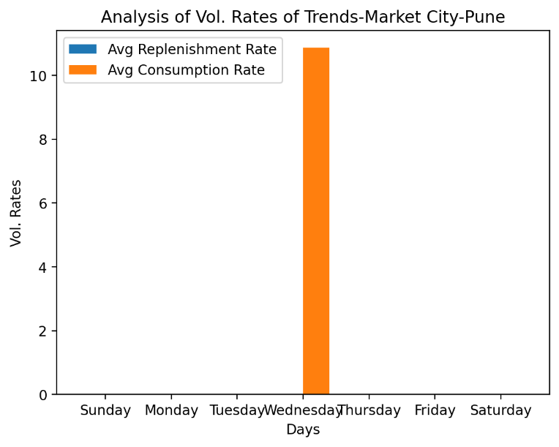
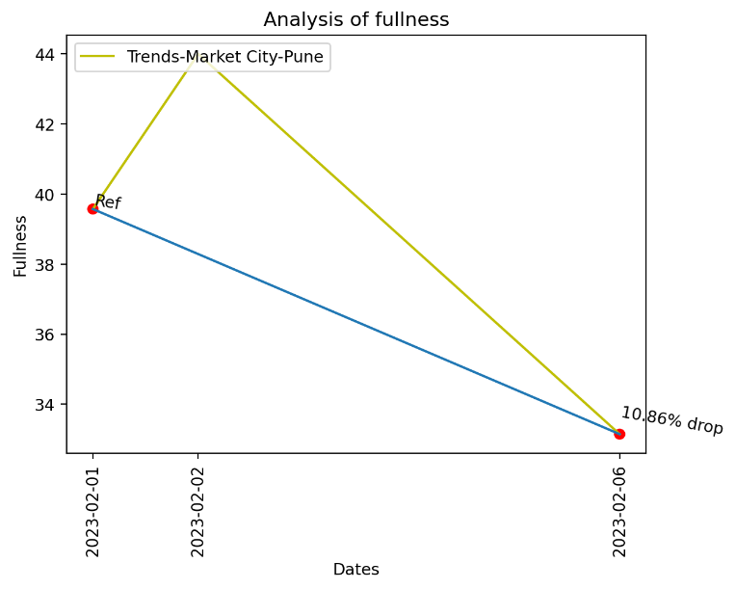

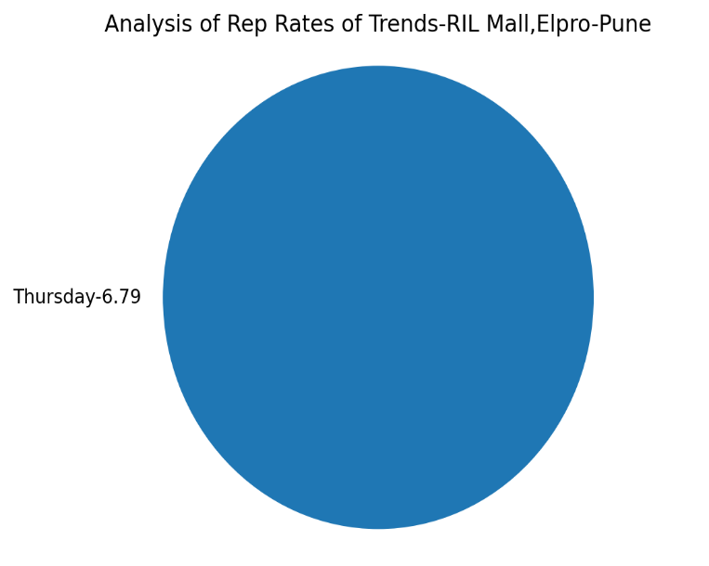
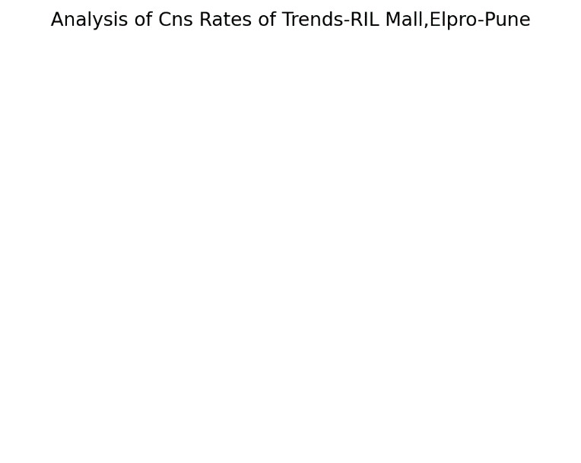
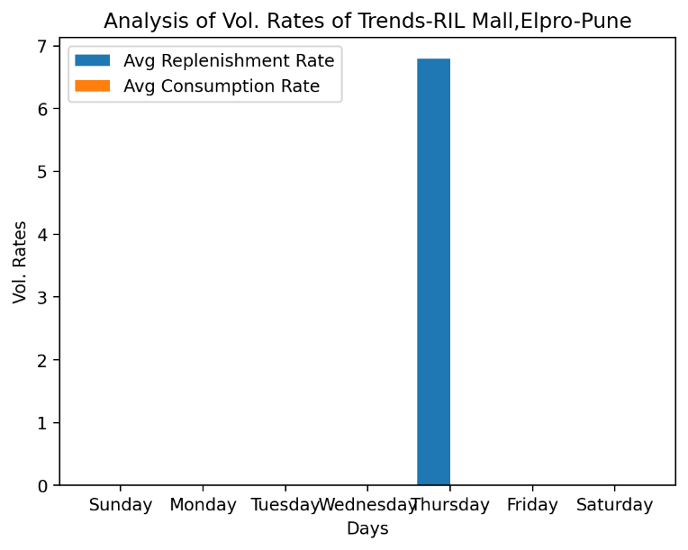
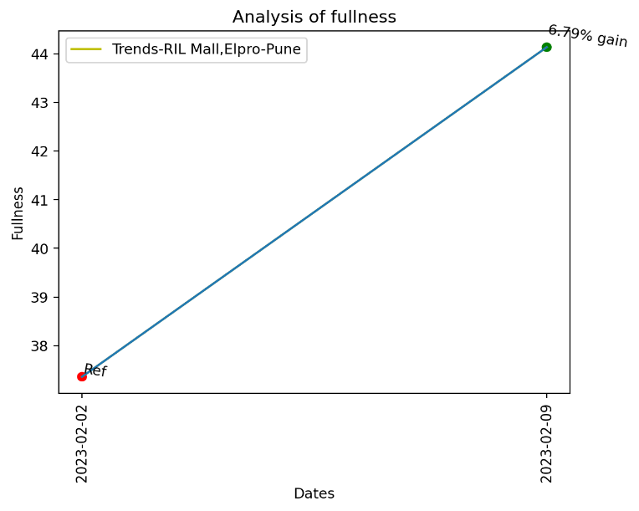

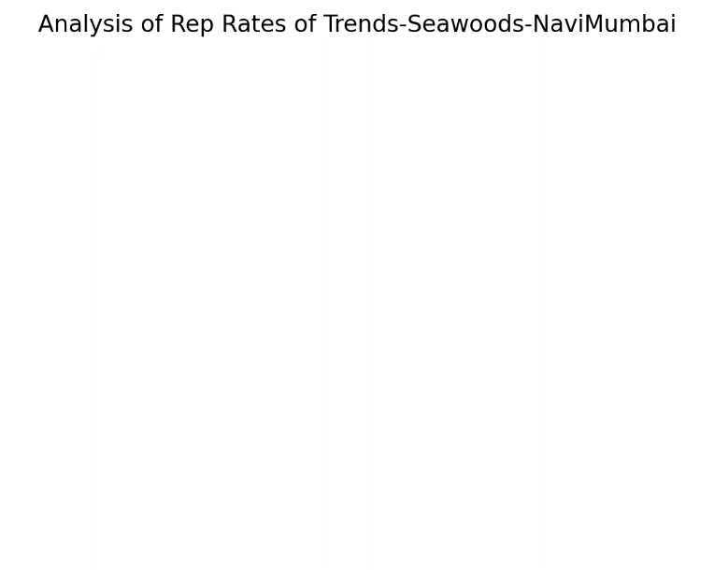
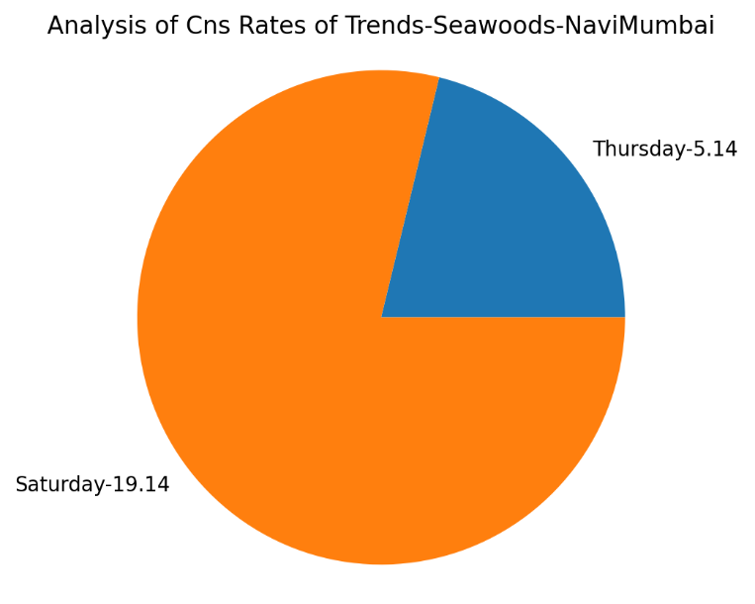
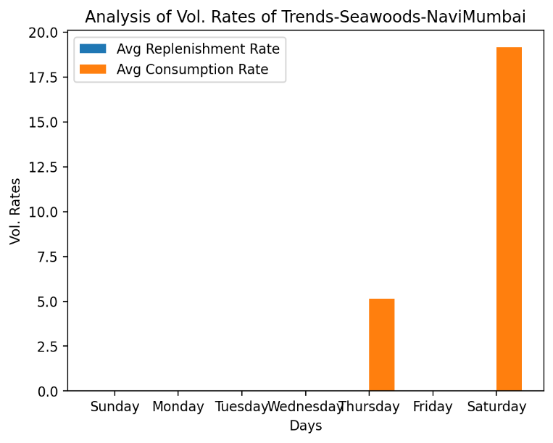
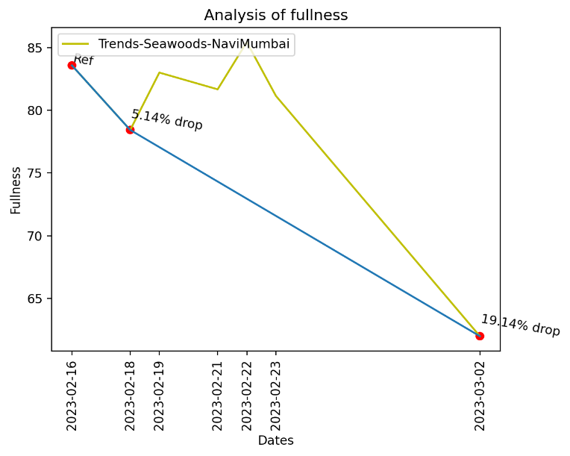

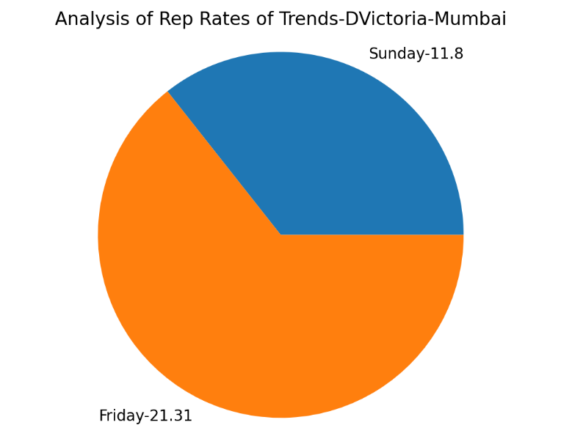
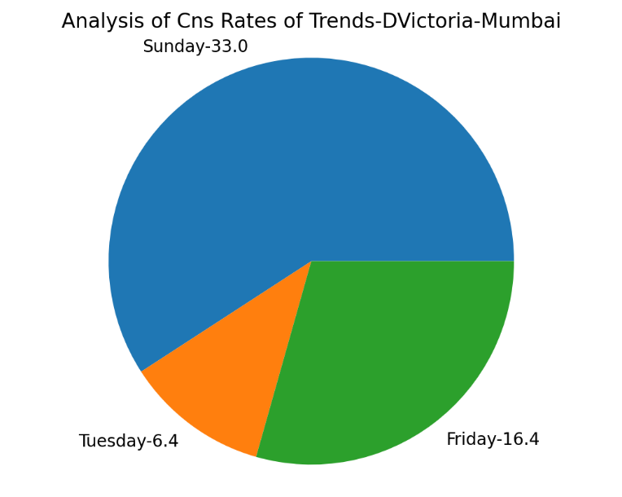
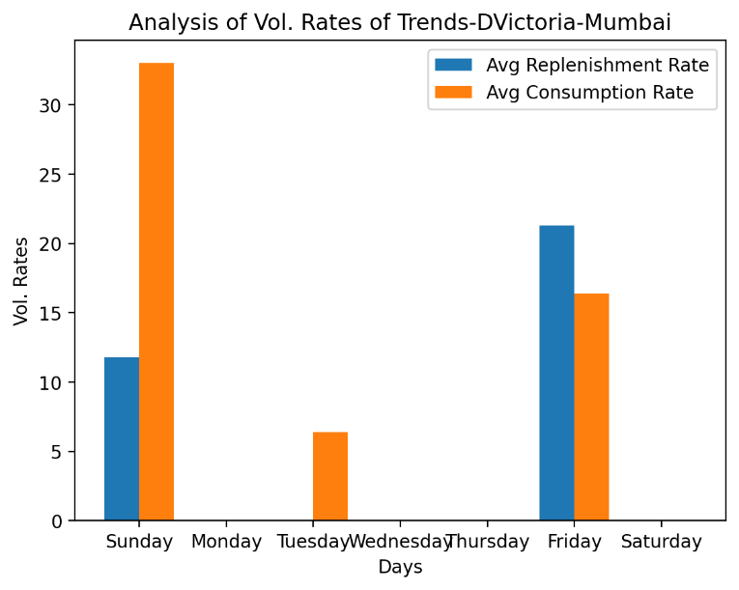
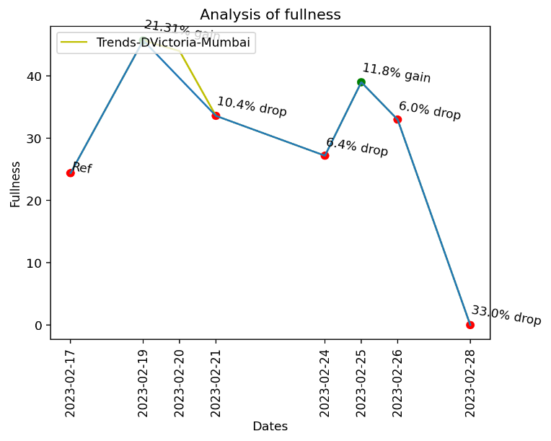

 |  | Trends Beauty Stores | MTTR(Days) | MTTC(Days) | Replenishment Rate(Vol) | Consumption Rate(Vol) | Avg.Shelf-Fullness
 | 0 | Trends-Bandra-Mumbai | 6.2 | 11 | 10.65 | 14.12 | 59.15%
 | 1 | Trends-Koram Mall-Mumbai | 7.25 | 6 | 12.25 | 10.13 | 44.35%
 | 2 | Trends-Imperial Mall,PCMC-Pune | 10.5 | 17 | 15.93 | 6.29 | 67.27%
 | 3 | Trends-Amanora-Pune | No replenishment | 13.5 | No replenishment | 7.62 | 69.49%
 | 4 | Trends-Market City-Pune | No replenishment | 5 | No replenishment | 10.86 | 38.90%
 | 5 | Trends-RIL Mall,Elpro-Pune | 7 | No Consumption | 6.79 | No Consumption | 42.39%
 | 6 | Trends-Seawoods-NaviMumbai | No replenishment | 7 | No replenishment | 12.14 | 77.78%
 | 7 | Trends-DVictoria-Mumbai | 4 | 2.75 | 16.56 | 13.95 | 34.04%

