Salary_dataset
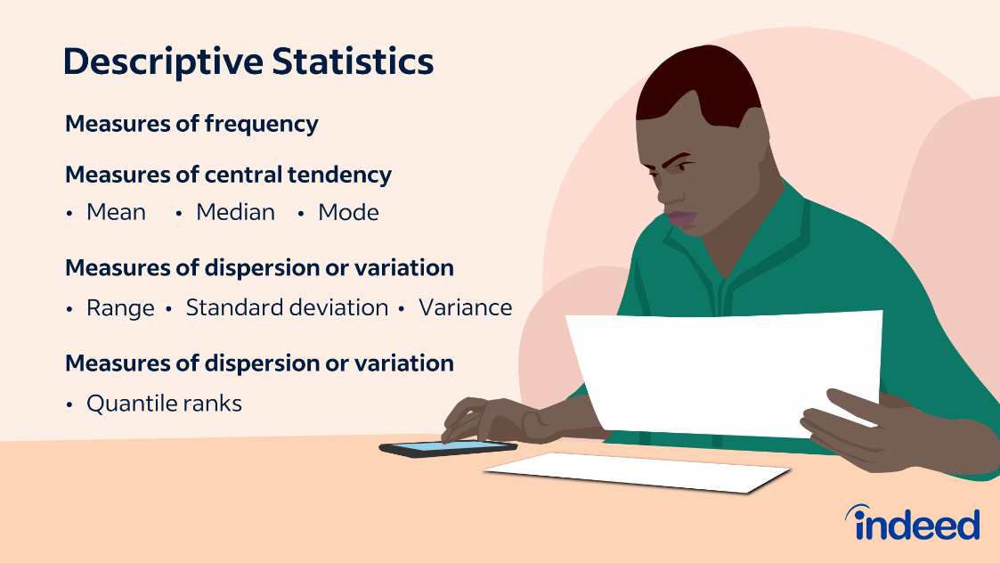
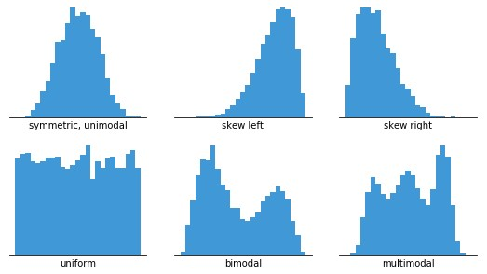
 | YearsExperience | Salary
0 | 1 | 39344
1 | 1 | 46206
2 | 2 | 37732
3 | 2 | 43526
4 | 2 | 39892
5 | 3 | 56643
6 | 3 | 60151
7 | 3 | 54446
8 | 3 | 64446
9 | 4 | 57190
10 | 4 | 63219
11 | 4 | 55795
12 | 4 | 56958
13 | 4 | 57082
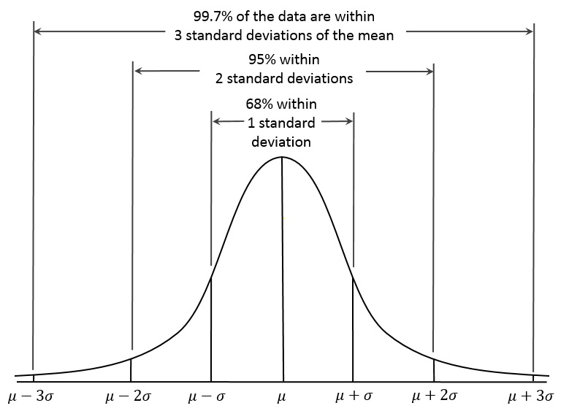
14 | 5 | 61112
15 | 5 | 67939
16 | 5 | 66030
Mean: The mean is a measure of central tendency that represents the average value of a dataset by
adding up all the numbers and dividing by the total count.
Median: The median is a measure of central tendency that represents the middle value of a dataset
when the numbers are arranged in ascending or descending order.
Mode: The mode is a measure of central tendency that represents the most frequently occurring value in a dataset.
Standard Deviation: The standard deviation is a measure of spread or variability that describes
how much the numbers in a dataset deviate from the mean.
Variance: The variance is a measure of spread or variability that calculates the average of the squared differences
from the mean, useful for statistical analysis and hypothesis testing.
You would use the mean when you want to describe the average value of a dataset with symmetrical or normally distributed data,
and you would use the median when the dataset has outliers or skewed distribution,
as it represents the middle value and is less affected by extreme values.
17 | 5 | 83089
18 | 6 | 81364
19 | 6 | 93941
20 | 7 | 91739
21 | 7 | 98274
22 | 8 | 101303
23 | 8 | 113813
24 | 9 | 109432
25 | 9 | 105583
26 | 10 | 116970
27 | 10 | 112636
28 | 10 | 122392
29 | 11 | 121873

