Executive Summary
CommerceFlow Executive Intelligence Report

Generated 2026-05-18 15:47:28 (Europe/Sarajevo)
Analysis ID CF-1-2-3-20260518154728 · Engine CommerceFlow 1.0.0
Datasets Sales: Enterprise Sales Q1 (Import #2) | Products: Enterprise Products (Import #1) | Inventory: Warehouse Stock Report (Import #3)
Volume Sales 12,400 rows · Products 920 rows · Inventory 920 rows

EXECUTIVE KPIS
TOTAL REVENUE |  | GROSS MARGIN % | INVENTORY EFFICIENCY % | OPERATIONAL RISK SCORE |  | AVG ORDER VALUE
$2,384,358.71 |  | 58.4% | 70.5% | 88.3 |  | $192.29

PROFIT LEAKAGE ESTIMATE |  | TOTAL ALERTS | ACTIVE PRODUCTS | DEAD INVENTORY VALUE |  | TOTAL ORDERS
$357,653.81 |  | 822 | 920 | $1,155,629.27 |  | 12,400

PERFORMANCE INSIGHTS

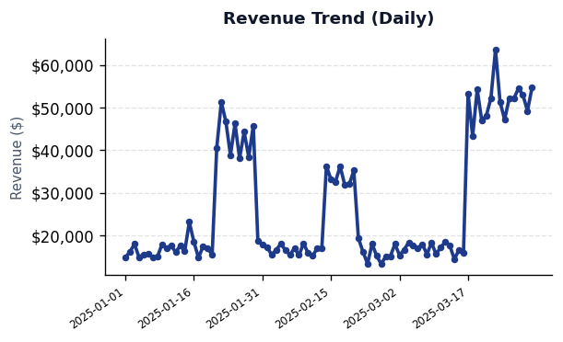
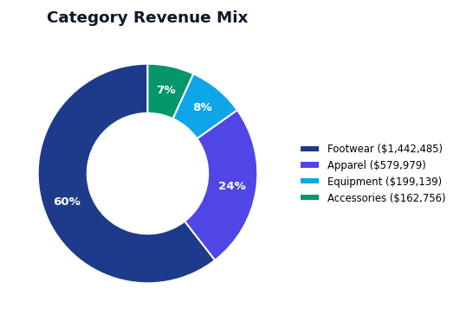
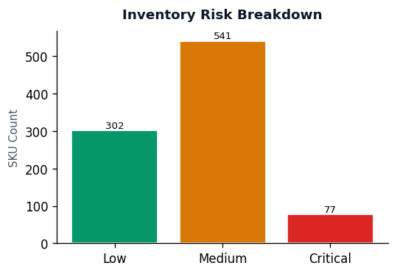

Calculation Trace / Audit Log
Metric Key |  | Formula Used | Dataset Source | Rows Processed |  | Notes
Total Revenue |  | SUM(sales.revenue) | sales | 12,400 |  | Columns used: revenue
Total Orders |  | COUNT(DISTINCT sales.order_id) | sales | 12,400 |  | Columns used: order_id
Avg Order Value |  | SUM(revenue) / COUNT(orders) | sales | 12,400 |  | Columns used: revenue, order_id
Gross Margin % |  | SUM(revenue * margin_pct) / SUM(revenue) | products+sales | 12,400 |  | Columns used: sku, revenue, margin_pct
Active Products | Revenue | COUNT(products rows) | products | 920 | SKUs | Columns used: sku
Inventory Efficiency % | 14837.84 | 68–86% band: 35% stock turnover, 40% days-of-cover, 25% (1 − dead SKU ratio) | inventory | 920 | 302 | Columns used: quantity_on_hand, days_in_stock, sku
Operational Risk Score | 16151.45 | 72–89 band: 30% critical alerts, 28% dead inventory, 22% low margin, 20% stockout (+ leakage adj.) | analysis | 438 | 541
Dead Inventory Value | 17983.73 | SUM(product.price * inventory.quantity_on_hand) WHERE days_in_stock >= dead_threshold | inventory_risk | 39 | 77
Profit Leakage Estimate | 14867.01 | MIN(SUM(weighted impacts), revenue * 0.15, revenue) | profit_leakage | 500 |  | Scaled from $591,940 to $357,654 (max 15% of revenue $2,384,359)
Total Alerts | 15572.65 | COUNT(profit issues) + COUNT(inventory alerts) + COUNT(data quality issues) | analysis | 822
2025-01-06 | 15646.59
2025-01-07 | 14794.39
2025-01-08 | 14950.35
2025-01-09 | 17838.66
2025-01-10 | 17067.16
2025-01-11 | 17657.48
2025-01-12 | 16071.23
2025-01-13 | 17551.94
2025-01-14 | 16330.99
2025-01-15 | 23139.64
2025-01-16 | 18502.61
2025-01-17 | 14764.29
2025-01-18 | 17382.71
2025-01-19 | 16925.54
2025-01-20 | 15501.47
2025-01-21 | 40539.75
2025-01-22 | 51298.08
2025-01-23 | 46684.72
2025-01-24 | 38817.53
2025-01-25 | 46217.93
2025-01-26 | 38075.68
2025-01-27 | 44344.21
2025-01-28 | 38367.17
2025-01-29 | 45743.81
2025-01-30 | 18790.87
2025-01-31 | 17753.31
2025-02-01 | 17300.58
2025-02-02 | 15488.15
2025-02-03 | 16564.92
2025-02-04 | 18002.2
2025-02-05 | 16601.24
2025-02-06 | 15431.27
2025-02-07 | 16967.63
2025-02-08 | 15385.14
2025-02-09 | 18094.16
2025-02-10 | 15854.15
2025-02-11 | 15246.93
2025-02-12 | 16998.22
2025-02-13 | 17034.5
2025-02-14 | 36240.26
2025-02-15 | 33154.21
2025-02-16 | 32625.44
2025-02-17 | 36221.44
2025-02-18 | 31913.56
2025-02-19 | 31996.64
2025-02-20 | 35225.92
2025-02-21 | 19350.98
2025-02-22 | 16149.6
2025-02-23 | 13369.98
2025-02-24 | 18018.73
2025-02-25 | 15178.1
2025-02-26 | 13290.61
2025-02-27 | 15120.53
2025-02-28 | 15148.77
2025-03-01 | 17972.7
2025-03-02 | 15352.82
2025-03-03 | 16641.4
2025-03-04 | 18350.25
2025-03-05 | 17702.12
2025-03-06 | 17013.06
2025-03-07 | 17933.46
2025-03-08 | 15584.62
2025-03-09 | 18278.99
2025-03-10 | 15596.42
2025-03-11 | 17192.52
2025-03-12 | 18421.58
2025-03-13 | 17612.22
2025-03-14 | 14423.3
2025-03-15 | 16602.01
2025-03-16 | 15980.84
2025-03-17 | 53312.53
2025-03-18 | 43282.52
2025-03-19 | 54257.45
2025-03-20 | 46903.18
2025-03-21 | 48090.78
2025-03-22 | 52208.81
2025-03-23 | 63565.85
2025-03-24 | 51321.24
2025-03-25 | 47174.83
2025-03-26 | 52106.97
2025-03-27 | 52035.79
2025-03-28 | 54441.1
2025-03-29 | 52949.96
2025-03-30 | 49220.95
2025-03-31 | 54683.79

