1. Title Page
Grocery Basket Analysis

Date: June 5th, 2023
Analyst Name: Alan Sampedro

Contents:
Population Flow
Consistency checks
Wrangling steps
Column derivations
Insights | Recommendations

2. Population Flow
Title page

Population flow

Exclusion flag
Condition: max_order < 5
Obervations to be removed: 1440295 observations
Final total count of order_products_all: 30964564 observations
32434489 rows
206209 rows
3421083 rows
49693 rows

3421083 rows
32434489 rows
49672 rows
206209 rows

Orders_products_combined
Orders_products_merged
Orders_products_all

Total:
Total:
32434489 rows
32404859 rows
Total:
32404859 rows

1.) The grey boxes in the first row of the population flow represent the original data sets as they were when you downloaded them. In the Total fields you need to add the count of the rows when you imported the data set into Jupyter.
2.) The second row of boxes (coloured) represents the data sets after you manipulated them, e.g., removed missing values and duplicates. In the Total fields you need to add the count of the rows after conducting these operations. This offers a visual oveview of how the data flows throughout the data consistency checks.
3.) The third row, where also the arrows are coloured, represents the merges you performed between the datasets. In the Total fields you need to add the count of the rows in the merged datasets, so that you end up with the final dataset (in the red box). Keep in mind the final dataset should be without exclusions (based on the exclusion flag).

3. Consistency checks
 |  |  |  | Title page
Consistency checks

Dataset | Missing values | Missing values treatment | Duplicates
orders | 206209 missing values in 'days_since_prior_order' column. | Missing values were retained in the dataframe assuming they have meaningful implications. | No duplicates were found.
products | 16 missing values in 'product_name' column. | Rows with missing values were deleted from the dataframe. | 5 duplicates were found and deleted from the dataframe.
orders_products_prior | No missing values were found. | NA | No duplicates were found.
customers | No missing vaues were found. | NA | No duplicates were found.

4. Wrangling steps
 |  |  |  |  | Title page
Wrangling steps

Dataset | Columns dropped | Columns renamed | Columns' type changed | Comment/Reason
orders | eval_set | orders_dow = orders_day_of_week | order_id & user_id casted as string. | • Changes in column names were aimed to improve clarity and readability. • Columns that were casted as strings contained nominal values that could not be used in calculations. • Dropped columns were insignificant for the purposes of this analysis.
products | NA | NA | product_id & aisle_id casted as string. | • Columns that were casted as strings contained nominal values that could not be used in calculations.
orders_products_prior | NA | NA | product_id, order_id, & reordered casted as string. | • Columns that were casted as strings contained nominal values that could not be used in calculations.
customers | First Name Surnam | Gender = gender STATE = state Age = age n_dependants = dependants fam_status = marital_status | user_id casted as string. | • Changes in column names were aimed to improve clarity and readability. • Columns that were casted as strings contained nominal values that could not be used in calculations. • Dropped columns were insignificant for the purposes of this analysis.

5. Column derivations
 |  |  |  | Title page

Column derivations and aggregations

In this tab you should add tables below that the frequences of flags/label variables that you produced after deriving them. NB: don't do this for continuous variables, only for flags.
Dataset | New column | Column/s it was derived from | Conditions
ords_prods_merge | price_range | prices | prices > 15, 'High-range product' prices <= 15, 'Mid-range product' prices <= 5, 'Low-range product'
ords_prods_merge | busiest_day | orders_day_of_week | orders_day_of_week == 0, 'Busiest day' orders_day_of_week == 4, 'Least busy' orders_day_of_week else, 'Regularly busy'
ords_prods_merge | busiest_days | orders_day_of_week | orders_day_of_week == 0|1, 'Busiest day' orders_day_of_week == 3|4, 'Least busy' orders_day_of_week else, 'Regularly busy'
ords_prods_merge | busiest_period_of_day | order_hour_of_day | order_hour_of_day in [9, 10, 11, 12, 13, 14, 15, 16, 17], 'Most orders' order_hour_of_day in [8, 18, 19], 'Average orders' order_hour_of_day else, 'Fewest orders'
ords_prods_merge | max_order | order_number | Maximum order number per user_id
ords_prods_merge | loyalty_flag | max_order | max_order > 40, 'Loyal customer' max_order <= 40 & max_order > 10, 'Regular customer' max_order <= 10, 'New customer'
ords_prods_merge | mean_spending | prices | Average expenditure per user_id
ords_prods_merge | spending_flag | mean_spending | mean_spending < 10, 'Low spender' mean_spending >= 10, 'High spender'
ords_prods_merge | median_frequency | days_since_prior_order | Median order frequency per user_id
ords_prods_merge | frequency_flag | median_frequency | median_frequency > 20, 'Non-frequent customer' median_frequency >= 20, 'Regular customer' median_frequency <= 10, 'Frequent customer'
ords_prods_all | region | state | state in [Connecticut, Maine, Massachusetts, New Hampshire, Rhode Island, Vermont, New Jersey, New York, Pennsylvania], 'Northeast' state in [Indiana, Illinois, Michigan, Ohio, Wisconsin, Iowa, Kansas, Minnesota, Missouri, Nebraska, North Dakota, South Dakota], 'Midwest' state in [Delaware, District of Columbia, Florida, Georgia, Maryland, North Carolina, South Carolina, Virginia, West Virginia, Alabama, Kentucky, Mississippi, Tennessee, Arkansas, Louisiana, Oklahoma, Texas], 'South' state else, 'West'
ords_prods_all | exclusion_flag | max_order | max_order < 5, 'Low activity' max_order else, 'Recurrent activity'
ords_prods_all | parent_profile | age dependants | age <= 25 & dependants >= 1, 'Young parent' age >= 26 & age <= 35 & dependants >= 1, 'Middle-aged parent' age >= 36 & dependants >= 1, 'Old parent' dependants == 0, 'Childless'
ords_prods_all | income_profile | income | income < 50000, 'Low income' income >= 50000 & income <= 200000, 'Moderate income' income > 200000, 'High income'
ords_prods_all | marital_profile | marital_status | marital_status == 'married', 'Partnered adult' marital_status in ['divorced\widowed', 'living with parents and siblings', 'single'], 'Single adult'
ords_prods_all | diet_profile | crostab between user_id & department_id columns | department (12) == 0 & department (16) == 0, 'Vegan' department (12) == 0, 'Vegetarian' department else, 'Meat-consumer'
ords_prods_all | pets_profile | crostab between user_id & department_id columns | department (8) == 0, 'Non-pet owner' department else, 'Pet owner'

6. Insights | Recommendations
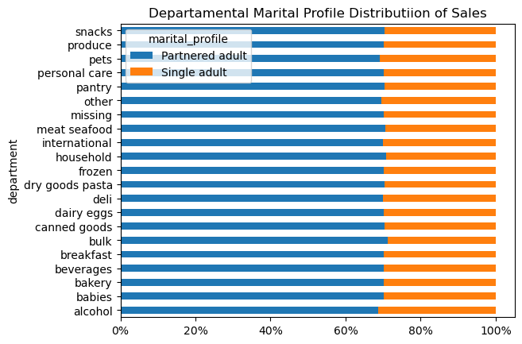
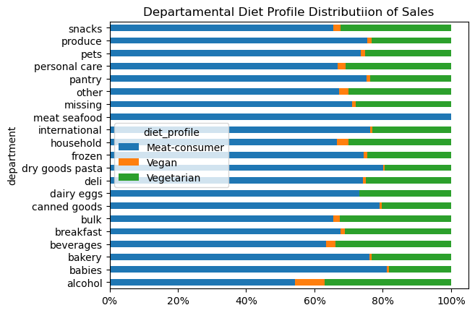
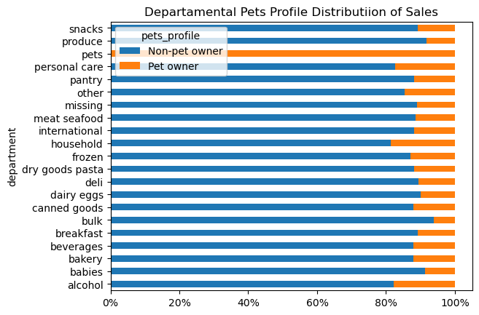
 |  |  | Title page

Insights & Recommendations

Key | Insight
 | Recommendations

What are the busiest days and hours of the week for placing orders?

Most people tend to place more orders on weekends. The number of orders starts to decrease and then increase throughout the week, reaching the lowest point on Tuesday and Wednesday, and reaching the highest point on Saturday and Sunday.
The majority of orders were placed from around 9:00am to 8:00pm, with the highest number of orders occurring between 11:00am and 12:00pm. As the day goes on, the frequency of orders starts to decrease, reaching its lowest point between 4:00am and 5:00am.
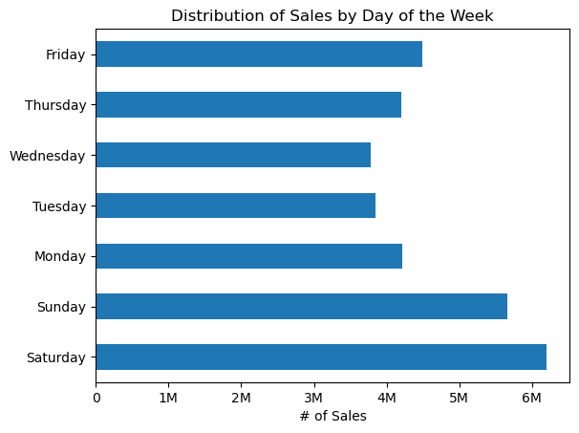

• Create limited-time deals or promotions that are exclusive to Tuesdays and Wednesdays, being the days of the week with the lowest proportion of orders.
• Consider running ad campaigns specifically targeted at the early morning hours when the frequency of orders is at its lowest point.
• Utilize remarketing campaigns to target customers who have previously placed orders during peak times.

Are there particualr times of the day when people spend the most money?

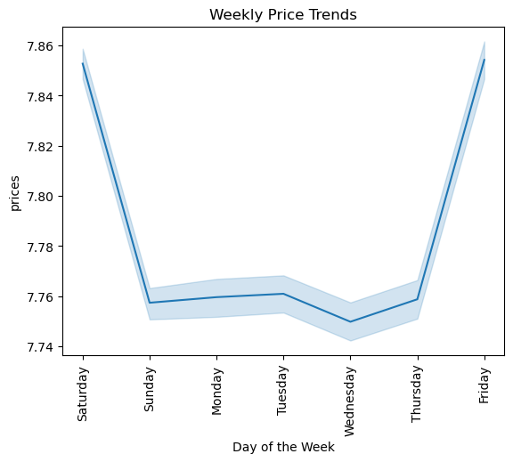
The data reveals that customers tend to spend more money on orders between 2:00 am and 3:00 am. Interestingly, this occurs during the time when the fewest orders are placed. It seems that when the frequency of orders is at its lowest, the revenue generated increases. On the other hand, when the frequency of orders reaches its peak, the revenue generated also increases.

• Create exclusive overnight deals or flash sales that are available only during this time period.
• Suggest additional products or services taht complement their initial purchase.
• Raise prices slightly during peak hours when customers are more likely to place orders, while keeping prices competitive during off-peak hours to encourage purchase decisions.

How can Instacart simplify price range groupings to aid marketing and sales efforts?

The information regarding product prices has been organized into three categories: high-range products, mid-range products, and low-range products. For more specific information, please refer to tab 5. Column derivations.
• Use this information to implement price optimization strategies for each range.

Are there certain types of products that are more popular than others?

The store department that receives the largest share of orders is "produce," which includes fruits and vegetables. The second highest proportion of orders is for the "dairy/eggs" department, followed by "snacks" in third position. This observation is logical considering that Instacart primarily focuses on grocery deliveries.
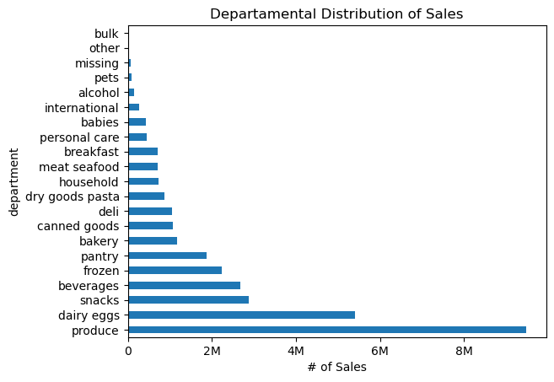

• Create special offers or discounts on popular seasonal "produce" products.
• Encourage customers to purchase items from the "produce" and "dairy/eggs" departments together by offering bundle deals.
• Leverage customer data and purchase history to provide personalized recommedations in the most popular departments.

What’s the distribution among users in regards to their brand loyalty (i.e., how often do they return to Instacart)?

The customer base primarily consists of two segments: regular customers who make frequent purchases, and loyal customers who provide the most value to the business. This success signifies the company's ability to establish and maintain long-term relationships with a significant portion of its customers. Additionally, the smallest segment comprises new customers, indicating the company's success in attracting a significant number of new clients.
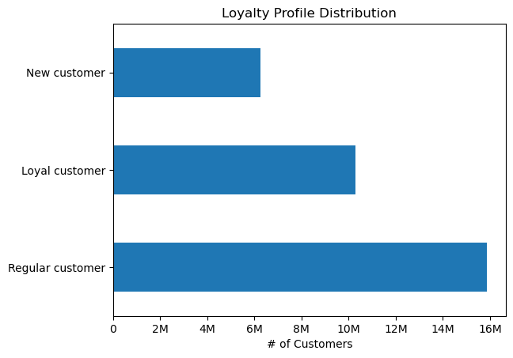

• Enhance customer loyalty and referral programs by offering exclusive benefits, rewards, and personalized incentives.
• Tailor marketing messages, promotions, and recommendations based on customers' purchase history, preferences and demographics.
• Emphasize exceptional customer service across all touchpoins by offering multiple channels for customers to reachout for support.

Are there differences in ordering habits based on a customer’s loyalty status?

The distribution of orders by loyalty status remains consistent across all departments. It is worth noting that loyal customers have the highest proportion of orders in the "babies" and "bulk" departments, regular customers dominate the alcohol department, and new customers show a preference for the pets department. However, the differences between these proportions are negligible, indicating that there are no significant insights to be derived from these observations.
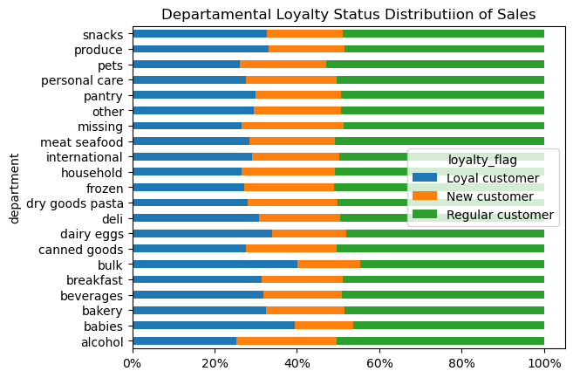

• Continuously monitor and analyze customer behavior and purchasing patterns to identify any emerging trends and opportunities.
• Actively seek customer feedback through surveys, ratings, or reviews across all departments.

Are there differences in ordering habits based on a customer’s region?

The analysis of spending patterns reveals a prominent trend observed across all regions, where the vast majority of customers can be classified as "Low spenders." This category constitutes an overwhelming proportion of approximately 99% in all regions, establishing itself as the dominant group. On the other hand, the number of customers falling into the "High spender" category is significantly smaller, to the extent that their presence becomes practically negligible.
Furthermore, when examining the relative proportion of orders made in each department grouped by region, consistent trends emerge across all departments. Notably, the South region emerges as occupying the largest proportion of orders, while the Northeast region exhibits the smallest. However, it's important to consider that this discrepancy is likely influenced by the geographical coverage of each region, with the South being considerably larger than the Northeast in terms of size and population.

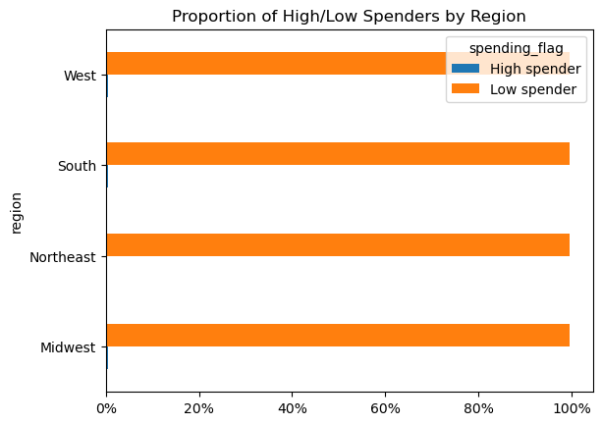
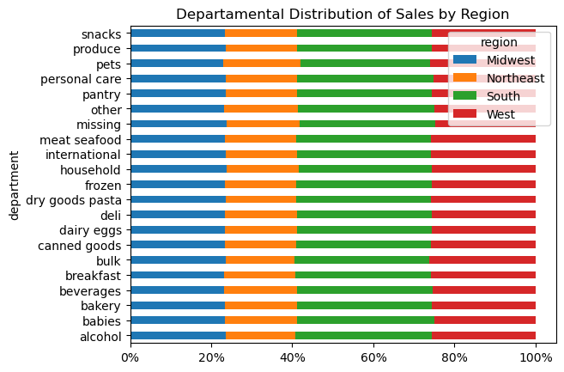

• Focus on developing marketing strategies and product offering that cater to the preferences and price sensitivity of the "Low spenders" group.
• Look for opportunities to upsell or cross-sell products to both "Low spenders" and "High spenders".
• Allocate marketing budgets based on the proportion of orders in each region, with a focus on regions with higher order volumes.

Is there a connection between age and family status in terms of ordering habits?
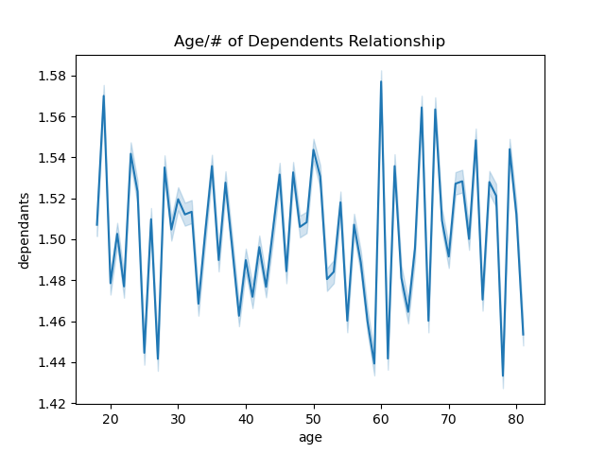

Upon conducting an in-depth analysis of the relationship between age and the number of dependents among customers, a comprehensive evaluation indicates the absence of any discernible patterns or significant correlations between these two factors. This finding suggests that there is no apparent trend or association between age and the number of dependents within the customer base.

What different classifications does the demographic information suggest? Age? Income? Certain types of goods? Family status?

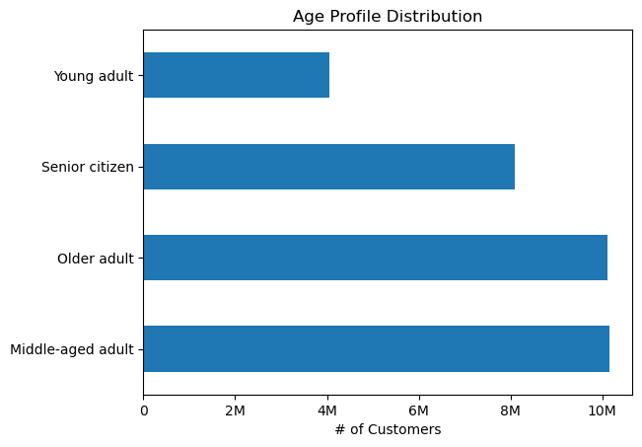
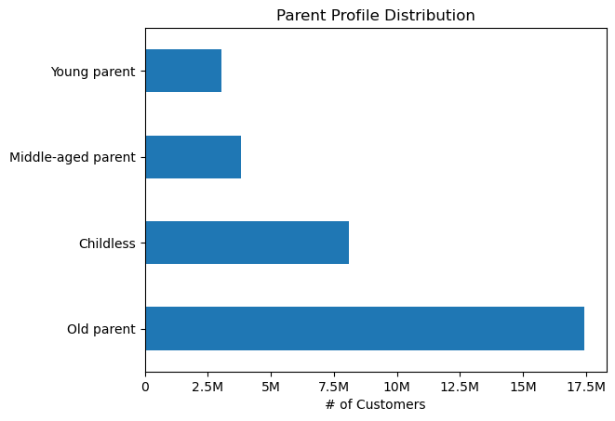
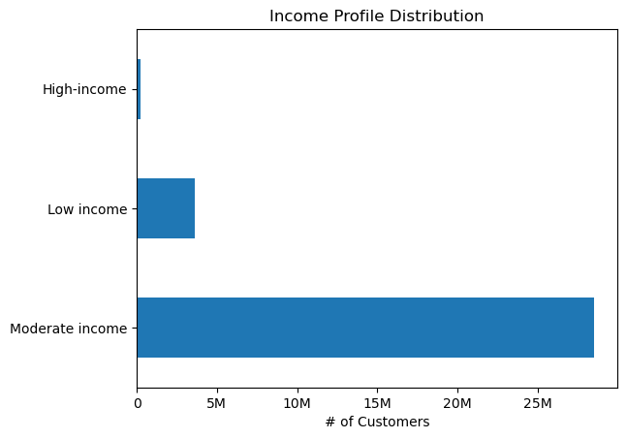

Customers were segmented into the following profiles. The categories with the highest proportion within each profile are highlighted.
• Age
– Young adult
– Middle-aged adult
– Older adult
– Senior citizen
• Parental
– Childless
– Young parent
– Middle-aged parent
– Old parent
• Income
– Low income
– Moderate income
– High income
• Marital
– Single adult
– Partnered adult
• Diet
– Vegan
– Vegetarian
– Meat-consumer
• Pets
– Pet owner
– Non-pet owner

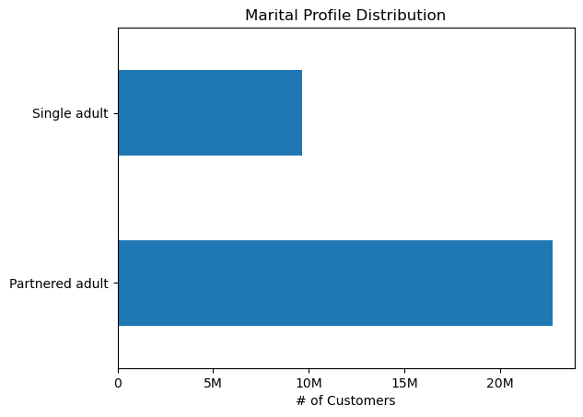
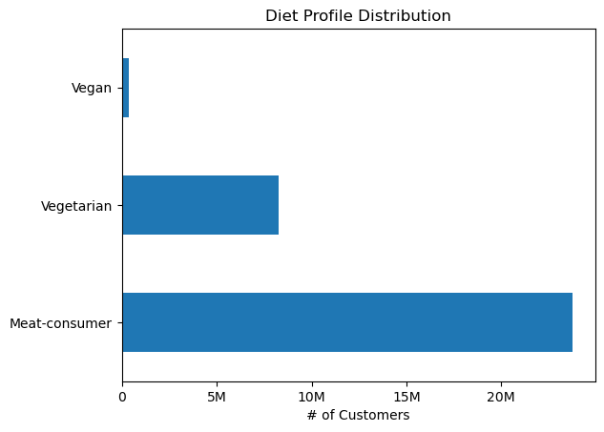
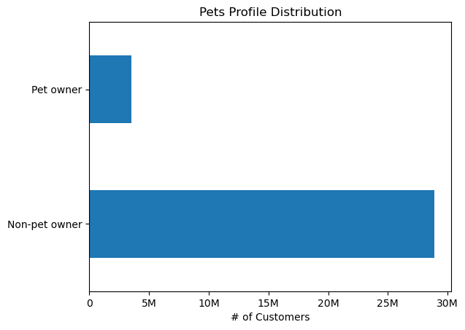

What differences can you find in ordering habits of different customer profiles?

 |  | Age Profile |  | Parental Profile | Income Profile
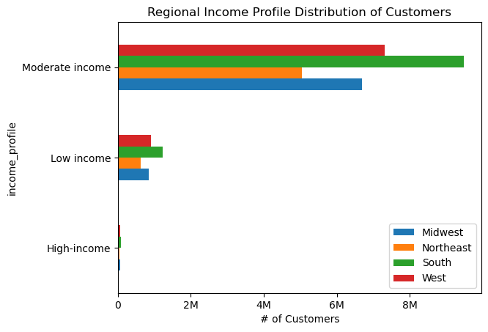
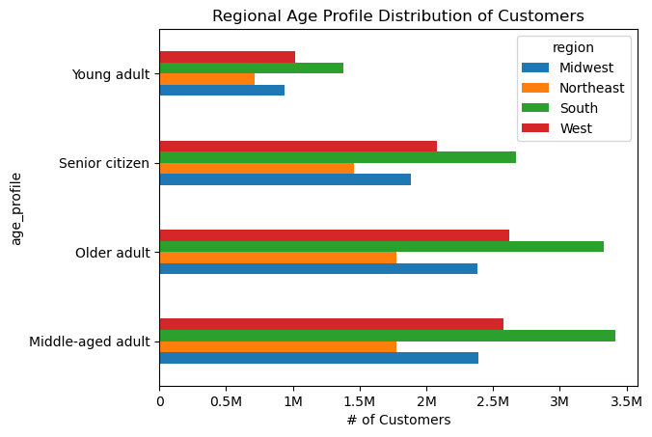
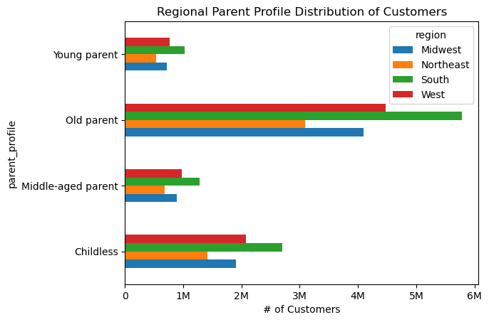

A comprehensive analysis of customer profiles not only reveals consistent regional distribution but also sheds light on how these profiles align with specific store departments. Examining the distribution of each profile on a store department level offers valuable insights into customer preferences and behaviors, highlighting noteworthy observations:
1. Income Profile: The "alcohol" department displays a slightly higher proportion of high-income customers. This finding suggests that individuals with higher income levels may have greater spending power, allowing them to invest more in recreational activities such as parties and get-togethers. This correlation between higher income and increased expenditure in the "alcohol" department underscores the influence of financial capability on consumer behavior.
2. Diet Profile: Interestingly, the "vegan" category demonstrates a slightly larger proportion compared to other deparments. This observation is intriguing as many alcoholic drinks are not vegan-friendly. Additionally, some individuals report a decrease in alcohol tolerance after transitioning to a vegan diet, although no concrete evidence supports this claim. Nonetheless, the higher proportion of "vegan" customers in the "diet" department suggests a unique preference or potential demand for vegan-friendly alcoholic beverages.
3. Pets Profile: Notably, the "pets" department exclusively consists of pet owners. This logical observation aligns with the understanding that individuals without pets have no need to purchase products from this department. By recognizing this distinct customer segmentation, businesses can tailor their offerings and marketing strategies to cater specifically to pet owners, leveraging this targeted approach to enhance customer satisfaction and engagement.

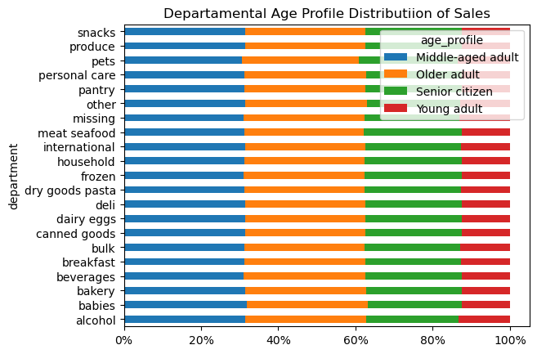
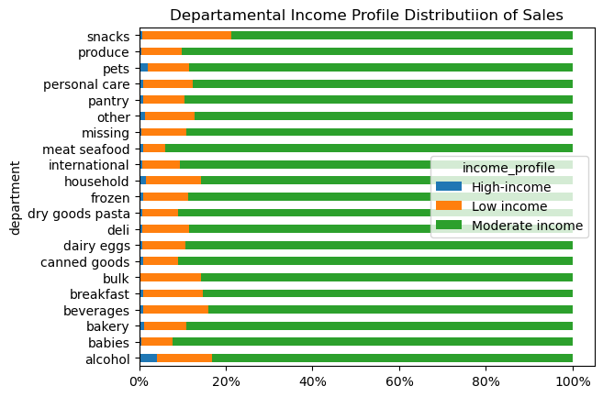
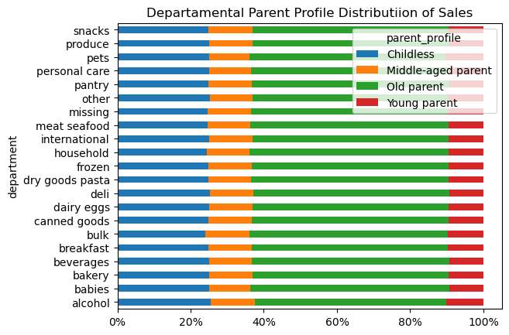

 |  | Marital Profile |  | Diet Profile | Pets Profile
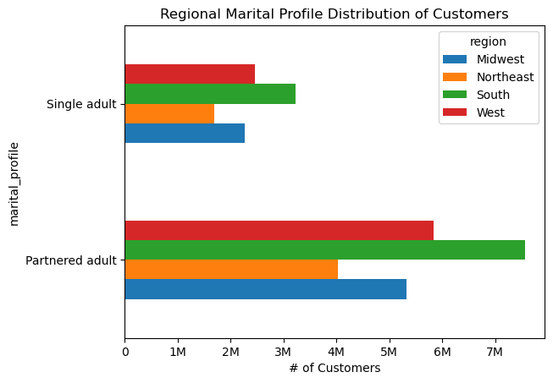
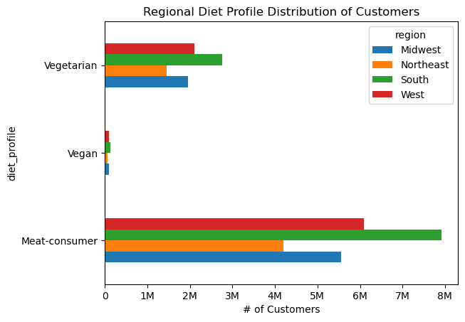
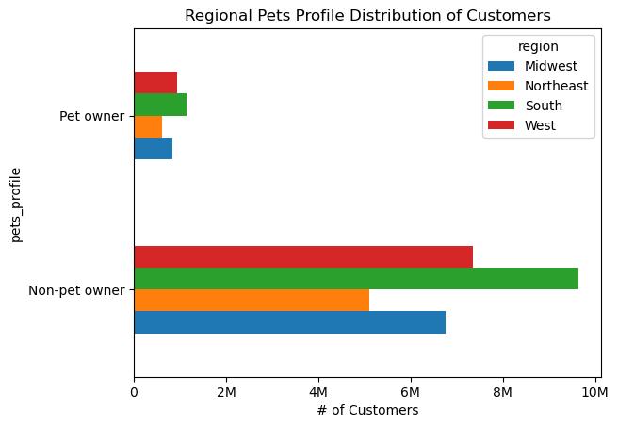

• Promote premium alcoholic products, organize exclusive events or tastings, and offer personalized recommendatons based on their preferences.
• Expand the range of vegan-friendly alcoholic beverages in store.
• Consider implementing pet loyalty programs that offers discounts on pet products or parnering with local animal shelters to support pet adoption.

