Sheet1
2022 4T | 18,925,112.10 | 18,925,112
2022 3T | 18,330,898.20 | 18,330,898
2022 2T | 18,402,501.40 | 18,462,390
2022 1T | 17,761,376.90 | 17,742,225
2021 4T | 18,273,129.20 | 18,273,129
2021 3T | 17,563,657.30 | 17,563,657
2021 2T | 17,967,574.30 | 18,026,048
2021 1T | 17,433,940.10 | 17,415,141
2020 4T | 18,089,113.30 | 18,089,113
2020 3T | 16,839,487.60 | 16,839,488
2020 2T | 15,028,758.10 | 15,077,668
2020 1T | 18,069,681.10 | 17,894,182
2019 4T | 18,856,161.90 | 18,856,162
2019 3T | 18,371,400.50 | 18,371,400
2019 2T | 18,464,189.90 | 18,524,280
2019 1T | 18,240,968.70 | 18,221,300
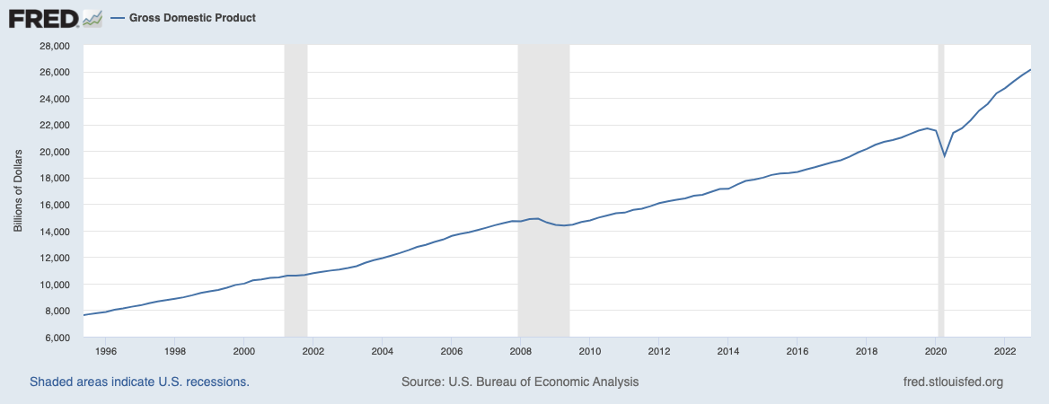
2018 4T | 18,985,339.40 | 18,985,339
2018 3T | 18,405,820.50 | 18,405,821
2018 2T | 18,670,352.50 | 18,527,088
2018 1T | 18,018,663.60 | 18,197,446
2017 4T | 18,745,917.10 | 18,745,917
2017 3T | 17,900,722.40 | 17,900,722
2017 2T | 18,084,813.70 | 18,143,669
2017 1T | 17,757,592.10 | 17,738,444
2016 4T | 18,415,807.70 | 18,415,808
2016 3T | 17,625,642.30 | 17,625,642
2016 2T | 17,781,120.90 | 17,644,680
2016 1T | 17,166,386.10 | 17,186,864
2015 4T | 17,866,375.90 | 17,866,376
2015 3T | 17,331,653.30 | 17,331,653
2015 2T | 17,261,204.50 | 17,317,379
2015 1T | 16,710,198.90 | 16,692,181
2014 4T | 17,408,777.80 | 17,408,778
2014 3T | 16,649,895.30 | 16,649,895
2014 2T | 16,743,451.80 | 16,797,942
2014 1T | 16,162,075.20 | 16,144,648
2013 4T | 16,840,991.50 | 16,840,991
2013 3T | 16,186,109.00 | 16,186,109
2013 2T | 16,361,862.10 | 16,236,312
2013 1T | 15,719,785.80 | 15,875,759
2012 4T | 16,638,864.60 | 16,638,865
2012 3T | 15,952,811.30 | 15,952,811
2012 2T | 16,027,465.80 | 16,079,625
2012 1T | 15,619,753.00 | 15,468,048
2011 4T | 16,139,539.70 | 16,139,540
2011 3T | 15,526,015.30 | 15,526,015
2011 2T | 15,413,046.30 | 15,463,206
2011 1T | 14,902,733.10 | 14,886,664
2010 4T | 15,499,605.10 | 15,499,605
2010 3T | 14,921,452.80 | 14,921,453
 |  | 15,047,210
 |  | 14,356,225

