ex1
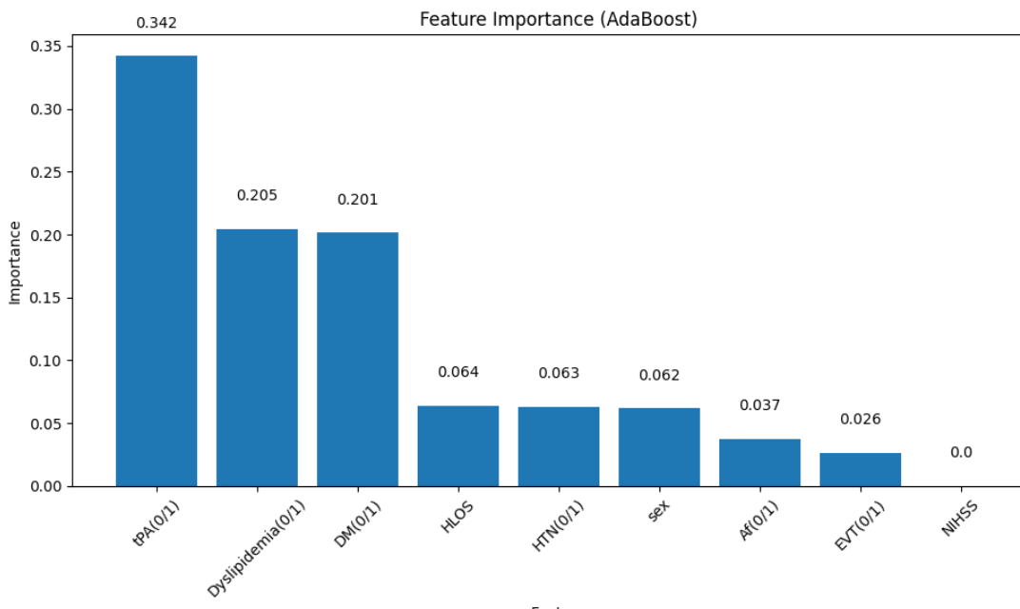
Age<65 | 65<=Age<80

ex1

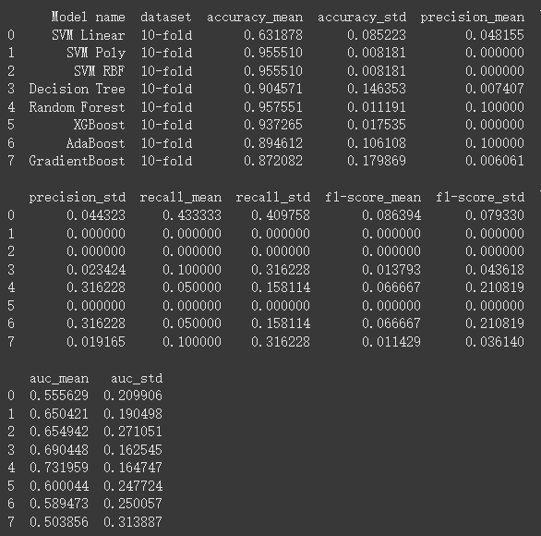

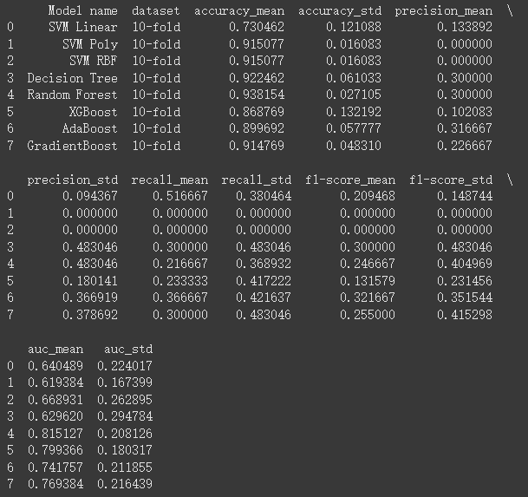

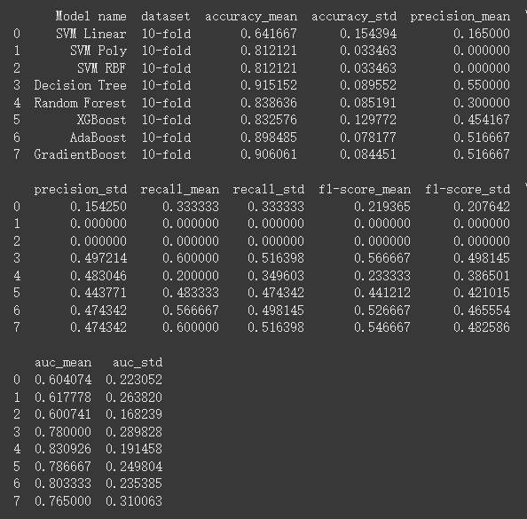

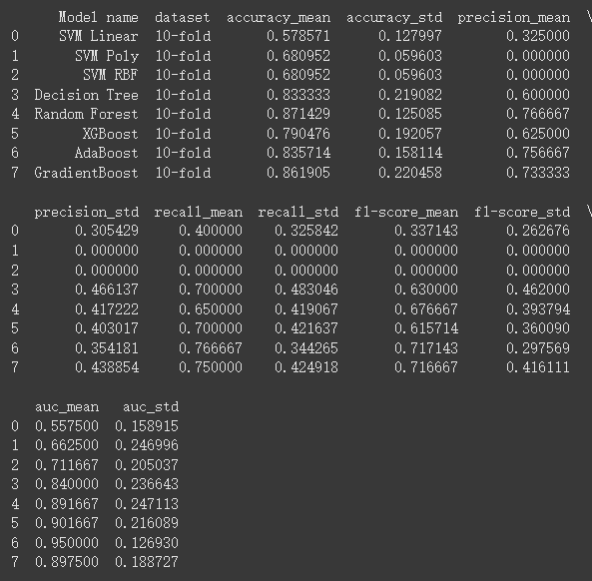

 |  | 400:20(AUC) | 200:20 | 100:20 | 50:20
 | SVM Linear | 0.55 | 0.64 | 0.6 | 0.55
 | SVM Poly | 0.65 | 0.61 | 0.61 | 0.66
 | SVM RBF | 0.65 | 0.66 | 0.6 | 0.71
 | Decision Tree | 0.69 | 0.62 | 0.78 | 0.84
 | Random Forest | 0.73 | 0.81 | 0.83 | 0.89
 | XGBoost | 0.6 | 0.79 | 0.78 | 0.9
 | AdaBoost | 0.58 | 0.74 | 0.8 | 0.95
 | GradientBoost | 0.5 | 0.76 | 0.76 | 0.89

Model ROC Analysis on Datasets with Imbalance Ratios

