DZ4_DataVault
QuantityPerUnit: int
s_Products
h_Products_rk: bigint
ProductName: nvarchar(40)
UnitPrice: float
Discontinued: int
valid_from_dttm: datatime
valid_to_dttm: datatime
source_system: string
processed_dttm: datetime
source_system: string
h_Products
h_Products_rk: bigint
ProductID: bigint
processed_dttm: datetime
SupplierID: bigint
l_Suppliers_Products
l_Suppliers_Products_rk: bigint
ProductID: bigint
source_system: string
processed_dttm: datetime
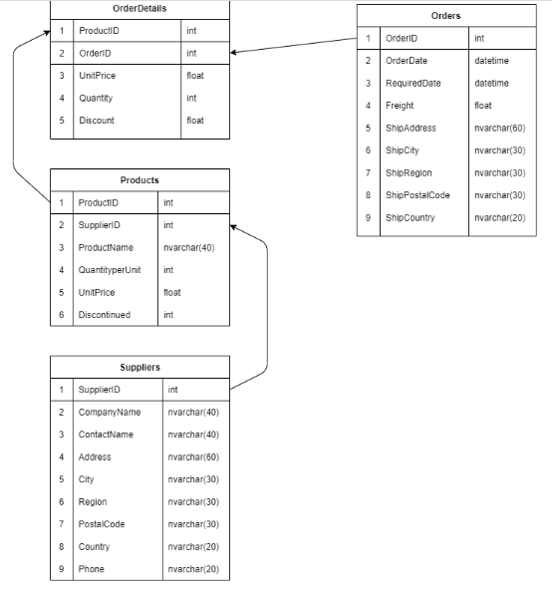

s_Suppliers
h_Suppliers_rk: bigint
CompanyName: nvarchar(40)
ContactName: nvarchar(40)
Address: nvarchar(60)
City: nvarchar(60)
Region: nvarchar(60)
PostalCode: nvarchar(60)
Country: nvarchar(60)
Phone: nvarchar(60)
valid_from_dttm: datatime
valid_to_dttm: datatime
source_system: string
processed_dttm: datetime
source_system: string
h_Suppliers
h_Suppliers_rk: bigint
SupplierID: bigint
processed_dttm: datetime

OrderID: bigint
l_Orders_Products
l_Orders_Products_rk: bigint
ProductID: bigint
source_system: string
processed_dttm: datetime
Quantity: int
l_ s_Orders_Products
l_Orders_Products_rk: bigint
UnitPrice: float
Discount: float
valid_from_dttm: datatime
valid_to_dttm: datatime
source_system: string
processed_dttm: datetime

RequiredDate: datetime
s_Orders
h_Orders_rk: bigint
OrderDate: datetime
Freigft: float
ShipAddress: nvarchar(60)
ShipCity: nvarchar(30)
ShipRegion: nvarchar(30)
ShipPostalCode: nvarchar(30)
ShipCountry: nvarchar(20)
valid_from_dttm: datatime
valid_to_dttm: datatime
source_system: string
processed_dttm: datetime
source_system: string
h_Orders
h_Orders_rk: bigint
OrderID: bigint
processed_dttm: datetime

DZ4_Anchor
attr_OrderDetails_OrderID
valid_from_dttm: datatime
prossesed_dttm: datatime
OrderID: nvarchar(40)
attr_OrderDetails_UnitPrice
valid_from_dttm: datatime
prossesed_dttm: datatime
UnitPrice: int
attr_OrderDetails_Quantity
valid_from_dttm: datatime
prossesed_dttm: datatime
Quantity: float
a_OrderDetails_rk: bigint
a_OrderDetails_rk: bigint
attr_Orders_ShipCountry
valid_from_dttm: datatime
prossesed_dttm: datatime
ShipCountry: nvarchar(40)
a_Orders_rk: bigint
attr_Suppliers_CompanyName
valid_from_dttm: datatime
prossesed_dttm: datatime
CompanyName: nvarchar(40)
attr_Orders_OrderID
a_OrderDetails_rk: bigint
a_Orders_rk: bigint
a_Orders_rk: bigint
OrderID: int
valid_from_dttm: datatime
prossesed_dttm: datatime
a_OrderDetails_rk: bigint
attr_OrderDetails_Discount
valid_from_dttm: datatime
prossesed_dttm: datatime
Discount: bigint
attr_Orders_ShipPostalCode
valid_from_dttm: datatime
prossesed_dttm: datatime
ShipPostalCode: nvarchar(30)
a_Orders_rk: bigint
attr_Orders_OrderDate
valid_from_dttm: datatime
prossesed_dttm: datatime
OrderDate: datetime

attr_OrderDetails_ProductID
a_OrderDetails_rk: bigint
valid_from_dttm: datatime
prossesed_dttm: datatime
ProductID: bigint
source_system: string
a_OrderDetails
a_OrderDetails_rk: bigint
processed_dttm: datetime
a_Orders_rk: bigint
source_system: string
a_Orders
a_Orders_rk: bigint
processed_dttm: datetime

a_Orders_rk: bigint
t_Orders_OrderDetails
t_Orders_OrderDetails_rk: bigint
a_OrderDetails_rk: bigint
source_system: string
processed_dttm: datetime

attr_Orders_Freight
valid_from_dttm: datatime
prossesed_dttm: datatime
Freight: float

a_Orders_rk: bigint

attr_Orders_Region
valid_from_dttm: datatime
prossesed_dttm: datatime
Region: nvarchar(30)

a_Products_rk: bigint
t_Products_OrderDetails
t_OrderDetails_Products_rk: bigint
a_OrderDetails_rk: bigint
source_system: string
processed_dttm: datetime
a_Orders_rk: bigint
attr_Orders_ShipCity
valid_from_dttm: datatime
prossesed_dttm: datatime
ShipCity: nvarchar(30)
attr_Orders_ShipAddress
valid_from_dttm: datatime
prossesed_dttm: datatime
ShipAddress: nvarchar(60)
a_Orders_rk: bigint
a_Orders_rk: bigint

attr_Products_SupplierID
a_Products_rk: bigint
valid_from_dttm: datatime
prossesed_dttm: datatime
SupplierID: bigint
attr_Products_QuantityPerUnit
a_Products_rk: bigint
valid_from_dttm: datatime
prossesed_dttm: datatime
QuantityPerUnit: int

attr_Products_UnitPrice
a_Products_rk: bigint
valid_from_dttm: datatime
prossesed_dttm: datatime
UnitPrice: float

source_system: string
a_Products
a_Products_rk: bigint
processed_dttm: datetime

attr_Products_ProductID
a_Products_rk: bigint
valid_from_dttm: datatime
prossesed_dttm: datatime
ProductID:bigint

attr_Products_Discontinued
a_Products_rk: bigint
valid_from_dttm: datatime
prossesed_dttm: datatime
Discontinued: int

attr_Products_ProductName
a_Products_rk: bigint
valid_from_dttm: datatime
prossesed_dttm: datatime
ProductName: nvarchar(40)

t_Suppliers_Products
t_Suppliers_Products_rk: bigint
a_Products_rk: bigint

a_Suppliers_rk: bigint
source_system: string

processed_dttm: datetime

attr_Suppliers_CompanyName
a_Suppliers_rk: bigint
valid_from_dttm: datatime
prossesed_dttm: datatime
CompanyName: nvarchar(40)
attr_Suppliers_ContactName
a_Suppliers_rk: bigint
valid_from_dttm: datatime
prossesed_dttm: datatime
ContactName: nvarchar(40)

attr_Suppliers_SupplierID
a_Suppliers_rk: bigint
valid_from_dttm: datatime
prossesed_dttm: datatime
SupplierID: bigint

attr_Suppliers_Address
a_Suppliers_rk: bigint
valid_from_dttm: datatime
prossesed_dttm: datatime
Address: nvarchar(60)

source_system: string
a_Suppliers
a_Suppliers_rk: bigint
processed_dttm: datetime
attr_Suppliers_Phone
a_Suppliers_rk: bigint
valid_from_dttm: datatime
prossesed_dttm: datatime
Phone: nvarchar(60)

attr_Suppliers_City
a_Suppliers_rk: bigint
valid_from_dttm: datatime
prossesed_dttm: datatime
City: nvarchar(60)

attr_Suppliers_Country
a_Suppliers_rk: bigint
valid_from_dttm: datatime
prossesed_dttm: datatime
Country: nvarchar(60)

attr_Suppliers_PostalCode
a_Suppliers_rk: bigint
valid_from_dttm: datatime
prossesed_dttm: datatime
PostalCode: nvarchar(60)
attr_Suppliers_Region
a_Suppliers_rk: bigint
valid_from_dttm: datatime
prossesed_dttm: datatime
Region: nvarchar(60)

