DZ3_DataVault
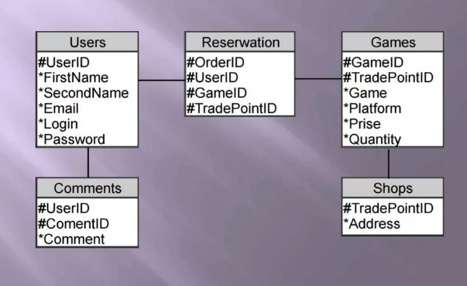
s_Users | h_Users
h_Users_rk: bigint | h_Users_rk: bigint
FirstName: nvarchar(30) | UserID: bigint
SecondNameName: nvarchar(30) | source_system: string
Email: nvarchar(30) | prossesed_dttm: datetime
Login: nvarchar(30) |  | l_Users_Comments
Password: nvarchar(30) |  | h_Users_rk: bigint
valid_from_dttm: datetime |  | h_Comments_rk: bigint
valid_to_dttm: datetime |  | source_system: string
source_system: string |  | prossesed_dttm: datetime
prossesed_dttm: datetime

s_Comments | h_Comments
h_Comments_rk: bigint | h_Comments_rk: bigint
Comment: nvarchar(30) | CommentID: bigint
valid_from_dttm: datetime | source_system: string | l_Orders_Users_Games_Shops | l_s_Orders
valid_to_dttm: datetime | prossesed_dttm: datetime | h_Users_rk: bigint | h_Orders_rk: bigint
source_system: string |  | h_Games_rk: bigint | valid_from_dttm: datetime
prossesed_dttm: datetime |  | h_Orders_rk: bigint | valid_to_dttm: datetime
 |  | h_Shops_rk: bigint | source_system: string
s_Games | h_Games | source_system: string | prossesed_dttm: datetime
h_Games_rk: bigint | h_Games_rk: bigint | prossesed_dttm: datetime
TradePointID: bigint | GameID: bigint
Game: nvarchar(30) | source_system: string
Platform: nvarchar(30) | prossesed_dttm: datetime
Price: float
Quantity: bigint
valid_from_dttm: datetime
valid_to_dttm: datetime |  | l_Games_Shops
source_system: string |  | h_Games_rk: bigint
prossesed_dttm: datetime |  | h_Shops_rk: bigint
 |  | source_system: string
 |  | prossesed_dttm: datetime
s_Shops | h_Shops
h_Shops_rk: bigint | h_Shops_rk: bigint
Address: nvarchar(30) | TradePointID: bigint
valid_from_dttm: datetime | source_system: string
valid_to_dttm: datetime | prossesed_dttm: datetime
source_system: string
prossesed_dttm: datetime

