Sheet1
JINHUA SUPERGROUP LEISURE PRODUCTS CO.,LTD
Add: No.98th, Development Road, Baiyang Street, Wuyi County, Jinhua City, Zhejiang Province. 321000 Email: sales1@cnhitree.com Mobile / What's App: +86-134 8625 4903 Skype: 3116955465@qq.com Wechat: YK_Supersales2 Tel: +86-579-87298010 Fax: 86-579-87298020 Website: https://cnsupergroup.en.alibaba.com / www.cnhitree.com QQ: 3116955465 Contact Person: Fanny
Quotation: |  |  |  |  |  |  |  |  |  | 2026-08-21 11:00:00
Item No | Folding bed | Specification | Packing Info. |  |  |  |  | Weight (kgs) |  | Quantity |  | FOB Ningbo
 |  |  | L (cm) | W (cm) | H (cm) | PCS | CBM (m³) | G.W | N.W | Container | Pieces
HT-W170A | 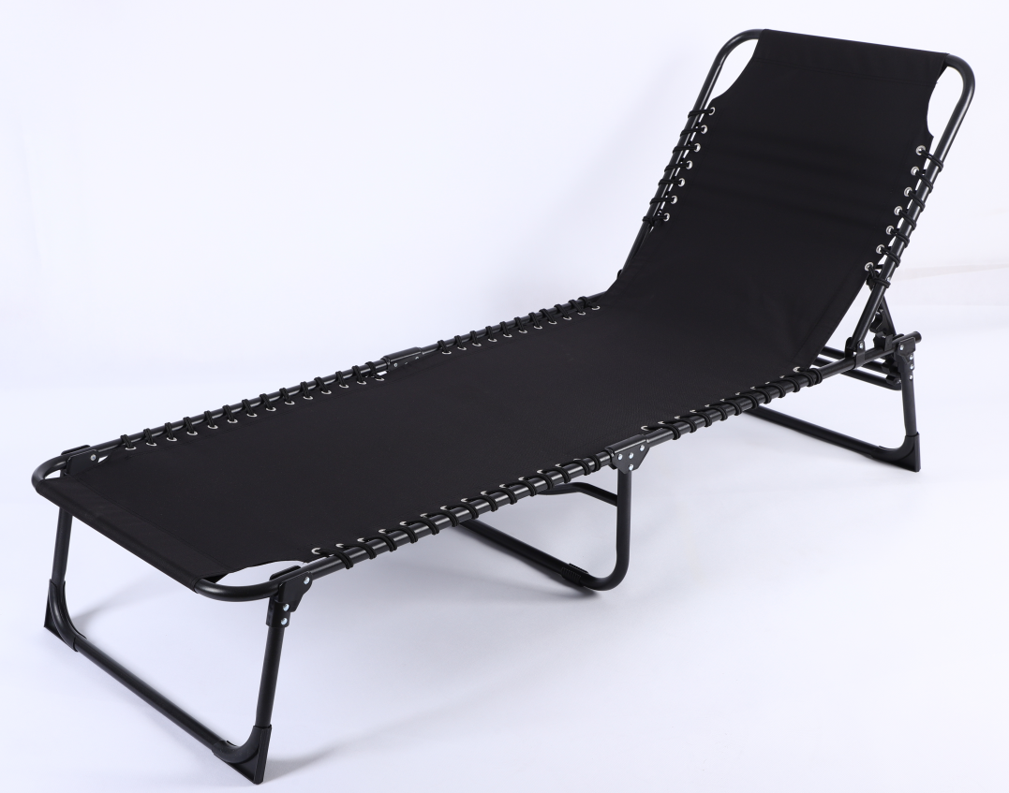 | Material Fabric: 600D Polyester Tube:Φ22 x1.0mm Unfolding size 190*56*31CM unit weight:5.6kgs | 78 | 58 | 61 | 4 | 0.276 | 24.5 | 23 | 1X20"GP | 406 | 15.89 USD
 |  |  |  |  |  |  |  |  |  | 1X40"GP | 812 | 14.61 USD
 |  |  |  |  |  |  |  |  |  | 1X40"HQ | 986 | 14.34 USD

Item No | Folding bed | Specification | Packing Info. |  |  |  |  | Weight (kgs) |  | Quantity |  | FOB Ningbo
 |  |  | L (cm) | W (cm) | H (cm) | PCS | CBM (m³) | G.W | N.W | Container | Pieces
HT-W170B |  | Material Fabric: 600D Polyester Tube:Φ22 x1.0mm Unfolding size 190*56*31CM unit weight:5.6kgs | 78 | 30 | 61 | 2 | 0.143 | 24.5 | 23 | 1X20"GP | 392 | 16.28 USD
 |  |  |  |  |  |  |  |  |  | 1X40"GP | 785 | 14.96 USD
 |  |  |  |  |  |  |  |  |  | 1X40"HQ | 953 | 14.68 USD

 | REMARKS:
 | 1, Price based on FOB shipment. Payment way: Bank transfer(T/T) or L/C at sight .
 | T/T:30% advance deposit + 70% balance against the B/L copy.
 | 2, Samples Lead time: within 5-7 work days
 | 3, Pattern: We can customize the material + size + color as customers' demand.
 | 4, HS Code : Folding Chair: 9401790000
 | 5, Quotation Valid within 30 days


Profile
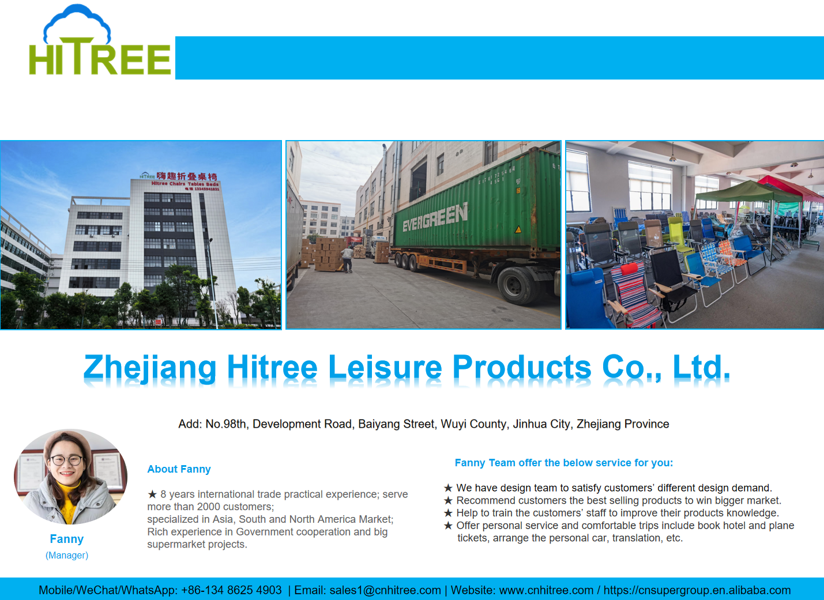

 | 黑色BLACK | 红色RED | 海军蓝NAVY BLUE |  | 深灰DARK GREY |  |  | 棕褐色BROWN |  | 珍珠米BEIGE

 | sandbag base：

