case1
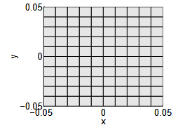
 |  |  | 截面参数 | BECAS | VABS | PcsL | Diff.(BECAS) | Diff.(VABS) | 截面参数 | BECAS | VABS | PcsL | Diff.(BECAS) | Diff.(VABS)
 |  |  | Ks11 | 3.49E-01 | 3.49E-01 | 3.47E-01 | -0.62% | -0.62% | Ks11 | 3.49E-01 | 3.49E-01 | 3.47E-01 | -0.62% | -0.62%
 |  |  | Ks22 | 3.49E-01 | 3.49E-01 | 3.47E-01 | -0.62% | -0.62% | Ks22 | 3.49E-01 | 3.49E-01 | 3.47E-01 | -0.62% | -0.62%
 |  |  | Ks33 | 1.00E+00 | 1.00E+00 | 1.00E+00 | 0.00% | 0.00% | Ks33 | 1.00E+00 | 1.00E+00 | 1.00E+00 | 0.00% | 0.00%
 |  |  | Ks44 | 8.34E-04 | 8.34E-04 | 8.33E-04 | -0.06% | -0.06% | Ks44 | 8.34E-04 | 8.34E-04 | 8.33E-04 | -0.06% | -0.06%
 |  |  | Ks55 | 8.34E-04 | 8.34E-04 | 8.33E-04 | -0.06% | -0.06% | Ks55 | 8.34E-04 | 8.34E-04 | 8.33E-04 | -0.06% | -0.06%
 |  |  | Ks66 | 5.91E-04 | 5.91E-04 | 5.87E-04 | -0.67% | -0.67% | Ks66 | 5.91E-04 | 5.91E-04 | 5.87E-04 | -0.67% | -0.67%

 |  |  | 截面参数 | BECAS | VABS | PcsL | Diff.(BECAS) | Diff.(VABS)
 |  |  | Ks11 | 3.49E-01 | 3.49E-01 | 3.47E-01 | -0.62% | -0.62%
 |  |  | Ks22 | 3.49E-01 | 3.49E-01 | 3.47E-01 | -0.62% | -0.62%
材料系数 | 值 | 单位 | Ks33 | 1.00E+00 | 1.00E+00 | 1.00E+00 | 0.00% | 0.00%
E | 100 | Pa | Ks44 | 8.34E-04 | 8.34E-04 | 8.33E-04 | -0.06% | -0.06%
G | 41.667 | - | Ks55 | 8.34E-04 | 8.34E-04 | 8.33E-04 | -0.06% | -0.06%
Nu | 0.2 | - | Ks66 | 5.91E-04 | 5.91E-04 | 5.87E-04 | -0.67% | -0.67%
密度 | 1 | kg/m³

case2
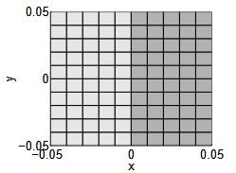
截面参数 | BECAS | VABS | PcsL | Diff.(BECAS) | Diff.(VABS) | 截面参数 | BECAS | VABS | PcsL | Diff.(BECAS) | Diff.(VABS)
Ks11 | 5.00E-01 | 5.00E-01 | 5.01E-01 | 0.10% | 0.10% | Ks11 | 5.00E-01 | 5.00E-01 | 5.01E-01 | 0.10% | 0.10%
Ks22 | 1.68E-01 | 1.68E-01 | 1.64E-01 | -2.26% | -2.26% | Ks22 | 1.68E-01 | 1.68E-01 | 1.64E-01 | -2.26% | -2.26%
Ks33 | 1.75E-01 | 1.75E-01 | 1.74E-01 | -0.51% | -0.51% | Ks33 | 1.75E-01 | 1.75E-01 | 1.74E-01 | -0.51% | -0.51%
Ks44 | 2.31E-04 | 2.31E-04 | 2.33E-04 | 1.07% | 1.07% | Ks44 | 2.31E-04 | 2.31E-04 | 2.33E-04 | 1.07% | 1.07%
Ks55 | 2.31E-04 | 2.31E-04 | 2.33E-04 | 1.07% | 1.07% | Ks55 | 2.31E-04 | 2.31E-04 | 2.33E-04 | 1.07% | 1.07%
Ks66 | 4.17E-04 | 4.17E-04 | 4.17E-04 | 0.04% | 0.04% | Ks66 | 4.17E-04 | 4.17E-04 | 4.17E-04 | 0.04% | 0.04%
剪切中心xs | 2.49E-02 | 2.49E-02 | 2.50E-02 | 0.00% | 0.00% | 剪切中心xs | 2.49E-02 | 2.49E-02 | 2.50E-02 | 0.00% | 0.00%
弹性中心xt | 2.49E-02 | 2.49E-02 | 2.49E-02 | 0.00% | 0.00% | 弹性中心xt | 2.49E-02 | 2.49E-02 | 2.49E-02 | 0.00% | 0.00%

case6
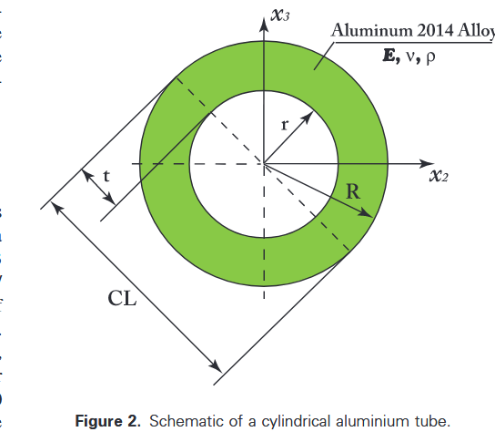
计算结果表格 |  |  |  |  |  |  | 误差表
t2R | Method | EA | El22 = El33 | GJ | i22 = i33 | u | t2R | Method | EA | El22 = El33 | GJ | i22 = i33 | u
1/15 | PreComp | 5.500E+09 | 2.152E+08 | 1.614E+08 | 8.264E+00 | 2.110E+02 | 1/15 | PreComp | 6.66% | 6.06% | 5.98% | 6.21% | 6.68%
 | VABS | 5.128E+09 | 2.022E+08 | 1.544E+08 | 7.755E+00 | 1.967E+02 |  | VABS | -0.11% | 0.02% | 1.72% | 0.06% | -0.11%
 | FAROB | / | 2.024E+08 | 1.413E+08 | / | 1.970E+02 |  | FAROB | / | 0.12% | -7.39% | / | 0.05%
 | CROSTAB | 5.138E+09 | 2.014E+08 | 1.227E+08 | 7.726E+00 | 1.971E+02 |  | CROSTAB | 0.08% | -0.37% | -23.67% | -0.32% | 0.10%
 | Elasticity | 5.137E+09 | 2.024E+08 | 1.553E+08 | 7.763E+00 | 1.970E+02 |  | Elasticity | 0.06% | 0.12% | 2.29% | 0.16% | 0.05%
 | PcsL | 5.134E+09 | 2.021E+08 | 1.517E+08 | 7.751E+00 | 1.969E+02 |  | PcsL | 0.00% | 0.00% | 0.00% | 0.00% | 0.00%
1/7.5 | PreComp | 1.100E+10 | 3.733E+08 | 2.783E+08 | 1.434E+01 | 4.219E+02 | 1/7.5 | PreComp | 13.33% | 11.68% | 11.08% | 11.86% | 13.32%
 | VABS | 9.523E+09 | 3.298E+08 | 2.518E+08 | 1.265E+01 | 3.653E+02 |  | VABS | -0.12% | 0.03% | 1.72% | 0.08% | -0.11%
 | FAROB | / | 3.301E+08 | 2.101E+08 | / | 3.659E+02 |  | FAROB | / | 0.13% | -17.79% | / | 0.06%
 | CROSTAB | 9.544E+09 | 3.224E+08 | 1.168E+08 | 1.238E+01 | 3.661E+02 |  | CROSTAB | 0.10% | -2.26% | -111.88% | -2.10% | 0.11%
 | Elasticity | 9.540E+09 | 3.301E+08 | 2.532E+08 | 1.266E+01 | 3.659E+02 |  | Elasticity | 0.06% | 0.13% | 2.26% | 0.16% | 0.06%
 | PcsL | 9.534E+09 | 3.297E+08 | 2.475E+08 | 1.264E+01 | 3.657E+02 |  | PcsL | 0.00% | 0.00% | 0.00% | 0.00% | 0.00%
1/5 | PreComp | 1.650E+10 | 4.832E+08 | 3.556E+08 | 1.856E+01 | 6.329E+02 | 1/5 | PreComp | 19.99% | 16.45% | 14.78% | 16.61% | 20.00%
 | VABS | 1.318E+10 | 4.038E+08 | 3.083E+08 | 1.549E+01 | 5.057E+02 |  | VABS | -0.16% | 0.02% | 1.71% | 0.09% | -0.13%
 | FAROB | / | 4.042E+08 | 2.288E+08 | / | 5.067E+02 |  | FAROB | / | 0.12% | -32.45% | / | 0.07%
 | CROSTAB | 1.322E+10 | 3.804E+08 | 2.106E+08 | 1.461E+01 | 5.070E+02 |  | CROSTAB | 0.14% | -6.13% | -43.89% | -5.93% | 0.13%
 | Elasticity | 1.321E+10 | 4.042E+08 | 3.101E+08 | 1.550E+01 | 5.067E+02 |  | Elasticity | 0.07% | 0.12% | 2.28% | 0.15% | 0.07%
 | PcsL | 1.320E+10 | 4.037E+08 | 3.030E+08 | 1.548E+01 | 5.063E+02 |  | PcsL | 0.00% | 0.00% | 0.00% | 0.00% | 0.00%
2/7.5 | PreComp | 2.200E+10 | 5.537E+08 | 3.984E+08 | 2.127E+01 | 8.438E+02 | 2/7.5 | PreComp | 26.66% | 20.20% | 16.75% | 20.38% | 26.66%
 | VABS | 1.613E+10 | 4.423E+08 | 3.386E+08 | 1.696E+01 | 6.188E+02 |  | VABS | -0.03% | 0.10% | 2.05% | 0.15% | -0.01%
 | FAROB | / | 4.423E+08 | 2.154E+08 | / | 6.193E+02 |  | FAROB | / | 0.10% | -53.97% | / | 0.07%
 | CROSTAB | 1.616E+10 | 3.907E+08 | 3.365E+08 | 1.501E+01 | 6.198E+02 |  | CROSTAB | 0.16% | -13.09% | 1.44% | -12.83% | 0.15%
 | Elasticity | 1.615E+10 | 4.424E+08 | 3.394E+08 | 1.697E+01 | 6.193E+02 |  | Elasticity | 0.10% | 0.13% | 2.28% | 0.21% | 0.07%
 | PcsL | 1.613E+10 | 4.418E+08 | 3.317E+08 | 1.694E+01 | 6.189E+02 |  | PcsL | 0.00% | 0.00% | 0.00% | 0.00% | 0.00%
1/3 | PreComp | 2.750E+10 | 5.936E+08 | 4.115E+08 | 2.280E+01 | 1.055E+03 | 1/3 | PreComp | 33.33% | 22.82% | 16.44% | 23.00% | 33.34%
 | VABS | 1.834E+10 | 4.586E+08 | 3.515E+08 | 1.759E+01 | 7.034E+02 |  | VABS | 0.03% | 0.11% | 2.17% | 0.20% | 0.02%
 | FAROB | / | 4.586E+08 | 1.839E+08 | / | 7.037E+02 |  | FAROB | / | 0.11% | -86.98% | / | 0.06%
 | CROSTAB | 1.837E+10 | 3.669E+08 | 3.309E+08 | 1.411E+01 | 7.046E+02 |  | CROSTAB | 0.19% | -24.86% | -3.92% | -24.42% | 0.19%
 | Elasticity | 1.835E+10 | 4.587E+08 | 3.519E+08 | 1.759E+01 | 7.037E+02 |  | Elasticity | 0.08% | 0.13% | 2.28% | 0.20% | 0.06%
 | PcsL | 1.833E+10 | 4.581E+08 | 3.439E+08 | 1.756E+01 | 7.033E+02 |  | PcsL | 0.00% | 0.00% | 0.00% | 0.00% | 0.00%

case7
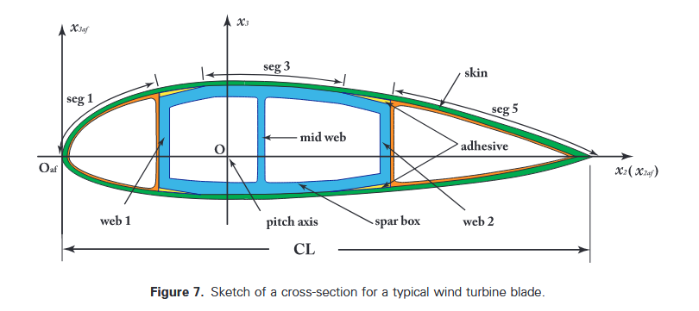
 | PreComp | CROSTAB | VABS | PCSL | Diff.(PreComp) | Diff.(CROSTAB) | Diff.(VABS) |  | pcsl标号
EI22 | 2.103E+07 | 1.459E+08 | 1.916E+07 | 2.023E+07 | 4% | 86% | -6% | 1 | 3
El33 | 6.309E+08 | 4.878E+08 | 4.398E+08 | 5.576E+08 | 12% | -14% | -27% | 3 | 4
GJ | 1.008E+07 | 2.469E+07 | 2.167E+07 | 2.038E+07 | -102% | 17% | 6% | 4 | 5
EA | 3.000E+09 | 2.789E+09 | 2.387E+09 | 2.415E+09 | 19% | 13% | -1% | 2 | 6
S34 | -8.132E+06 | 6.010E+07 | 1.210E+07 | 1.492E+07 | 284% | 75% | -23%
S13 | -1.037E+06 | 5.216E+08 | -2.635E+07 | -2.795E+07 | -2596% | 105% | -6%
S14 | -1.301E+08 | 1.685E+08 | -4.724E+08 | -6.956E+08 | -435% | 513% | -47%
S23 | -3.776E+05 | 9.002E+09 | -5.222E+04 | -1.316E+04 | 97% | 100% | 75%
S24 | 8.746E+06 | -1.208E+09 | 1.422E+06 | 4.045E+06 | 54% | 100% | -184%
S12 | 7.522E+05 | -1.723E+09 | -3.381E+07 | -3.122E+07 | 4250% | 98% | 8%
μ | 2.859E+02 | 2.891E+02 | 2.581E+02 | 2.598E+02 | 9% | 10% | -1%
i22 | 2.211E+00 | 5.144E+00 | 2.172E+00 | 2.197E+00 | 1% | 57% | -1%
i33 | 6.272E+01 | 6.134E+01 | 4.642E+01 | 4.980E+01 | 21% | 19% | -7%
Xm2 | 3.320E-01 | 2.840E-01 | 2.778E-01 | 2.769E-01 | 17% | 3% | 0%
Xm3 | 2.700E-02 | -2.800E-02 | 2.743E-02 | -4.479E-01 | 1759% | -1499% | 1733%
Xt2 | 3.310E-01 | -2.900E-02 | 2.330E-01 | 2.324E-01 | 30% | 902% | 0%
Xt3 | 2.800E-02 | 2.273E-01 | 2.900E-02 | -4.463E-01 | 1694% | 296% | 1639%
Xs2 | 2.870E-01 | / | 3.100E-02 | -5.921E-02 | 121% | / | 291%
Xs3 | 2.800E-02 | / | 4.000E-02 | -4.345E-01 | 1652% | / | 1186%
 | 7.620E-01 | #VALUE! | 5.060E-01 | 4.158E-01
 | 2.77E-01

