Лист1
...
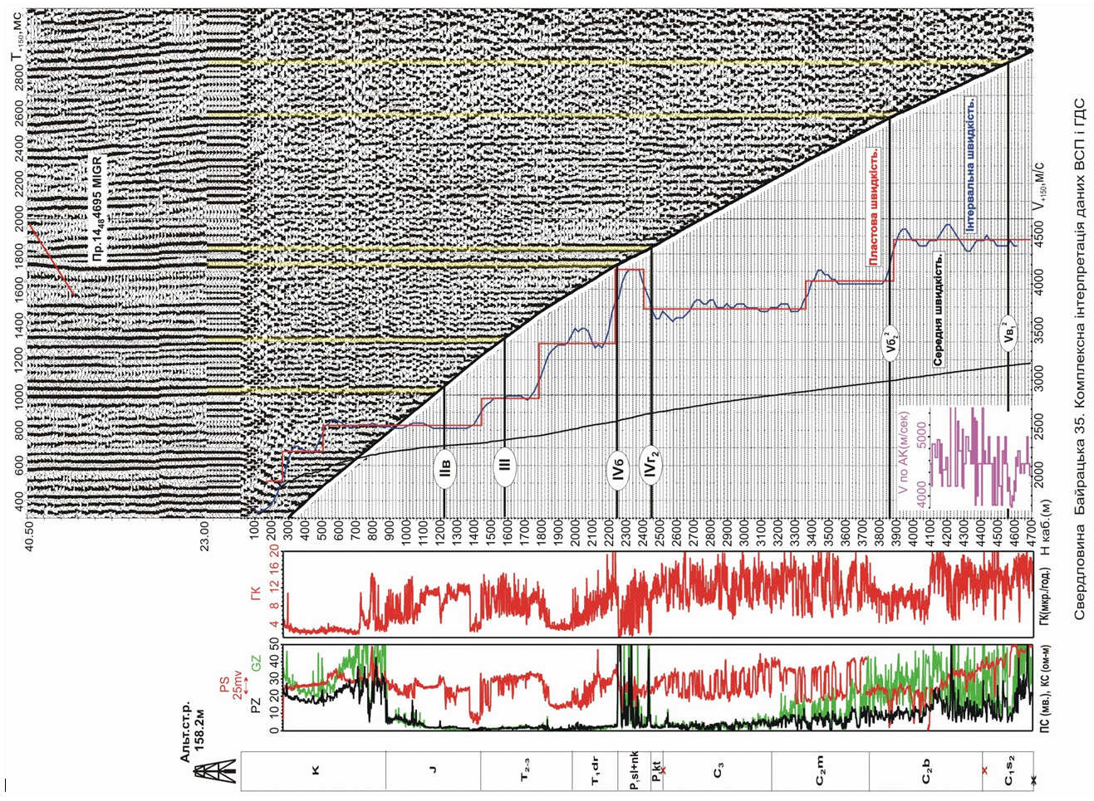
dH_cor | Dt_cor | Vint_cor | Vint_filred_avg_5 | Vint_filtred_triangl_7 | OWT_cor_triangl_7
20 |  |  |  |  | 49
20 | 13 | 1538.4615385 | 1538.4615385 | 1538.4615385 | 62
20 | 11 | 1818.1818182 | 1818.1818182 | 1818.1818182 | 73
20 | 12 | 1666.6666667 | 1666.6666667 | 1666.6666667 | 85
20 | 12 | 1666.6666667 | 1666.6666667 | 1666.6666667 | 97
20 | 12 | 1666.6666667 | 1671.3286713 | 1723.2420357 | 108.625
20 | 11 | 1818.1818182 | 1782.4397824 | 1802.0347708 | 119.9375
20 | 13 | 1538.4615385 | 1949.1064491 | 1880.8275058 | 130.875
20 | 9 | 2222.2222222 | 1979.4094794 | 2050.0506438 | 141
Сравнение скоростей
 |  |  | Vint_filtred_triangl_7 |  | Vint_corrected
146.18 | 1538.4615385 | 146.18 | 1538.4615385 |  | 1538.4615385
166.18 | 1818.1818182 | 166.18 | 1818.1818182 |  | 1818.1818182
186.18 | 1666.6666667 | 186.18 | 1666.6666667 |  | 1666.6666667
206.18 | 1666.6666667 | 206.18 | 1666.6666667 |  | 1666.6666667
226.18 | 1671.3286713 | 226.18 | 1723.2420357 |  | 1666.6666667
246.18 | 1782.4397824 | 246.18 | 1802.0347708 |  | 1818.1818182
266.18 | 1949.1064491 | 266.18 | 1880.8275058 |  | 1538.4615385
286.18 | 1979.4094794 | 286.18 | 2050.0506438 |  | 2222.2222222
306.18 | 2187.2016872 | 306.18 | 2184.5515596 |  | 2500
326.18 | 2323.953824 | 326.18 | 2266.969142 |  | 1818.1818182
346.18 | 2379.5093795 | 346.18 | 2392.0003608 |  | 2857.1428571
366.18 | 2379.5093795 | 366.18 | 2381.0425685 |  | 2222.2222222
386.18 | 2415.8730159 | 386.18 | 2356.1958874 |  | 2500
406.18 | 2244.4444444 | 406.18 | 2331.3492063 |  | 2500
426.18 | 2300 | 426.18 | 2232.6388889 |  | 2000
446.18 | 2200 | 446.18 | 2241.0714286 |  | 2000
466.18 | 2271.4285714 | 466.18 | 2277.281746 |  | 2500
486.18 | 2315.8730159 | 486.18 | 2313.4920635 |  | 2000
506.18 | 2415.8730159 | 506.18 | 2464.2857143 |  | 2857.1428571
526.18 | 2582.5396825 | 526.18 | 2521.8253968 |  | 2222.2222222
546.18 | 2626.984127 | 546.18 | 2605.1587302 |  | 2500
566.18 | 2626.984127 | 566.18 | 2688.4920635 |  | 3333.3333333
586.18 | 2682.5396825 | 586.18 | 2636.4087302 |  | 2222.2222222
606.18 | 2682.5396825 | 606.18 | 2641.3690476 |  | 2857.1428571
626.18 | 2515.8730159 | 626.18 | 2584.3253968 |  | 2500
646.18 | 2571.4285714 | 646.18 | 2527.281746 |  | 2500
666.18 | 2500 | 666.18 | 2522.3214286 |  | 2500
686.18 | 2500 | 686.18 | 2500 |  | 2500
706.18 | 2500 | 706.18 | 2500 |  | 2500
726.18 | 2500 | 726.18 | 2522.3214286 |  | 2500
746.18 | 2571.4285714 | 746.18 | 2544.6428571 |  | 2500
766.18 | 2571.4285714 | 766.18 | 2549.6031746 |  | 2500
786.18 | 2515.8730159 | 786.18 | 2576.8849206 |  | 2857.1428571
806.18 | 2587.3015873 | 806.18 | 2559.5238095 |  | 2500
826.18 | 2587.3015873 | 826.18 | 2542.1626984 |  | 2222.2222222
846.18 | 2515.8730159 | 846.18 | 2559.5238095 |  | 2857.1428571
866.18 | 2515.8730159 | 866.18 | 2532.2420635 |  | 2500
886.18 | 2571.4285714 | 886.18 | 2527.281746 |  | 2500
906.18 | 2500 | 906.18 | 2522.3214286 |  | 2500
926.18 | 2500 | 926.18 | 2500 |  | 2500
946.18 | 2500 | 946.18 | 2500 |  | 2500
966.18 | 2500 | 966.18 | 2500 |  | 2500
986.18 | 2500 | 986.18 | 2500 |  | 2500
1006.18 | 2500 | 1006.18 | 2500 |  | 2500
1026.18 | 2500 | 1026.18 | 2522.3214286 |  | 2500
1046.18 | 2571.4285714 | 1046.18 | 2544.6428571 |  | 2500
1066.18 | 2571.4285714 | 1066.18 | 2566.9642857 |  | 2500
1086.18 | 2571.4285714 | 1086.18 | 2589.2857143 |  | 2857.1428571
1106.18 | 2571.4285714 | 1106.18 | 2566.9642857 |  | 2500
1126.18 | 2571.4285714 | 1126.18 | 2544.6428571 |  | 2500
...
20 | 8 | 2500 | 2187.2016872 | 2184.5515596 | 150.5
20 | 11 | 1818.1818182 | 2323.953824 | 2266.969142 | 159.625
20 | 7 | 2857.1428571 | 2379.5093795 | 2392.0003608 | 168.1875
20 | 9 | 2222.2222222 | 2379.5093795 | 2381.0425685 | 176.75
20 | 8 | 2500 | 2415.8730159 | 2356.1958874 | 185.375
20 | 8 | 2500 | 2244.4444444 | 2331.3492063 | 194.0625
20 | 10 | 2000 | 2300 | 2232.6388889 | 203.125
20 | 10 | 2000 | 2200 | 2241.0714286 | 212.1875
20 | 8 | 2500 | 2271.4285714 | 2277.281746 | 221.125
20 | 10 | 2000 | 2315.8730159 | 2313.4920635 | 229.9375
20 | 7 | 2857.1428571 | 2415.8730159 | 2464.2857143 | 238.25
20 | 9 | 2222.2222222 | 2582.5396825 | 2521.8253968 | 246.375
20 | 8 | 2500 | 2626.984127 | 2605.1587302 | 254.25
20 | 6 | 3333.3333333 | 2626.984127 | 2688.4920635 | 261.875
20 | 9 | 2222.2222222 | 2682.5396825 | 2636.4087302 | 269.625
20 | 7 | 2857.1428571 | 2682.5396825 | 2641.3690476 | 277.3125
20 | 8 | 2500 | 2515.8730159 | 2584.3253968 | 285.125
20 | 8 | 2500 | 2571.4285714 | 2527.281746 | 293.0625
20 | 8 | 2500 | 2500 | 2522.3214286 | 301
20 | 8 | 2500 | 2500 | 2500 | 309
20 | 8 | 2500 | 2500 | 2500 | 317
20 | 8 | 2500 | 2500 | 2522.3214286 | 324.9375
20 | 8 | 2500 | 2571.4285714 | 2544.6428571 | 332.8125
20 | 8 | 2500 | 2571.4285714 | 2549.6031746 | 340.6875
20 | 7 | 2857.1428571 | 2515.8730159 | 2576.8849206 | 348.5
20 | 8 | 2500 | 2587.3015873 | 2559.5238095 | 356.375
20 | 9 | 2222.2222222 | 2587.3015873 | 2542.1626984 | 364.3125
20 | 7 | 2857.1428571 | 2515.8730159 | 2559.5238095 | 372.1875
20 | 8 | 2500 | 2515.8730159 | 2532.2420635 | 380.125
20 | 8 | 2500 | 2571.4285714 | 2527.281746 | 388.0625
20 | 8 | 2500 | 2500 | 2522.3214286 | 396
20 | 8 | 2500 | 2500 | 2500 | 404
20 | 8 | 2500 | 2500 | 2500 | 412
20 | 8 | 2500 | 2500 | 2500 | 420
20 | 8 | 2500 | 2500 | 2500 | 428
20 | 8 | 2500 | 2500 | 2500 | 436
20 | 8 | 2500 | 2500 | 2522.3214286 | 443.9375
20 | 8 | 2500 | 2571.4285714 | 2544.6428571 | 451.8125
20 | 8 | 2500 | 2571.4285714 | 2566.9642857 | 459.625
20 | 7 | 2857.1428571 | 2571.4285714 | 2589.2857143 | 467.375
20 | 8 | 2500 | 2571.4285714 | 2566.9642857 | 475.1875
20 | 8 | 2500 | 2571.4285714 | 2544.6428571 | 483.0625
20 | 8 | 2500 | 2500 | 2522.3214286 | 491
20 | 8 | 2500 | 2500 | 2500 | 499
20 | 8 | 2500 | 2500 | 2500 | 507
20 | 8 | 2500 | 2500 | 2500 | 515
20 | 8 | 2500 | 2500 | 2500 | 523
20 | 8 | 2500 | 2500 | 2500 | 531
20 | 8 | 2500 | 2500 | 2500 | 539
20 | 8 | 2500 | 2500 | 2500 | 547
20 | 8 | 2500 | 2500 | 2500 | 555
...

