Folha2
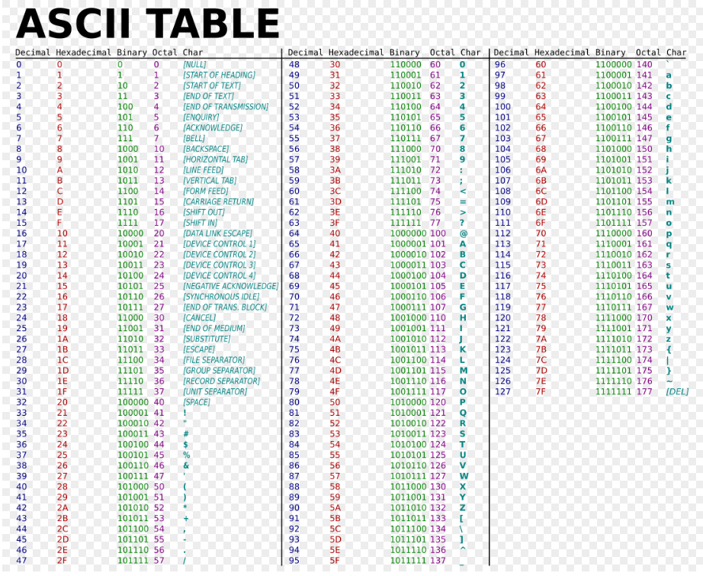
Password: | a | 1 | b | c | d | 6 | 7 | . | _ | 10 | 11 | 12 | g | p | 15 | 16 | 17 | 18 | 19 | 20

Codigo ASCII 1: | 01100001
Codigo ASCII 2: | 00000001
Codigo ASCII 3: | 01100010
Codigo ASCII 4: | 01100011

X= | 01100001000000010110001001100011

BSIG0(x) = ROTR^2(x) XOR ROTR^13(x) XOR ROTR^22(x)

ROTR^2(x) | 11011000010000000101100010011000 |  |  |  | 216 | 64 | 88 | 152

ROTR^13(x) | 00010011000110110000100000001011 |  |  |  | 19 | 27 | 8 | 11

ROTR^22(x) | 00000101100010011000110110000100 |  |  |  | 5 | 137 | 141 | 132

 |  |  |  |  | 206 | 210 | 221 | 23

 |  |  |  | BSIG0(x) = | 3469925655 |  |  |  | 206 | 13819159 | 11001110

 |  |  |  |  | 13819159 |  |  |  | 210 | 56599 | 11010010

 |  |  |  |  | 56599 |  |  |  | 221 | 23 | 11011101

 |  |  |  |  | 23 |  |  |  | 23 | 23 | 00010111

 |  |  |  | BSIG0(x) = | 11001110110100101101110100010111

X= | 01100001000000010110001001100011

BSIG1(x) = ROTR^6(x) XOR ROTR^11(x) XOR ROTR^25(x)

ROTR^6(x) | 10001101100001000000010110001001 |  |  |  | 141 | 132 | 5 | 137

ROTR^11(x) | 01001100011011000010000000101100 |  |  |  | 76 | 108 | 32 | 44

ROTR^25(x) | 10000000101100010011000110110000 |  |  |  | 128 | 177 | 49 | 176

 |  |  |  |  | 65 | 89 | 20 | 21

 |  |  |  | BSIG1(x) = | 1096356885 |  |  |  | 65 | 5837845 | 01000001

 |  |  |  |  | 5837845 |  |  |  | 89 | 5141 | 01011001

 |  |  |  |  | 5141 |  |  |  | 20 | 21 | 00010101

 |  |  |  |  | 20 |  |  |  | 20 | 20 | 00010100

 |  |  |  | BSIG1(x) = | 01000001010110010001010100010100

X= | 01100001000000010110001001100011

SSIG0(x) = ROTR^7(x) XOR ROTR^18(x) XOR SHR^3(x)

Codigo ASCII 5: | 01100100
Codigo ASCII 6: | 00000110
Codigo ASCII 7: | 00000111
Codigo ASCII 8: | 00101110

X= | 01100100000001100000011100101110

Codigo ASCII 9: | 01011111
Codigo ASCII 10: | 00001010
Codigo ASCII 11: | 00001011
Codigo ASCII 12: | 00001100

X= | 01011111000010100000101100001100

Codigo ASCII 13: | 01100111
Codigo ASCII 14: | 01110000
Codigo ASCII 15: | 00001111
Codigo ASCII 16: | 00010000

X= | 01100111011100000000111100010000

Codigo ASCII 17: | 00010001
Codigo ASCII 18: | 00010010
Codigo ASCII 19: | 00010011
Codigo ASCII 20: | 00010100

X= | 00010001000100100001001100010100

