1
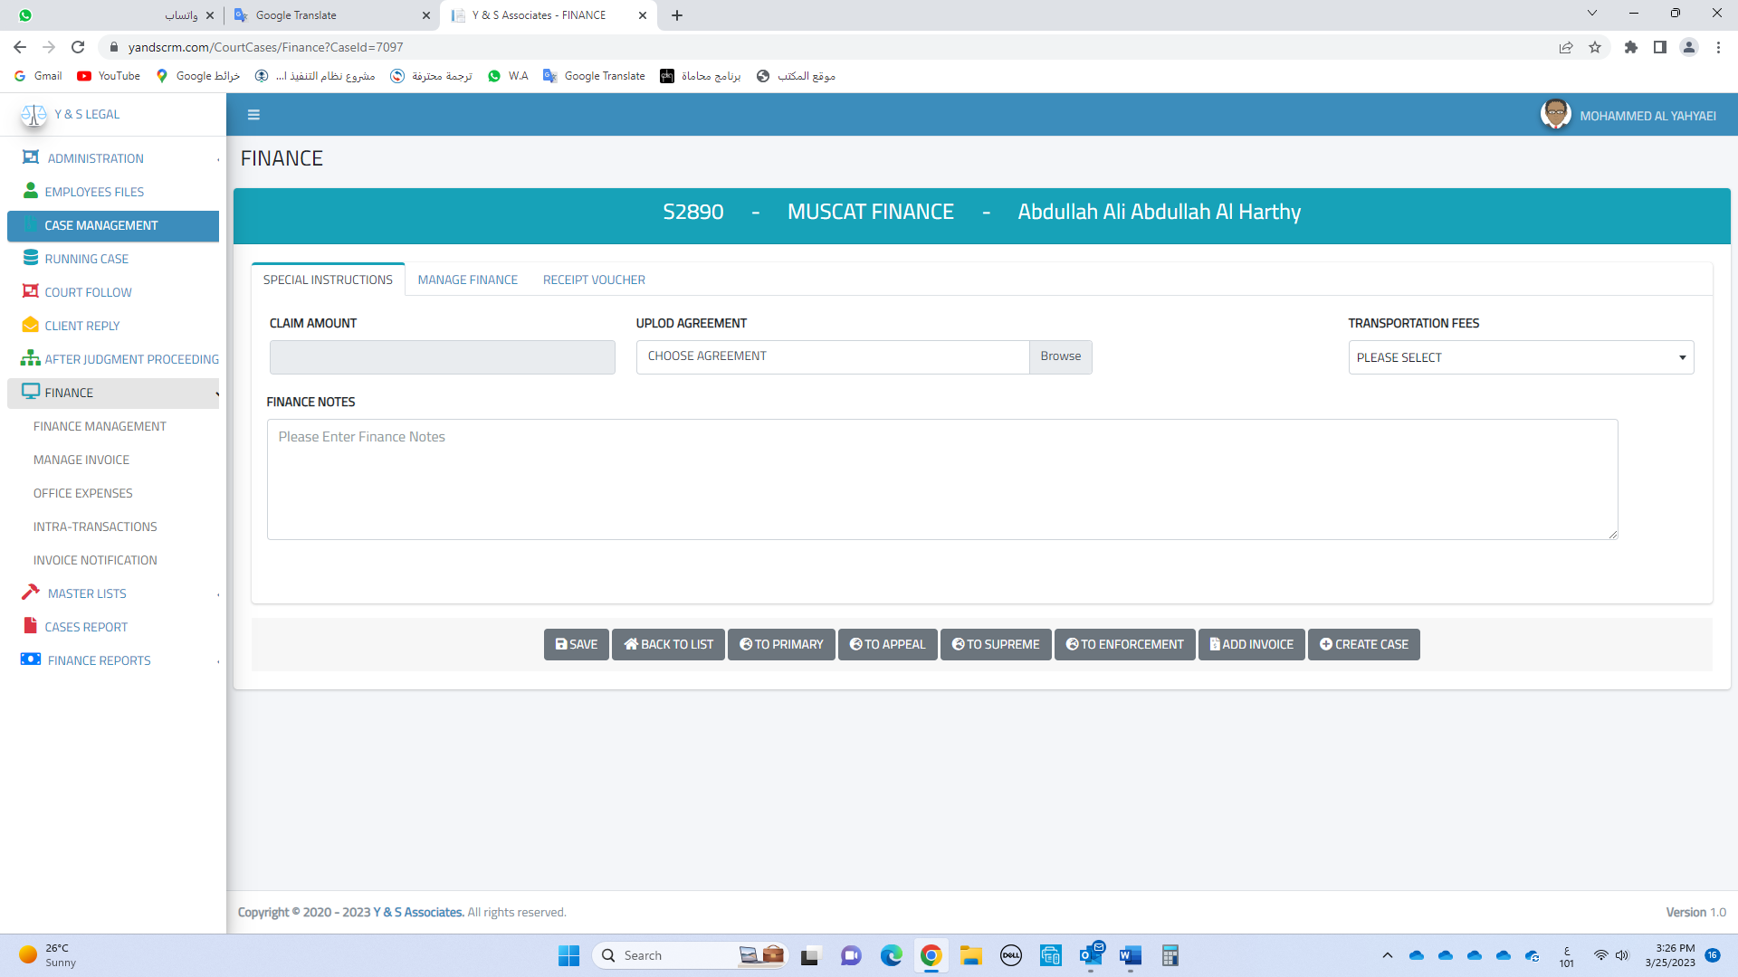
1
Add an option (translation) to this page

TRANSELATION
PLEASE SELECT
YES

TRANSELATION
2
Add an option (translation) HERE

In this table, the issues of Muscat and Salalah are shown together

3
How does the information come to this table?
A
If this option has been selected (Yes).
TRANSELATION
YES

B
If the date is changed from here

A
The system takes you to the page where the update was, it could be in the Execution section, (Sessions) or the Supreme Court. It generally takes you to that page
4
What happens when the pen is pressed?

B
The user will translate the Arabic text in (COURT DECISION) into English

5
How does the system arrange the data in the table, in terms of priority and importance?
A
The date of the oldest update is at the top, and if 72 hours have passed and the update has not been completed, the (line color) will turn red.

6
How does data disappear from this table?
A
If the system notices that the modification has been made here by adding an English text (COURT DECISION) and the user chooses (Save), then it immediately deletes the data from the table

When user 9 opens the system, this page opens directly to him

2
CHANGE TO CORPORATE

CHANGE TO CORPORATE

CORPORATE FEE

CORPORATE
1
Add an option (CORPORATE) HERE

2
If this option is selected, these files do not appear on this page

D.C
CORPORATE FEE

If (close) is chosen for any reason, the data will disappear from here

When user 31 opens the system, this page opens directly to him

