Sheet1
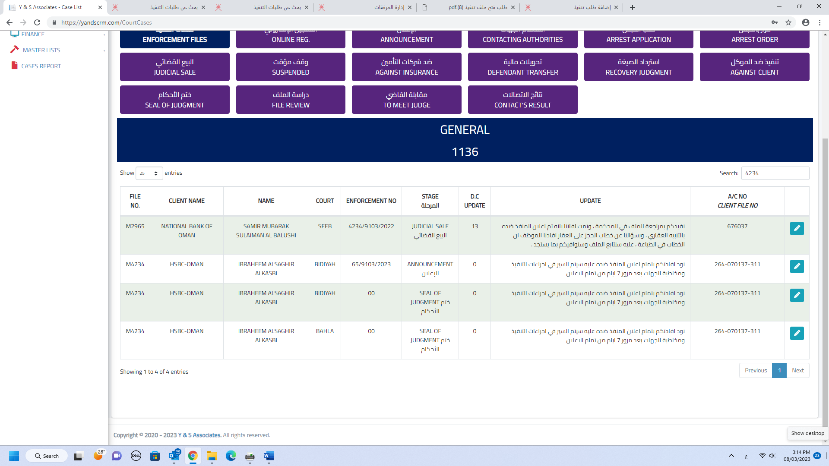

M4234

1
As noted by Mr. Ali. This file is in the enforcement. It is repeated 3 times

2

3

