1
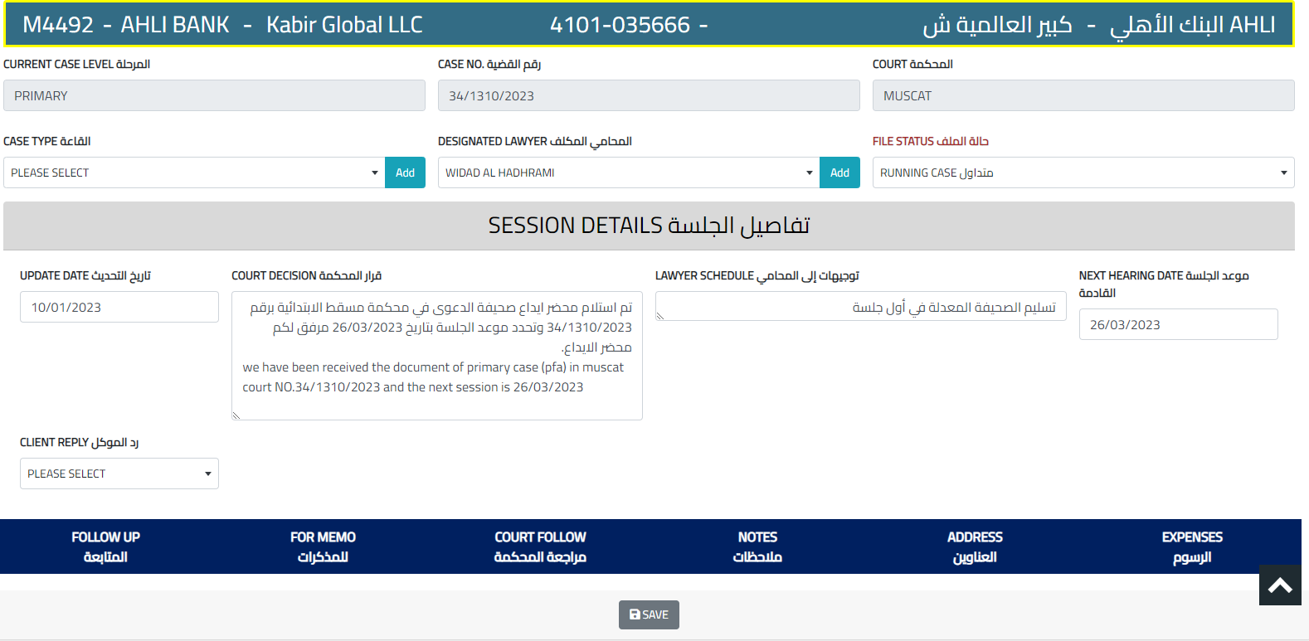
MEET JUDGE مقابلة قاضي التنفيذ
DISPUTE منازعة تنفيذ
AUCTION SESSION موعد جلسة المزاد

If one of these options is chosen, the same option as in the court session schedule appears below it, but if an execution dispute is chosen, then the usual option to fill in the execution dispute data appears at the beginning, and below it this option appears

