Sheet1
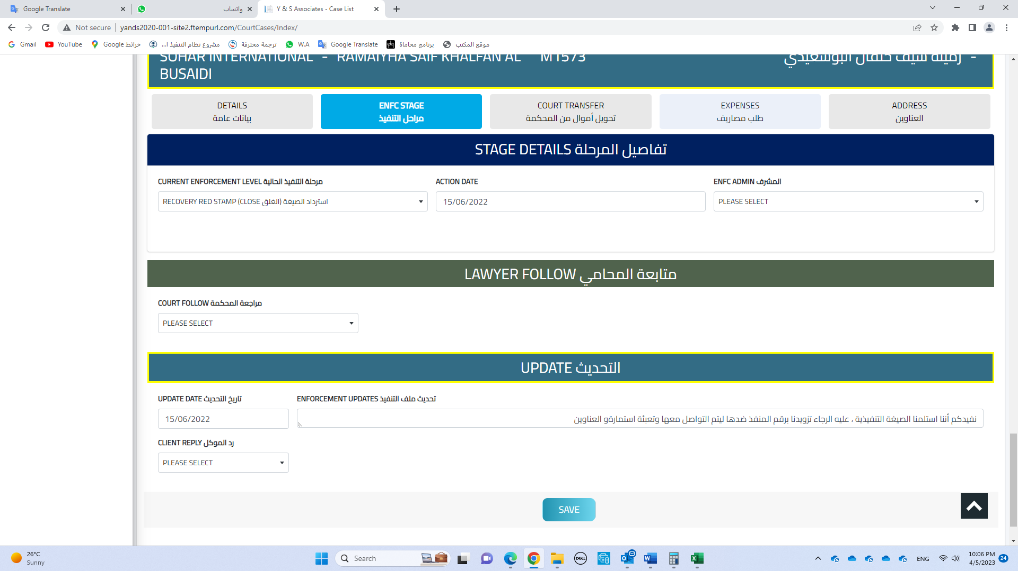

Please cancel this box, and move this option to the update box

