MV cohort
Cohort Def:more than 12 hour ICU stay, MV for 24 hours, no sepsis, no vasopressor, not initially with aline, no CSRU and CCU
PS Model (692 patients)
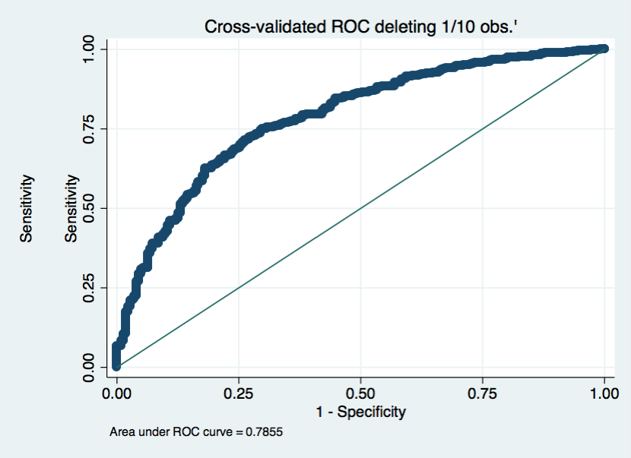
aline_flg | Odds Ratio | Std. Err. | z | P>z | [95% Conf. | Interval]

age | 0.99 | 0.01 | -0.76 | 0.45 | 0.98 | 1.01
weight_first | 1.01 | 0.00 | 2.34 | 0.02 | 1.00 | 1.02
sapsi_first | 1.17 | 0.04 | 4.43 | 0.00 | 1.09 | 1.25
sofa_first | 1.30 | 0.08 | 4.48 | 0.00 | 1.16 | 1.46
1.service_num | 7.21 | 1.79 | 7.94 | 0.00 | 4.43 | 11.74
day_icu_intime_num | 1.07 | 0.05 | 1.39 | 0.17 | 0.97 | 1.18
hour_icu_intime | 1.01 | 0.01 | 1.09 | 0.28 | 0.99 | 1.04
1.anes_b4_aline | 0.68 | 0.15 | -1.75 | 0.08 | 0.44 | 1.05
1.chf_flg | 2.15 | 0.86 | 1.92 | 0.06 | 0.99 | 4.69
1.afib_flg | 1.19 | 0.47 | 0.45 | 0.65 | 0.56 | 2.56
1.renal_flg | 1.37 | 0.89 | 0.49 | 0.62 | 0.39 | 4.89
1.liver_flg | 0.32 | 0.19 | -1.88 | 0.06 | 0.10 | 1.05
1.copd_flg | 0.78 | 0.31 | -0.63 | 0.53 | 0.36 | 1.69
1.cad_flg | 0.41 | 0.19 | -1.91 | 0.06 | 0.17 | 1.02
1.stroke_flg | 0.84 | 0.32 | -0.46 | 0.65 | 0.41 | 1.75
1.mal_flg | 1.87 | 0.66 | 1.77 | 0.08 | 0.93 | 3.73
1.resp_flg | 1.23 | 0.31 | 0.85 | 0.40 | 0.76 | 2.01
map_1st | 1.00 | 0.01 | 0.28 | 0.78 | 0.99 | 1.01
hr_1st | 1.01 | 0.01 | 1.30 | 0.20 | 1.00 | 1.02
spo2_1st | 0.97 | 0.02 | -1.31 | 0.19 | 0.93 | 1.01
temp_1st | 1.01 | 0.01 | 0.44 | 0.66 | 0.98 | 1.03
wbc_first | 1.00 | 0.01 | -0.24 | 0.81 | 0.97 | 1.02
hgb_first | 1.01 | 0.06 | 0.20 | 0.84 | 0.90 | 1.13
platelet_first | 1.00 | 0.00 | 0.44 | 0.66 | 1.00 | 1.00
sodium_first | 0.98 | 0.03 | -0.56 | 0.58 | 0.92 | 1.05
potassium_first | 0.91 | 0.13 | -0.68 | 0.50 | 0.69 | 1.19
tco2_first | 0.97 | 0.03 | -1.15 | 0.25 | 0.92 | 1.02
chloride_first | 0.99 | 0.03 | -0.30 | 0.77 | 0.94 | 1.05
bun_first | 1.01 | 0.01 | 1.14 | 0.26 | 0.99 | 1.04
creatinine_first | 0.73 | 0.12 | -1.84 | 0.07 | 0.53 | 1.02
po2_first | 1.00 | 0.00 | -0.88 | 0.38 | 1.00 | 1.00
pco2_first | 1.01 | 0.01 | 1.19 | 0.23 | 0.99 | 1.03

AUC=0.79 over 10 folds

PS matched: 288
 | No Aline | Aline | p-value
age | 50 (33~72) | 49 (33~68) | 0.6
gender (male %) | 57% | 57% | 1
saps-i | 13 (10.5~16) | 13 (11~15) | 0.4
sofa | 5 (4~6.5) | 5 (4~7) | 0.8
weight | 73 (65~86) | 75 (62 ~85) | 0.8
ps score | 0.59 (0.46~0.74) | 0.58 (0.45~0.74) | 0.8
Service unit
micu | 54% | 51% | 0.7
sicu | 46% | 49%

28day mort | 15.30% | 13.90% | 0.8
icu_los (surviors) | 1.7 (1.1~2.6) | 2.7 (1.6~5) | <0.0001
hosp_los (surviors) | 5 (3~7) | 7 (4~12) | <0.0001
mv_free_time | 0.7 (0.4~1.3) | 1 (0.3~1.7) | 0.2
vaso_free_time | 1.8 (1.1~2.8) | 2.7 (1.6~5) | <0.0001
anes_free_time | 1 (0.4~1.4) | 1.2 (0.4~2.3) | 0.04
abg count per day | 0.9 (0.4~1.3) | 2.3 (1.7~3.1) | <0.0001
IV_1st_day | 1463 (440~2602) | 1140 (312~2538) | 0.3

HCT_lowest | 31 (27~35) | 28 (24~32) | <0.0001
RBC total | 750 (725~750) | 375 (220~750) | 0.03

Sepsis Cohort
Cohort: 1488
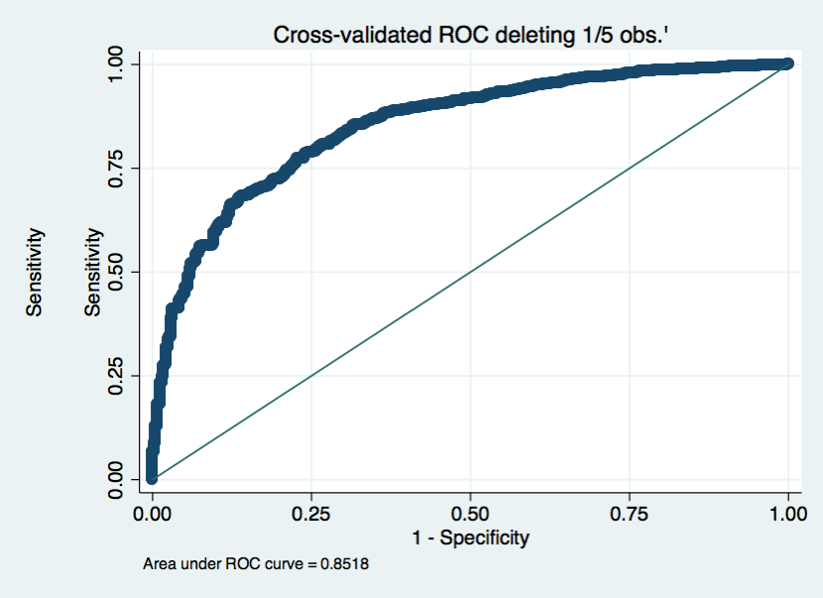
aline_flg Odds Ratio | Std. Err. | z | P>z | [95% Conf. | Interval]

age | 0.98 | 0.01 | -3.69 | 0.00 | 0.97 | 0.99
weight_first | 1.01 | 0.00 | 1.54 | 0.12 | 1.00 | 1.01
sapsi_first | 1.07 | 0.02 | 3.07 | 0.00 | 1.02 | 1.11
sofa_first | 1.29 | 0.04 | 8.49 | 0.00 | 1.22 | 1.37
1.service_num | 5.30 | 1.13 | 7.83 | 0.00 | 3.49 | 8.05
day_icu_intime_num | 1.02 | 0.04 | 0.42 | 0.68 | 0.94 | 1.10
hour_icu_intime | 1.02 | 0.01 | 1.82 | 0.07 | 1.00 | 1.04
1.anes_b4_aline | 3.72 | 0.69 | 7.04 | 0.00 | 2.58 | 5.36
1.chf_flg | 1.35 | 0.23 | 1.75 | 0.08 | 0.96 | 1.89
1.afib_flg | 0.98 | 0.18 | -0.09 | 0.93 | 0.68 | 1.42
1.renal_flg | 0.41 | 0.12 | -3.13 | 0.00 | 0.23 | 0.71
1.liver_flg | 0.59 | 0.17 | -1.84 | 0.07 | 0.33 | 1.04
1.copd_flg | 1.08 | 0.21 | 0.39 | 0.70 | 0.73 | 1.60
1.cad_flg | 1.05 | 0.24 | 0.23 | 0.82 | 0.67 | 1.65
1.stroke_flg | 2.65 | 1.00 | 2.58 | 0.01 | 1.26 | 5.54
1.mal_flg | 0.78 | 0.16 | -1.23 | 0.22 | 0.53 | 1.16
1.resp_flg | 2.40 | 0.40 | 5.26 | 0.00 | 1.73 | 3.32
map_1st | 0.99 | 0.00 | -1.56 | 0.12 | 0.98 | 1.00
hr_1st | 1.01 | 0.00 | 2.02 | 0.04 | 1.00 | 1.02
spo2_1st | 0.97 | 0.01 | -2.32 | 0.02 | 0.95 | 1.00
temp_1st | 0.98 | 0.03 | -0.77 | 0.44 | 0.93 | 1.03
wbc_first | 1.01 | 0.01 | 0.61 | 0.54 | 0.99 | 1.03
hgb_first | 1.02 | 0.04 | 0.62 | 0.53 | 0.95 | 1.10
platelet_first | 1.00 | 0.00 | 1.13 | 0.26 | 1.00 | 1.00
sodium_first | 0.98 | 0.02 | -1.02 | 0.31 | 0.94 | 1.02
potassium_first | 1.06 | 0.09 | 0.73 | 0.47 | 0.90 | 1.26
tco2_first | 1.03 | 0.02 | 1.75 | 0.08 | 1.00 | 1.07
chloride_first | 1.00 | 0.02 | 0.09 | 0.93 | 0.97 | 1.04
bun_first | 1.00 | 0.00 | 0.91 | 0.36 | 1.00 | 1.01
creatinine_first | 0.86 | 0.06 | -2.26 | 0.02 | 0.76 | 0.98
po2_first | 1.00 | 0.00 | 0.05 | 0.96 | 1.00 | 1.00
pco2_first | 0.99 | 0.00 | -2.46 | 0.01 | 0.98 | 1.00

AUC=0.85 over 10cv

PS matched: 512
 | No Aline | Aline | p-value
28day mort | 22.00% | 28.00% | 0.15
icu_los (surviors) | 2.7 (1.8~4.3) | 6 (3~11.2) | <0.0001
hosp_los (surviors) | 9 (6~15.5) | 15 (9~22) | <0.0001
mv_free_time | 1.5 (0.8~3) | 1.7 (0.6~2.9) | 0.8
vaso_free_time | 2.4 (1.2~3.8) | 4 (1.8~8.4) | <0.0001
anes_free_time | 1.4 (0.9~3.1) | 2.1 (1~4.9) | 0.12
abg count per day | 0.6 (0.2~1.1) | 2.2 (1.2~2.9) | <0.0001
IV_1st_day | 840 (215~1970) | 1080 (492~2637) | 0.005

HCT_lowest
RBC total

