- 樓層置換資訊
Story | Conc | Column | Beam | SBeam | FBeam | Name | Exception
PRF | C | J | J | J | J | PRF | 崁入連續壁 (B) | SD490(Q) | SD550(K)
R3F | C | J | J | J | J | R3F | B4F~1F
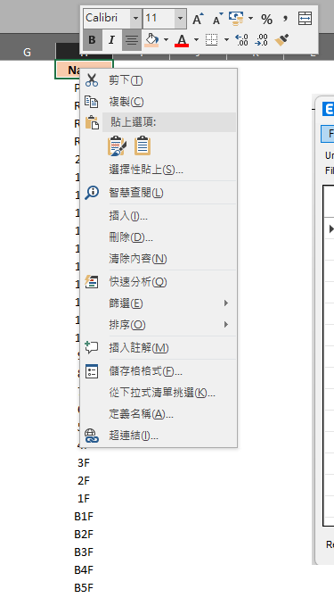
R2F | C | J | J | J | J | R2F | B4F~1F
R1F | C | J | J | J | J | R1F | B4F~1F
20F | C | J | J | J | J | 20F | B4F~1F
19F | C | J | J | J | J | 19F | B4F~1F
18F | C | J | J | J | J | 18F
17F | C | J | J | J | J | 17F
16F | C | J | J | J | J | 16F
15F | C | J | J | J | J | 15F
14F | C | J | J | J | J | 14F
13F | C | J | J | J | J | 13F
12F | E | J | J | J | J | 12F
11F | E | J | J | J | J | 11F
10F | E | J | J | J | J | 10F
9F | E | J | J | J | J | 9F
8F | F | J | J | J | J | 8F
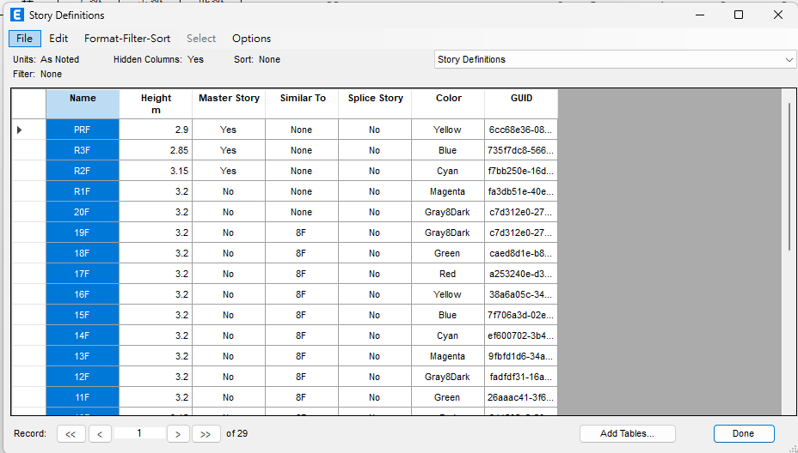
7F | F | J | J | J | J | 7F
6F | F | J | J | J | J | 6F
5F | F | J | J | J | J | 5F
4F | G | J | J | J | J | 4F
3F | G | J | J | J | J | 3F
2F | G | J | J | J | J | 2F
1F | G | J | J | J | J | 1F
B1F | F | J | J | J | J | B1F
B2F | F | J | J | J | J | B2F
B3F | F | J | J | J | J | B3F
B4F | F | J | J | J | J | B4F
B5F | E | J | J | J | J | B5F

