Sheet5
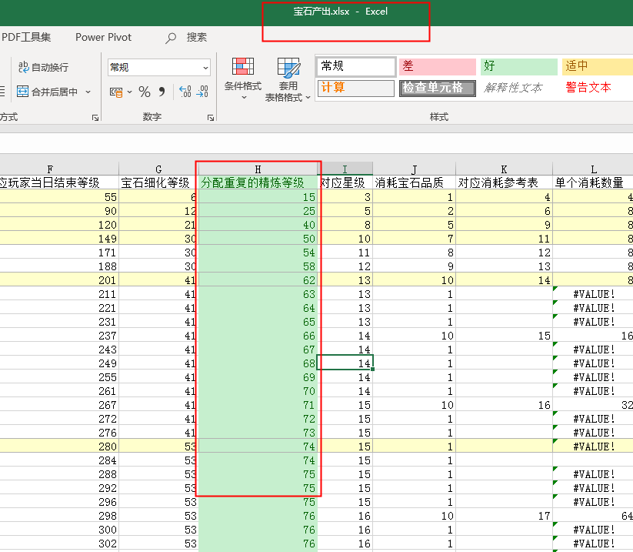

节点 | 关卡 | 测试难度
0.5 | 40关 | 6个宠物，39级，符文全体1品，0.5级
1 | 78关 | 7个宠物，55级，符文全体1品，0.6级。宝石（精炼15级，品质1）
1.5 | 114关 | 8个宠物，75级，符文全体2品，0.5级。宝石（精炼18级，品质1）
2 | 148关 | 9个宠物，90级，符文全体2品，0.6级。宝石（精炼25级，品质2）
2.5 | 180关 | 10个宠物，105级，符文全体2品，1级。宝石（精炼28级，品质2）
3 | 210关 | 10个宠物，120级，符文全体2品，1级。宝石（精炼30级，品质3）
3.5 | 238关 | 10个宠物，135级，符文全体2品，2级。宝石（精炼40级，品质5）
4 | 264关 | 10个宠物，135级，符文全体2品，2级。宝石（精炼40级，品质5）
4.5 | 288关
5 | 310关
5.5 | 330关
6 | 348关

 |  | 1900000 | 260000 | 7500000
 |  | 1425000 | 195000 | 5625000

绿色 | 1600
绿+ | 1700 |  | 6.3%
蓝色 | 1850 |  | 8.8%
蓝+ | 2000 |  | 8.1%
紫色 | 2180 |  | 9.0%
紫+ | 2400 |  | 10.1%
橙色 | 2700 |  | 12.5%
橙+ | 2950 |  | 9.3%
红色 | 3100 |  | 5.1%
红+ | 3200 |  | 3.2%

