地图工具
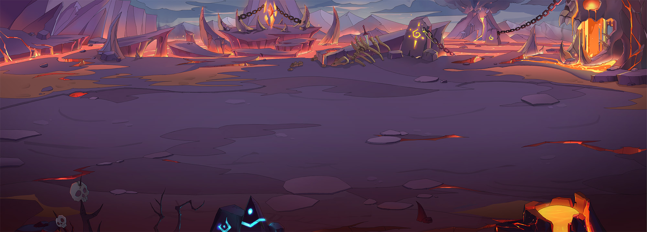
 |  |  |  | 移动速度 |  | 1.6 |  | 速度配置 |  | 10000 |  |  | 固：1.6坐标/秒
3.6 |  |  |  |  |  |  |  |  |  |  |  |  |  |  |  |  |  |  |  |  |  |  |  |  |  |  |  |  |  |  |  |  |  |  |  |  |  |  |  |  |  |  |  |  |  |  |  |  |  |  | 3.6
3.2 |  |  |  |  |  |  |  |  |  |  |  |  |  |  |  |  |  |  |  |  |  |  |  |  |  |  |  |  |  |  |  |  |  |  |  |  |  |  |  |  |  |  |  |  |  |  |  |  |  |  | 3.2
2.8 |  |  |  |  |  |  |  |  |  |  |  |  |  |  |  |  |  |  |  |  |  |  |  |  |  |  |  |  |  |  |  |  |  |  |  |  |  |  |  |  |  |  |  |  |  |  |  |  |  |  | 2.8
2.4 |  |  |  |  |  |  |  |  |  |  |  |  |  |  |  |  |  |  |  |  |  |  |  |  |  |  |  |  |  |  |  |  |  |  |  |  |  |  |  |  |  |  |  |  |  |  |  |  |  |  | 2.4
2 |  |  |  |  |  |  |  |  |  |  |  |  |  |  |  |  |  |  |  |  |  |  |  |  |  |  |  |  |  |  |  |  |  |  |  |  |  |  |  |  |  |  |  |  |  |  |  |  |  |  | 2
1.6 |  |  |  |  |  |  |  |  |  |  |  |  |  |  |  |  |  |  |  |  |  |  |  |  |  |  |  |  |  |  |  |  |  |  |  |  |  |  |  |  |  |  |  |  |  |  |  |  |  |  | 1.6
1.2 |  |  |  |  |  |  |  |  |  |  |  |  |  |  |  |  |  |  |  |  |  |  |  |  |  |  |  |  |  |  |  |  |  |  |  |  |  |  |  |  |  |  |  |  |  |  |  |  |  |  | 1.2
0.8 |  |  |  |  |  |  |  |  |  |  |  |  |  |  |  |  |  |  |  |  |  |  |  |  |  |  |  |  |  |  |  |  |  |  |  |  |  |  |  |  |  |  |  |  |  |  |  |  |  |  | 0.8 | 18
0.4 |  |  |  |  |  |  |  |  |  |  |  |  |  |  |  |  |  |  |  |  |  |  |  |  |  |  |  |  |  |  |  |  |  |  |  |  |  |  |  |  |  |  |  |  |  |  |  |  |  |  | 0.4
0 |  |  |  |  |  |  |  |  |  |  |  |  |  |  |  |  |  |  |  |  |  |  |  |  |  |  |  |  |  |  |  |  |  |  |  |  |  |  |  |  |  |  |  |  |  |  |  |  |  |  | 0
-0.4 |  |  |  |  |  |  |  |  |  |  |  |  |  |  |  |  |  |  |  |  |  |  |  |  |  |  |  |  |  |  |  |  |  |  |  |  |  |  |  |  |  |  |  |  |  |  |  |  |  |  | -0.4
-0.8 |  |  |  |  |  |  |  |  |  |  |  |  |  |  |  |  |  |  |  |  |  |  |  |  |  |  |  |  |  |  |  |  |  |  |  |  |  |  |  |  |  |  |  |  |  |  |  |  |  |  | -0.8
-1.2 |  |  |  |  |  |  |  |  |  |  |  |  |  |  |  |  |  |  |  |  |  |  |  |  |  |  |  |  |  |  |  |  |  |  |  |  |  |  |  |  |  |  |  |  |  |  |  |  |  |  | -1.2
-1.6 |  |  |  |  |  |  |  |  |  |  |  |  |  |  |  |  |  |  |  |  |  |  |  |  |  |  |  |  |  |  |  |  |  |  |  |  |  |  |  |  |  |  |  |  |  |  |  |  |  |  | -1.6
-2 |  |  |  |  |  |  |  |  |  |  |  |  |  |  |  |  |  |  |  |  |  |  |  |  |  |  |  |  |  |  |  |  |  |  |  |  |  |  |  |  |  |  |  |  |  |  |  |  |  |  | -2
-2.4 |  |  |  |  |  |  |  |  |  |  |  |  |  |  |  |  |  |  |  |  |  |  |  |  |  |  |  |  |  |  |  |  |  |  |  |  |  |  |  |  |  |  |  |  |  |  |  |  |  |  | -2.4
-2.8 |  |  |  |  |  |  |  |  |  |  |  |  |  |  |  |  |  |  |  |  |  |  |  |  |  |  |  |  |  |  |  |  |  |  |  |  |  |  |  |  |  |  |  |  |  |  |  |  |  |  | -2.8
-3.2 |  |  |  |  |  |  |  |  |  |  |  |  |  |  |  |  |  |  |  |  |  |  |  |  |  |  |  |  |  |  |  |  |  |  |  |  |  |  |  |  |  |  |  |  |  |  |  |  |  |  | -3.2
-10 | -9.6 | -9.2 | -8.8 | -8.4 | -8 | -7.6 | -7.2 | -6.8 | -6.4 | -6 | -5.6 | -5.2 | -4.8 | -4.4 | -4 | -3.6 | -3.2 | -2.8 | -2.4 | -2 | -1.6 | -1.2 | -0.8 | -0.4 | 0 | 0.4 | 0.8 | 1.2 | 1.6 | 2 | 2.4 | 2.8 | 3.2 | 3.6 | 4 | 4.4 | 4.8 | 5.2 | 5.6 | 6 | 6.4 | 6.8 | 7.2 | 7.6 | 8 | 8.4 | 8.8 | 9.2 | 9.6 | 10

 |  |  |  |  |  |  |  |  |  |  |  | 1 | 2 | 3 | 4 | 5 | 6 | 7 | 8 | 9 | 10 | 11 | 12 | 13 | 14 | 15 | 16 | 17 | 18 | 19 | 20 | 21 | 22 | 23 | 24 | 25 | 26

 |  |  |  |  |  |  |  |  |  |  |  |  |  |  |  |  | 3.25

