TermsAbbreviations
EVs | electric vehicles
BSA | backtracking search optimization
GSA | gravitational search algorithm
PSO | particle swarm optimization
RNARX | Recurrent nonlinear autoregressive with exogenous inputs neural network algorithm | a prominent subgroup of RNN that uses one or more feedback loops to address complex and time-series problems
LSA | lightning search algorithm
GPR | Gaussian process regression
ELM | extreme learning machine | as a unique way of building a single hidden layer feed forward neural network (SLFN)
NARX | Nonlinear Autoregressive Neural Network with external input.
DQN | Deep-Q-Network
FFNN | Feed-Forward Neural Network
TDNN | Time-Delay Neural Network
MAX | the maximum obtained error between the estimated value (Ies) and the real one
IT3-FLSs | interval type-3 fuzzy logic systems
Res-DCCN | residual dilated causal convolutional network
DDPG | Deep Deterministic Policy Gradient
GA | genetic algorithm
EMS | Energy Management System
ESS | energy storage system
BESS | battery energy storage system
BMS | battery management system
SoC | state of charge
SoH | state of health | the percentage of the remaining battery capacity | https://www.biologic.net/topics/battery-states-state-of-charge-soc-state-of-health-soh/#:~:text=SoH%3D%20State%2Dof,charge%20to%20its%20rated%20capacity.
RUL | Remaining Useful Life | the number of charge/discharge cycles before the performance or SOH degrades to the point where it can no longer operate.
EOL | end of life
 | cycle life | the number of charge and discharge cycles that a battery can complete before losing performance

RC | resistor-capacitor
C-rate | the unit battery experts use to measure the speed at which a battery is fully charged or discharged. | For example, charging at a C-rate of 1C means that the battery is charged from 0-100% in one hour.
IR | internal resistance
dv/dt | meaning the instantaneous rate of voltage change over time
NCA | lithium nickel cobalt aluminium oxide (LiNiCoAlO2)
LFP | lithium iron phosphate (LiFePO4)
NMC | lithium nickel manganese cobalt oxide (LiNiMnCoO2)
LMO | lithium ion manganese oxide (LiMn2O4)
LCO | lithium cobalt oxide (LiCoO2)

DST | dynamic stress test
CDT | constant discharge test
HPPC | hybrid pulse power characterization
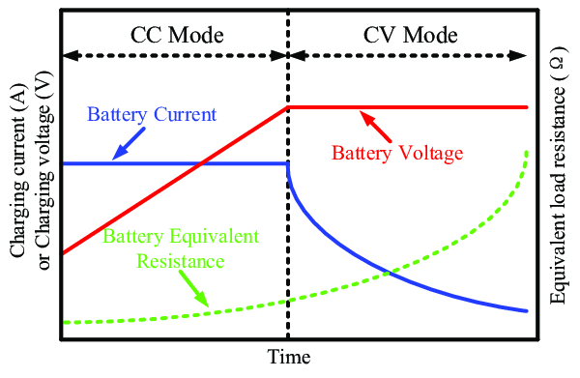
PT | Penetration Testing
FUDS | federal urban driving schedule
CCC | constant current charging
RPT | reference performance tests
CVC | Constant Voltagp Charging
MCC | multi-stage constant-current (MCC) charging
CC-CV charging | constant-current-constant-voltage (CC-CV) charging
EIS | Electrochemical Impedance Spectroscopy

OCV | open circuit voltage | There is no external load connected. No external electric current flows between the terminals.
C | coulomb
TOU | time-of-use | TOU pricing is changing the unit price of electricity during specific time periods at a fixed rate
DC | direct current
AC | alternating current
NWP | numerical weather prediction

CCCT | constant current charge time
CVCT | constant voltage charge time

