28335
Comment | Value | Footprint | LibRef | Quantity | 数量 | 总价
钽电容 | 4.7uf, 10uf,100pF, 33uf | 1206 | Cap Pol1 | 3 | 0 | 0
电容 | 0.1uf, 100pF, 2.2uf,20pF,1uF,22uf | 0603 | Cap | 36 | 0 | 0
Diode 1N5819 |  | DO-41 | Diode 1N5408 | 1 | 0 | 0
TPS767D318PWP |  | SOP65P640X120-29N | TPS767D318PWP | 1 | 0 | 0
micro USB母座 | TE-1981568 | MICRO USB CONNECTOR-TE-1981568 | MICRO USB CONNECTOR-TE-1981568 | 1 | 10 | 5
Inductor | 50uH/1A | 0603 | Inductor | 3 | 50 | 10
牛角座 | 14Pin | HDR2X7 | Header 7X2 | 1 | 5 | 2.5
双排针 |  | HDR2X11 | Header 11X2 | 1 | 10 | 15
单排针 |  | HDR1X5 | Header 5 | 3 | 20 | 2
电阻 | 1K, 820, 47K,10K, 2K, 22K, 30.1K, 18.2K,22R,1K5,0,220 | 0603 | Res3 | 10 | 每个100个 | 36
微动开关 |  | TSW SMD-3*6*2.5 | 微动开关 | 1 | 0 | 0
拨码开关四路 |  | DIP-8 | SW-DIP4 | 1 | 10 | 5
MAX6021AEURT |  | SOT-23 | MAX6021AEURT | 1 | 0 | 0
30M无源晶振 | 30M | 3225 |  | 1 | 10 | 6
贴片晶振 | 8MHz | 49SMD |  | 1 | 10 | 3
贴片排针 |  | HEADER_SMT_5 | Header, 4-Pin | 1 | 10 | 5
LED |  | 0603_LED | Typical RED, GREEN, YELLOW, AMBER GaAs LED | 1 | 50 | 4
RT9193-33 |  | SOT23-5 |  | 1 | 0 | 0
RT9193-25 |  | SOT-23-5 | RT9193 | 1 | 0 | 0
USB母座 | USB_A_G | USB |  | 1 | 10 | 5
W25Q64 | 512K Bit Flash | SO-8W | AT25F512 | 1 | 0 | 0
XC6206 |  | SOT-23 | XC6206 | 1 | 0 | 0
16M |  | 3225_EXT | POSC4 | 1 | 10 | 6
贴片排针 5x2 |  | FC10 | HEADER 5X2 | 1 | 10 | 5
排针 16X2 | Header, 16-Pin, Dual row | HDR2X16 | Header 16X2 | 1 | 5 | 7.5

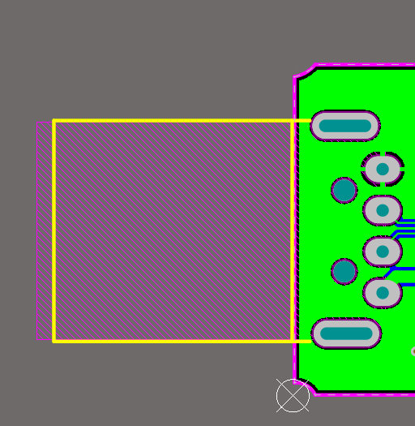
 |  |  |  |  | 总价 | 117

