Sheet1
 | perfomance test for design, 200 nF capacitors.

 | Farad_HenryResult[i] and esrResult[i] are iterations through set of frequency ranges. Here:
 |  | Frequency | impedance ohm
 | [0] | 50 | 16578.639905
 | [1] | 1000 | 828.93199527
 | [2] | 10000 | 82.893199527 | <-- | Gave best results since 80 ohm is reasonable close to 1k and 20 ohm (best sample can be separated from bad ones by selecting frequency where esr reading is in reasonable range (here 1-6 ohms vs 10-50k)
 | [3] | 50000 | 16.578639905
 | [4] | 100000 | 8.2893199527
 |  |  |  |  | Cap1 |  |  |  |  | Cap2 |  |  |  |  | Cap1 and cap2 in parallel |  |  |  |  | Cap1 and cap2 in series
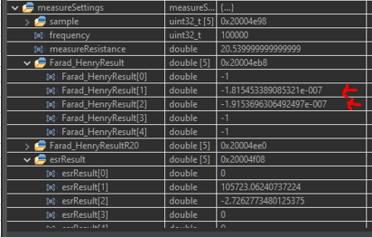
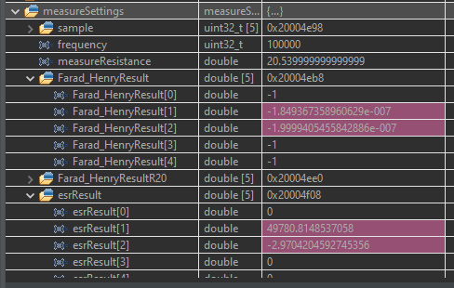
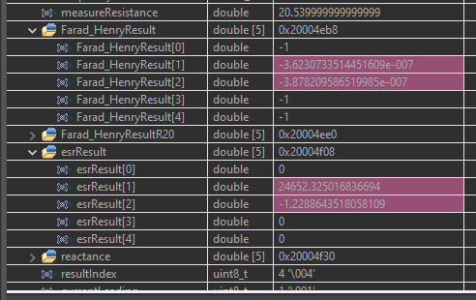
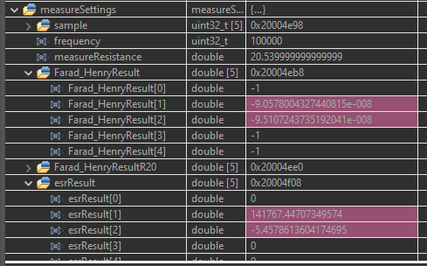
filtering formula placing -1 if sample is out of range
(measured width too long or too short)
For now only placing -1 for reactance measurements

Negative values represent capacitive load
(sign carried to esr measurement for now)

 |  |  |  |  |  |  |  |  |  |  |  |  | parallel esr should be |  |  |  | parallel esr should be
 |  |  |  |  |  |  |  |  |  |  |  |  | ( (1/cap1esr) + (1/cap2esr))^-1 |  |  |  | cap1esr+cap2esr
Given DMM cant measure esr
 |  |  |  |  | cap1 nF | cap1 esr ohm | cap2 | cap2 esr ohm | cap1+cap2 parallel |  | cap1+cap2 in series
DMM MESASURED |  |  | nF |  | 192.22 | Null | 198.01 | Null | 391.6 | Null | 97.98 | Null | theoretical |  |  | 1.4213869382 | theoretical |  | 5.696
DESIGNED DEVICE MEASURED |  |  | nF |  | 191.15 | 2.726 | 199.99 | 2.97 | 388.8 | 1.229 | 95.1 | 5.459 | measured |  |  | 1.229 | measured |  | 5.459
ERROR |  |  | % |  | 0.55976981428 |  | 0.99004950248 |  | 0.72016460905 |  | 3.0283911672 |  | error | % |  | 15.65394127 | error | % | 4.3414544788

 |  |  |  |  |  |  |  |  |  |  |  |  | better match with range resistors required for good esr measuring

