Clusters
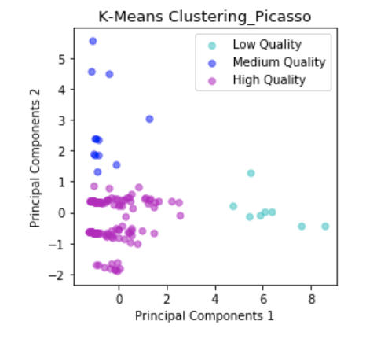
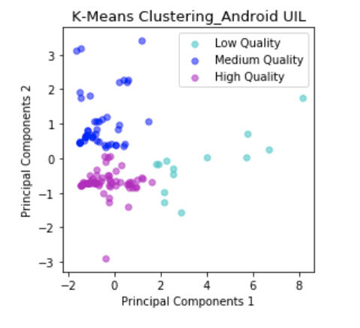
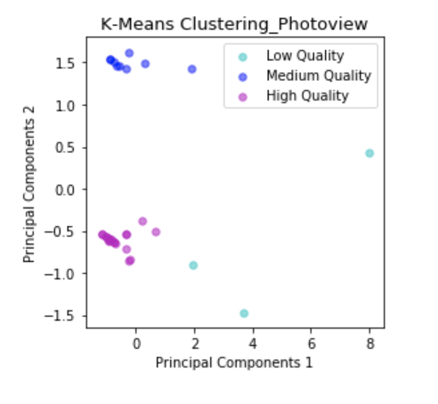
Image Loader | Centroid (Low Quality) | Centroid (Medium Quality) | Centroid (High Quality) | Iterations | Inertia
Picasso | [ 6.27168986 0.05742746] | [-0.66313836 2.78389869] | [-0.33772687 -0.27092963] | 6 | 188.93
Android UIL | [ 3.73549388 -0.16871299] | [-0.60023462 1.06410724] | [-0.34611089 -0.6973039 ] | 11 | 166.67
PhotoView | [ 4.55705736 -0.65435309] | [-0.22700918 1.49748798] | [-0.61200471 -0.6060175 ] | 2 | 32.03

CK_Graphs
Image Loader | WMC | DIT | NOC | RFC | CBO | LCOM
Picasso | 11.78 | 1.58 | 3.06 | 9.34 | 4.25 | 60.86
Android UIL | 11.11 | 1.48 | 2.23 | 22.64 | 7.05 | 58.85
PhotoView | 9.58 | 1.68 | 1.00 | 5.31 | 6.61 | 52.00

