V_AccShowCmp
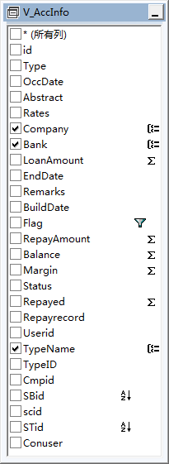
V_AccShowCmp | 公司银行级未清承兑合计表

表关系 |  | 备注
SELECT TOP (100) PERCENT Company, TypeName, Bank, SUM(Repayed) AS Repayed, SUM(Margin) AS Margin, SUM(Balance)
AS Balance, SUM(RepayAmount) AS RepayAmount, SUM(LoanAmount) AS LoanAmount,
(SELECT id
FROM dbo.CompanyInfo
WHERE (Company = dbo.V_AccInfo.Company)) AS Cmpid,
(SELECT SortID
FROM dbo.TypeInfo
WHERE (TypeName = dbo.V_AccInfo.TypeName)) AS stid,
(SELECT SortID
FROM dbo.CompanyInfo
WHERE (Company = dbo.V_AccInfo.Company)) AS scid,
(SELECT SortID
FROM dbo.BankInfo
WHERE (Bank = dbo.V_AccInfo.Bank)) AS sbid
FROM dbo.V_AccInfo
WHERE (Flag <> '已清')
GROUP BY Company, TypeName, Bank
ORDER BY STid, scid, SBid

V_AccType
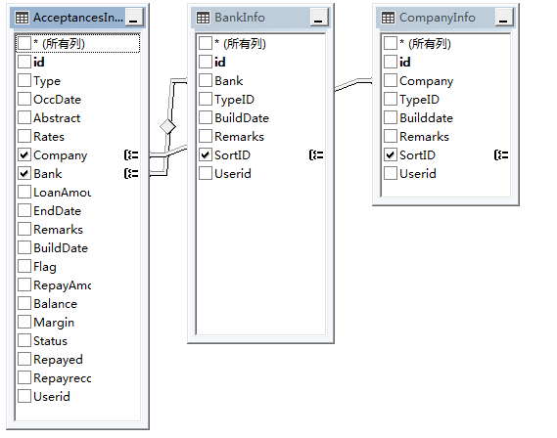
V_AccType | 银行与公司对照表（承兑业务）

表关系 |  | 备注
SELECT dbo.AcceptancesInfo.Bank, dbo.BankInfo.SortID AS sbid, dbo.AcceptancesInfo.Company,
dbo.CompanyInfo.SortID AS scid
FROM dbo.AcceptancesInfo INNER JOIN
dbo.BankInfo ON dbo.AcceptancesInfo.Bank = dbo.BankInfo.Bank INNER JOIN
dbo.CompanyInfo ON dbo.AcceptancesInfo.Company = dbo.CompanyInfo.Company
GROUP BY dbo.AcceptancesInfo.Bank, dbo.BankInfo.SortID, dbo.AcceptancesInfo.Company, dbo.CompanyInfo.SortID

V_AT1

V_AT1 | 下月未清承兑表（板块、公司、银行汇总）

表关系 |  | 备注
SELECT COUNT(*) AS num, SUM(Balance) AS Balance, TypeName, Company, Bank
FROM dbo.V_AccInfo
WHERE (Flag = '未清') AND (EndDate <= DATEADD(d, - 1, DATEADD(mm, DATEDIFF(m, 0, GETDATE()) + 2, 0))) AND
(EndDate > DATEADD(d, - 1, DATEADD(mm, DATEDIFF(m, 0, GETDATE()) + 1, 0)))
GROUP BY TypeName, Company, Bank

V_BankInfo
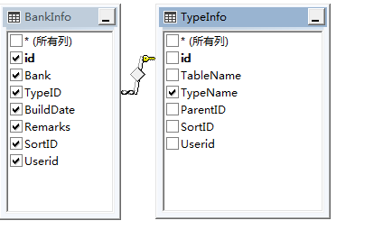
V_BankInfo | 银行分级表

表关系 |  | 备注
SELECT dbo.TypeInfo.TypeName, dbo.BankInfo.id, dbo.BankInfo.Bank, dbo.BankInfo.TypeID, dbo.BankInfo.BuildDate,
dbo.BankInfo.Remarks, dbo.BankInfo.SortID, dbo.BankInfo.Userid,
(SELECT Username
FROM dbo.AdminInfo
WHERE (id = dbo.BankInfo.Userid)) AS conuser
FROM dbo.TypeInfo INNER JOIN
dbo.BankInfo ON dbo.TypeInfo.id = dbo.BankInfo.TypeID

V_CBType
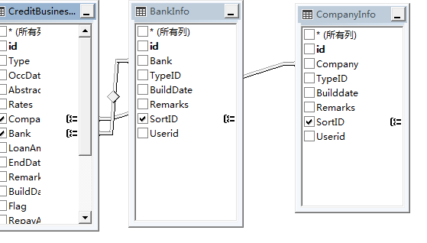
V_CBType | 公司银行对照表（借款业务）

表关系 |  | 备注
SELECT dbo.CreditBusinessInfo.Company, dbo.CreditBusinessInfo.Bank, dbo.BankInfo.SortID AS sbid,
dbo.CompanyInfo.SortID AS scid
FROM dbo.CreditBusinessInfo INNER JOIN
dbo.CompanyInfo ON dbo.CreditBusinessInfo.Company = dbo.CompanyInfo.Company INNER JOIN
dbo.BankInfo ON dbo.CreditBusinessInfo.Bank = dbo.BankInfo.Bank
GROUP BY dbo.CreditBusinessInfo.Company, dbo.CreditBusinessInfo.Bank, dbo.BankInfo.SortID, dbo.CompanyInfo.SortID

V_Cmpinfo
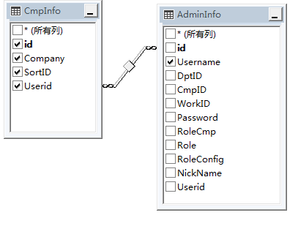
V_Cmpinfo | 公司表

表关系 |  | 备注
SELECT dbo.CmpInfo.id, dbo.CmpInfo.Company, dbo.CmpInfo.SortID, dbo.CmpInfo.Userid,
dbo.AdminInfo.Username AS conuser
FROM dbo.CmpInfo INNER JOIN
dbo.AdminInfo ON dbo.CmpInfo.Userid = dbo.AdminInfo.id AND dbo.CmpInfo.Userid = dbo.AdminInfo.id

V_CompanyInfo
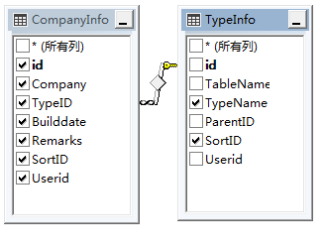
V_CompanyInfo | 公司板块对照表

表关系 |  | 备注
SELECT dbo.CompanyInfo.id, dbo.CompanyInfo.Company, dbo.CompanyInfo.TypeID, dbo.CompanyInfo.Builddate,
dbo.CompanyInfo.Remarks, dbo.CompanyInfo.SortID, dbo.CompanyInfo.Userid, dbo.TypeInfo.TypeName,
dbo.TypeInfo.SortID AS STid,
(SELECT Username
FROM dbo.AdminInfo
WHERE (id = dbo.CompanyInfo.Userid)) AS conuser
FROM dbo.CompanyInfo INNER JOIN
dbo.TypeInfo ON dbo.CompanyInfo.TypeID = dbo.TypeInfo.id

V_Credit_Type
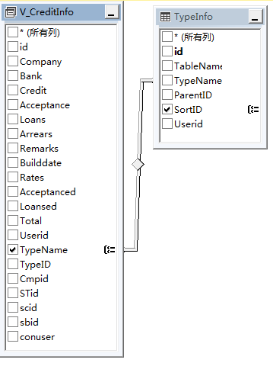
V_Credit_Type | 借款板块表

表关系 |  | 备注
SELECT dbo.V_CreditInfo.TypeName, dbo.TypeInfo.SortID
FROM dbo.V_CreditInfo INNER JOIN
dbo.TypeInfo ON dbo.V_CreditInfo.TypeName = dbo.TypeInfo.TypeName
GROUP BY dbo.V_CreditInfo.TypeName, dbo.TypeInfo.SortID

V_CreditBusinessInfo
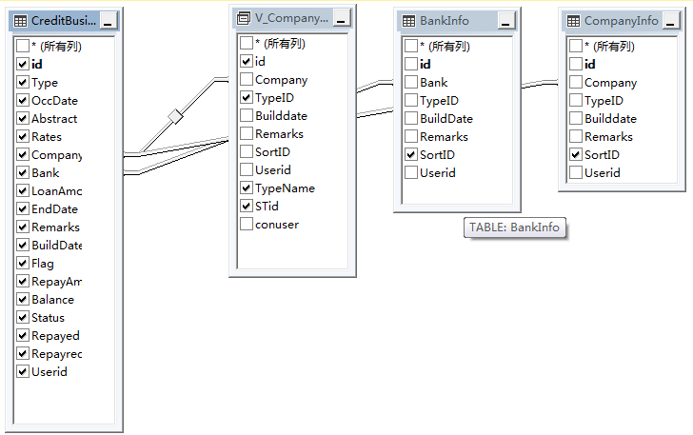
V_CreditBusinessInfo | 借款记录表

表关系 |  | 备注
SELECT dbo.CreditBusinessInfo.id, dbo.CreditBusinessInfo.Type, dbo.CreditBusinessInfo.OccDate,
dbo.CreditBusinessInfo.Abstract, dbo.CreditBusinessInfo.Rates, dbo.CreditBusinessInfo.Company,
dbo.CreditBusinessInfo.Bank, dbo.CreditBusinessInfo.LoanAmount, dbo.CreditBusinessInfo.EndDate,
dbo.CreditBusinessInfo.Remarks, dbo.CreditBusinessInfo.BuildDate, dbo.CreditBusinessInfo.Flag,
dbo.CreditBusinessInfo.RepayAmount, dbo.CreditBusinessInfo.Balance, dbo.CreditBusinessInfo.Status,
dbo.CreditBusinessInfo.Repayed, dbo.CreditBusinessInfo.Repayrecord, dbo.CreditBusinessInfo.Userid,
dbo.V_CompanyInfo.TypeName, dbo.V_CompanyInfo.TypeID, dbo.V_CompanyInfo.id AS Cmpid,
dbo.BankInfo.SortID AS Sbid, dbo.CompanyInfo.SortID AS SCid, dbo.V_CompanyInfo.STid,
(SELECT Username
FROM dbo.AdminInfo
WHERE (id = dbo.CreditBusinessInfo.Userid)) AS conuser
FROM dbo.CreditBusinessInfo INNER JOIN
dbo.V_CompanyInfo ON dbo.CreditBusinessInfo.Company = dbo.V_CompanyInfo.Company INNER JOIN
dbo.BankInfo ON dbo.CreditBusinessInfo.Bank = dbo.BankInfo.Bank INNER JOIN
dbo.CompanyInfo ON dbo.CreditBusinessInfo.Company = dbo.CompanyInfo.Company

V_CreditInfo
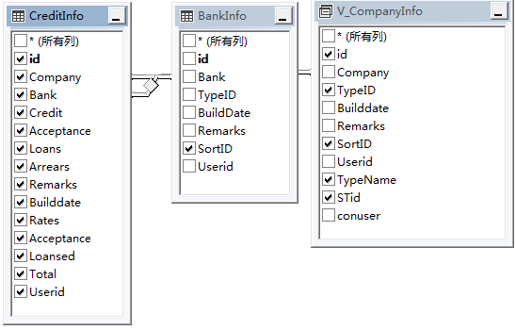
V_CreditInfo | 授信记录表

表关系 |  | 备注
SELECT dbo.CreditInfo.id, dbo.CreditInfo.Company, dbo.CreditInfo.Bank, dbo.CreditInfo.Credit, dbo.CreditInfo.Acceptance,
dbo.CreditInfo.Loans, dbo.CreditInfo.Arrears, dbo.CreditInfo.Remarks, dbo.CreditInfo.Builddate, dbo.CreditInfo.Rates,
dbo.CreditInfo.Acceptanced, dbo.CreditInfo.Loansed, dbo.CreditInfo.Total, dbo.CreditInfo.Userid,
dbo.V_CompanyInfo.TypeName, dbo.V_CompanyInfo.TypeID, dbo.V_CompanyInfo.id AS Cmpid,
dbo.V_CompanyInfo.STid, dbo.V_CompanyInfo.SortID AS scid, dbo.BankInfo.SortID AS sbid,
(SELECT Username
FROM dbo.AdminInfo
WHERE (id = dbo.CreditInfo.Userid)) AS conuser
FROM dbo.CreditInfo INNER JOIN
dbo.V_CompanyInfo ON dbo.CreditInfo.Company = dbo.V_CompanyInfo.Company INNER JOIN
dbo.BankInfo ON dbo.CreditInfo.Bank = dbo.BankInfo.Bank

V_DptInfo
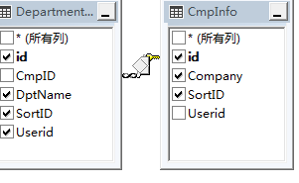
V_DptInfo | 公司部门对照表

表关系 |  | 备注
SELECT dbo.CmpInfo.Company, dbo.CmpInfo.SortID AS SCid,
(SELECT Username
FROM dbo.AdminInfo
WHERE (id = dbo.DepartmentInfo.Userid)) AS conuser, dbo.DepartmentInfo.id, dbo.DepartmentInfo.DptName,
dbo.DepartmentInfo.SortID, dbo.DepartmentInfo.Userid, dbo.CmpInfo.id AS cmpid
FROM dbo.CmpInfo LEFT OUTER JOIN
dbo.DepartmentInfo ON dbo.DepartmentInfo.CmpID = dbo.CmpInfo.id

V_Typeinfo
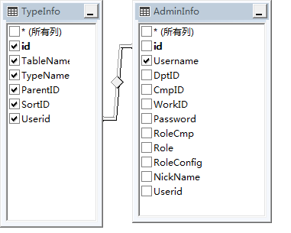
V_Typeinfo | 大类表

表关系 |  | 备注
SELECT dbo.TypeInfo.id, dbo.TypeInfo.TableName, dbo.TypeInfo.TypeName, dbo.TypeInfo.ParentID, dbo.TypeInfo.SortID,
dbo.TypeInfo.Userid, dbo.AdminInfo.Username AS conuser
FROM dbo.TypeInfo INNER JOIN
dbo.AdminInfo ON dbo.TypeInfo.Userid = dbo.AdminInfo.id

V_UserInfo
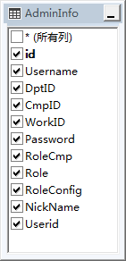
V_UserInfo | 用户表

表关系 |  | 备注
SELECT id, Username, DptID, CmpID, WorkID, Password, RoleCmp, Role, RoleConfig, NickName, Userid,
(SELECT TOP (1) DptName
FROM dbo.DepartmentInfo
WHERE (dbo.AdminInfo.DptID = id)) AS DptName,
(SELECT TOP (1) Company
FROM dbo.CmpInfo
WHERE (dbo.AdminInfo.CmpID = id)) AS Company
FROM dbo.AdminInfo

