Sheet1
Repeated Measures ANOVA (with outliers removed) |  |  |  |  | Outliers: Converted CI_2_recenter to z-scores (SD units) and removed CI values that were 3 standard-deviations above/below the mean. This removed 18 total observerations (out of 2592)
 |  |  |  |  |  | This didn't change any results, but is still good to ensure outliers don't have over-influence, and also probably good for plotting distributions

m1=aov_ez(id="ParticipantID", dv="CI_2_recenter", data = dataC2, |  |  |  |  | For plots and analyses, use 'dataC2' dataframe, and 'CI_2_recentered' variable, which removed the outliers
within = c("Mode", "Illuminant"),
anova_table=list(es="pes"))
summary(m1)
 |  |  |  |  |  |  | Write-up draft
Main effects and interactions
Sum Sq num Df Error SS den Df F value Pr(>F) |  |  |  |  |  |  | There was a significant effect of Mode, F(1, 35) = 24.64, p < .001, indicating that CI was higher in VR (M = .568, SE = .010) than in Flat (M = .524, SE = .009).
(Intercept) 252.155 1 2.1898 34 3915.1854 < 2.2e-16 *** |  |  |  |  |  |  | There was a significant effect of Illuminant, F(3, 105) = 16.43, p < .001, indicating that CI varied across illuminant conditions.
Mode 0.383 1 0.5858 34 22.2572 3.977e-05 *** |  |  |  |  |  |  |  | CI was highest under the green illuminant (M = .622, SE = .014), followed by yellow (M = .555, SE = .014), blue (M = .524, SE = .020), and red (M = .482, SE = .012). All pairwise comparisions between illuminant conditions were significant (ps < .025), with the exception of blue versus yellow, p = .234.
Illuminant 1.971 3 4.3560 102 15.3819 2.504e-08 *** |  |  |  |  |  |  | The Mode*Illuminant interaction was not significant, F(3,105)=0.68, p = .56, suggesting that the effect of Mode did not significantly vary as a function of illuminant condition.
Lightness 0.166 2 0.4113 68 13.6870 1.011e-05 ***
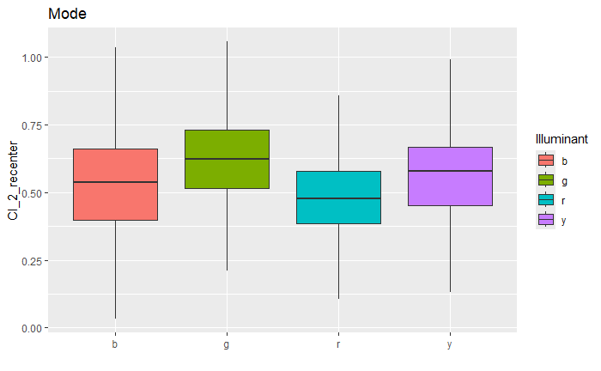
Mode:Illuminant 0.140 3 4.0967 102 1.1598 0.3289
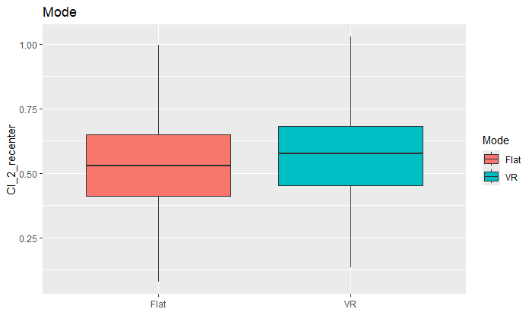
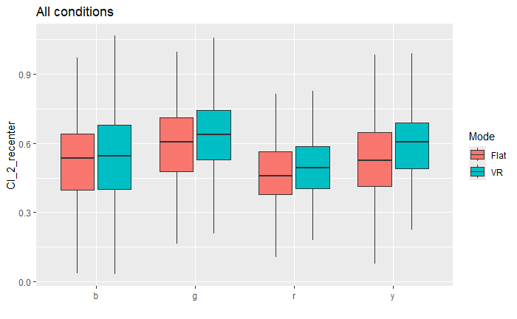
Mode:Lightness 0.002 2 0.2930 68 0.2607 0.7713
Illuminant:Lightness 0.028 6 1.0069 204 0.9451 0.4638
Mode:Illuminant:Lightness 0.146 6 1.0030 204 4.9480 9.460e-05 ***
---
Signif. codes: 0 ‘***’ 0.001 ‘**’ 0.01 ‘*’ 0.05 ‘.’ 0.1 ‘ ’ 1
Pairwise comparisons

emmeans(m1,list(pairwise~ Mode),adjust="none")

 | Mode
$`emmeans of Mode`
Mode emmean SE df lower.CL upper.CL
VR 0.569 0.01040 34 0.548 0.590 |  |  |  | <-mean of VR
Flat 0.527 0.00925 34 0.508 0.545 |  |  |  | <-mean of Flat

Results are averaged over the levels of: Illuminant
Confidence level used: 0.95

$`pairwise differences of Mode`
1 estimate SE df t.ratio p.value
VR - Flat 0.0443 0.00892 35 4.964 <.0001 |  |  |  | <-The diff between VR and Flat is significant (redundant with main effect of Mode above, since only 2 groups)

Results are averaged over the levels of: Illuminant

 | Illuminant
$`emmeans of Illuminant`
Illuminant emmean SE df lower.CL upper.CL
r 0.485 0.0123 34 0.460 0.510
g 0.620 0.0146 34 0.590 0.649
b 0.532 0.0189 34 0.494 0.571 |  |  |  | <-mean of red illuminant
y 0.554 0.0140 34 0.526 0.583 |  |  |  | <-mean of green
 |  |  |  | <-mean of blue
Results are averaged over the levels of: Mode |  |  |  | <-mean of yellow
Confidence level used: 0.95

$`pairwise differences of Illuminant` |  |  |  | g>y=b>r
1 estimate SE df t.ratio p.value
r - g -0.1346 0.0202 34 -6.673 <.0001
r - b -0.0472 0.0178 34 -2.652 0.0121
r - y -0.0693 0.0165 34 -4.190 0.0002
g - b 0.0874 0.0237 34 3.686 0.0008
g - y 0.0653 0.0156 34 4.177 0.0002
b - y -0.0221 0.0252 34 -0.878 0.3863 |  |  | <-only diff not significant is blue vs. yellow

Results are averaged over the levels of: Mode

Interaction is not significant, but means here can still be used for plotting
emmeans(m1,list(pairwise~ Mode|Illuminant),adjust="none")

 | Mode*Illuminant
$`emmeans of Mode | Illuminant`
Illuminant = r:
Mode emmean SE df lower.CL upper.CL
VR 0.496 0.0154 34 0.464 0.527 |  |  | <-mean of VR under red
Flat 0.475 0.0141 34 0.446 0.503 |  |  | <-mean of Flat under red

Illuminant = g:
Mode emmean SE df lower.CL upper.CL |  |  | etc...
VR 0.641 0.0173 34 0.606 0.677
Flat 0.598 0.0198 34 0.558 0.638

Illuminant = b:
Mode emmean SE df lower.CL upper.CL
VR 0.543 0.0264 34 0.490 0.597
Flat 0.521 0.0221 34 0.476 0.566

Illuminant = y:
Mode emmean SE df lower.CL upper.CL
VR 0.597 0.0167 34 0.563 0.631
Flat 0.512 0.0235 34 0.464 0.560

Confidence level used: 0.95

$`pairwise differences of Mode | Illuminant`
Illuminant = r:
2 estimate SE df t.ratio p.value
VR - Flat 0.0312 0.0189 35 1.644 0.1091 |  |  | <- | don't report these since Mode*Illluminant interaction wasn't significant

Illuminant = g:
2 estimate SE df t.ratio p.value
VR - Flat 0.0372 0.0232 35 1.605 0.1175 |  |  | <- | don't report these since Mode*Illluminant interaction wasn't significant

Illuminant = b:
2 estimate SE df t.ratio p.value
VR - Flat 0.0299 0.0307 35 0.974 0.3366 |  |  | <- | don't report these since Mode*Illluminant interaction wasn't significant

Illuminant = y:
2 estimate SE df t.ratio p.value
VR - Flat 0.0789 0.0293 35 2.694 0.0108 |  |  | <- | don't report these since Mode*Illluminant interaction wasn't significant

$`emmeans of Lightness`
Lightness emmean SE df lower.CL upper.CL
L40 0.561 0.00842 34 0.544 0.578
L55 0.554 0.00985 34 0.534 0.574
L70 0.528 0.01030 34 0.508 0.549

Results are averaged over the levels of: Illuminant, Mode
Confidence level used: 0.95

$`pairwise differences of Lightness`
1 estimate SE df t.ratio p.value
L40 - L55 0.00728 0.00622 34 1.171 0.2496
L40 - L70 0.03275 0.00777 34 4.217 0.0002 |  | L40 = L55 > L70
L55 - L70 0.02547 0.00554 34 4.599 0.0001

$`emmeans of Mode | Lightness`
Lightness = L40:
Mode emmean SE df lower.CL upper.CL
VR 0.585 0.01020 34 0.564 0.606
Flat 0.538 0.00955 34 0.518 0.557

Lightness = L55:
Mode emmean SE df lower.CL upper.CL
VR 0.574 0.01270 34 0.548 0.600
Flat 0.534 0.01090 34 0.512 0.556

Lightness = L70:
Mode emmean SE df lower.CL upper.CL
VR 0.549 0.01100 34 0.527 0.572
Flat 0.508 0.01150 34 0.484 0.531

