Overview
Mahesh Foundation Medical Device System — Database Schema
MySQL · utf8mb4 · all PKs are CHAR(36) UUID

Table | Group | Primary Key | Key Foreign Keys | Description
centers | Master | id (UUID) | — | Service locations
users | Master | id (UUID) | center_id → centers | Staff with role-based access
otp_sessions | Auth | id (UUID) | — | No API endpoint yet
skus | Catalogue | id (UUID) | — | Device type definitions
assets | Inventory | id (UUID) | sku_id → skus, center_id → centers | Serial-tracked physical units
lease_requests | Lease | id (UUID) | preferred_center_id, approved_by | Patient application header
lease_items | Lease | id (UUID) | lease_request_id, sku_id, asset_id | Bridge: intent + fulfilment
asset_transfers | Ops | id (UUID) | asset_id, from/to_center_id | Inter-center movement
repairs | Ops | id (UUID) | asset_id, reported_by | No API endpoint yet
notifications_log | Ops | id (UUID) | — | No API endpoint yet
audit_log | System | id (UUID) | user_id → users, center_id → centers | Immutable activity ledger
Scroll to find an ERD below.
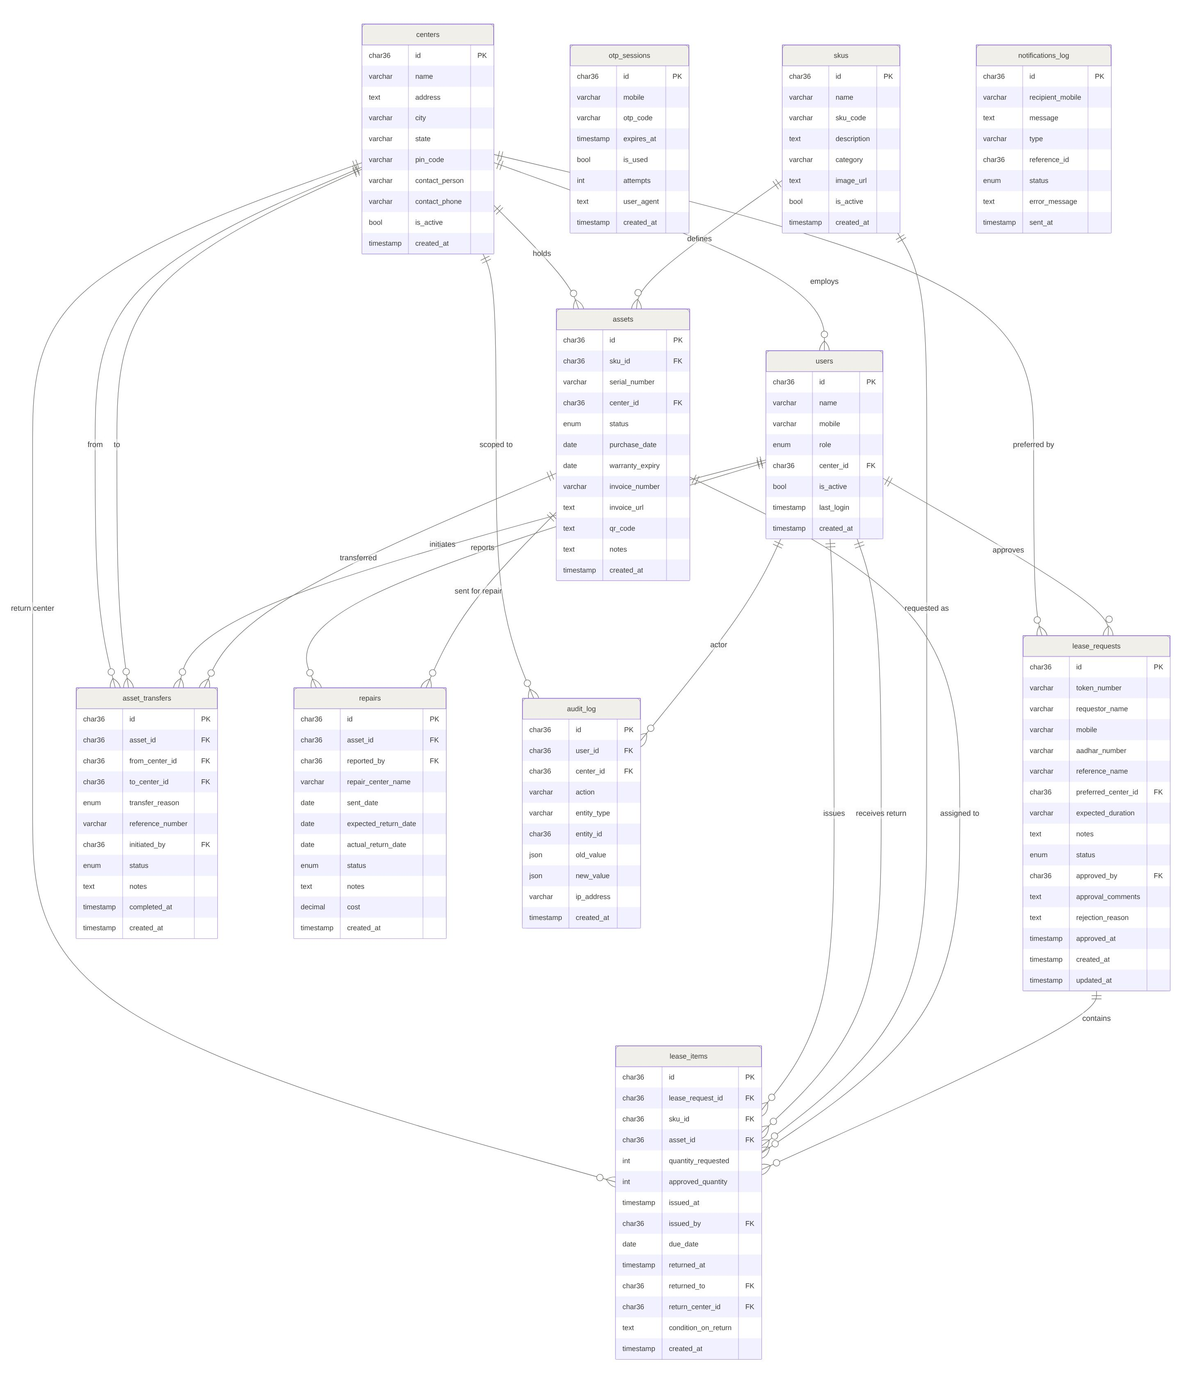
VIEW: sku_stock_by_center — SELECT sku_id, center_id, COUNT(*) AS available_count FROM assets WHERE status='available' GROUP BY sku_id, center_id

