Sheet1
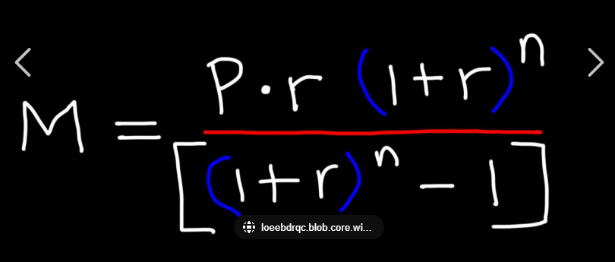
 | Price | 250000 |  | Rate: | 8% |  | Price | 280000 |  | Rate: | 3.875
 | Paid | 80000 |  |  |  |  | Paid
 | Principal | 170000 |  |  |  |  | Principal
 | Time | 30 | Years |  |  |  | Time |  | Years
 | Time | 360 | Months |  |  |  | Time |  | Months
 | Rate® | 0.0066666666667 | Per Mon |  |  |  | Rate® |  | Per Mon

 | PMT: | 1247.3997756 | Per mon |  |  |  | PMT: |  | Per mon
 | Value | 449063.91921 |  |  |  |  | Value
Paying In excess: |  | 279063.91921 |  |  |  | Paying In excess:
 |  | 1247.3997756 | monthly |  |  |  |  |  | monthly
 | Insurance | 120 |  |  |  |  | Insurance
Maintenance: |  | 200 |  |  |  | Maintenance:
 | Tax: | 250 |  |  |  |  | Tax:
 |  | 1817.3997756 | Monthly |  |  |  |  |  | Monthly
 |  | 908.6998878 | per person |  |  |  |  |  | per person
so you are obtaining: |  | 236.11111111 | per month in equity |  |  | so you are obtaining: |  |  | per month in equity
 | And: | 672.58877669 | In premium. |  |  |  | And: |  | In premium.

 | so essentially you are gaining equity, and you are paying a pretty good rent rate. This is a good decision |  |  |  |  |  | so essentially you are gaining equity, and you are paying a pretty good rent rate. This is a good decision

