Model
In Ks |  |  |  |  |  | (CF 3M ended)
 | 21 | 22 | 23 | 24 | Q125 | Q325
Revenue | N/A | N/A | 10089 | 4911 | N/A | N/A
R/D | 30698 | 35198 | 49432 | 46418 | 10837 | 5011
G/A | 11368 | 12085 | 12650 | 14644 | 3655 | 3218
OpEx. | 42066 | 47283 | 62082 | 61062 | 14492 | 8229
OpInc. | -42066 | -47283 | -51993 | -56151 | -14492 | -8229
Interest | -226 | 1103 | 4074 | 3115 | 451 | 17
Net Inc. | -42292 | -46180 | -47919 | -53036 | -14041 | -8212

Net Inc. | -42292 | -46180 | -47919 | -53036 | -14041 | -24320
Sb Comp | 3958 | 3631 | 4622 | 5348 | 544 | 882
D&A | 68 | 74 | 70 | 46 | 6 | 16
Prepaid | 415 | -817 | -2636 | 391 | 492 | 1606
AccrExp | 2304 | 3587 | 6255 | -2271 | 140 | -4310
other | -330 | -1978 | 6333 | -6442 | 132 | -745
CFFO | -35877 | -41683 | -33275 | -55964 | -12727 | -26871

Cash |  |  |  |  |  | 10669
Prepaid |  |  |  |  |  | 932
Other |  |  |  |  |  | 3712
Total as. |  |  |  |  |  | 15313

A/P |  |  |  |  |  | 1386
Other curr |  |  |  |  |  | 7502
Term loan |  |  |  |  |  | 539
Lease |  |  |  |  |  | 500
net debt |  |  |  |  |  | 9927

S/E |  |  |  |  |  | 5386

 |  |  |  |  |  |  |  | 2025 | 2026 | 2027 | 2028 | 2029 | 2030 | 2031 | 2032 | 2033 | 2034 | 2035
 |  |  |  | prevalence | Expected Patients | Market % | Patients | 370 | 371 | 372 | 373 | 374 | 375 | 376 | 377 | 378 | 379 | 380
 |  |  | MPS IIIB: | 3.5087719298E-06 | 370 | 33.33 | Price | 1.2 | 1.2 | 1.2 | 1.2 | 1.2 | 1.2 | 1.2 | 1.2 | 1.2 | 1.2 | 1.2
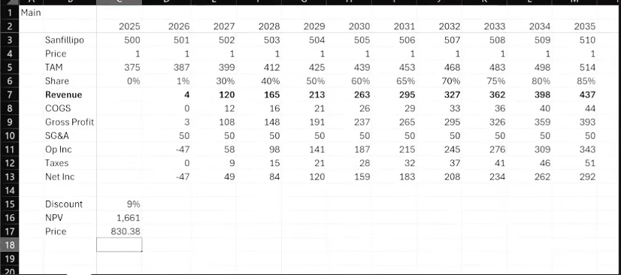
 |  |  |  |  |  |  | TAM | 0 | 3.71 | 111.6 | 130.55 | 149.6 | 168.75 | 188 | 207.35 | 226.8 | 227.4 | 228
 |  |  |  |  |  |  | Share | 0 | 1% | 30% | 35% | 40% | 45% | 50% | 55% | 60% | 60% | 60%
 |  |  |  |  |  |  | Revenue | 0 | 4.452 | 133.92 | 156.66 | 179.52 | 202.5 | 225.6 | 248.82 | 272.16 | 272.88 | 273.6
 |  |  |  |  |  |  | COGS | N/A | 0 | 12 | 16 | 21 | 26 | 29 | 34 | 36 | 40 | 40
 |  |  |  |  |  |  | Gross | N/A | 4.452 | 121.92 | 140.66 | 158.52 | 176.5 | 196.6 | 214.82 | 236.16 | 232.88 | 233.6
 |  |  |  |  |  |  | Ops | N/A | 65 | 65 | 65 | 65 | 65 | 65 | 65 | 65 | 65 | 65
 |  |  |  |  |  |  | Tax | N/A | 0 | 16.0704 | 18.7992 | 21.5424 | 24.3 | 27.072 | 29.8584 | 32.6592 | 32.7456 | 32.832
 |  |  |  |  |  |  | Net Inc. | N/A | -60.548 | 40.8496 | 56.8608 | 71.9776 | 87.2 | 104.528 | 119.9616 | 138.5008 | 135.1344 | 135.768

 |  |  |  |  |  |  | Discount | 8%
 |  |  |  |  |  |  | NPV | $477.53
 |  |  |  |  |  |  | S/O | 1070370
 |  |  |  |  |  |  | Per Share: | $446.14

