Summary
Jev SEO audit: themomentsandmemories.co.uk
Audited 2026-10-13T13:23:45+00:00 · 8 URLs crawled · 6 HTML pages · Jev not used
Score by area
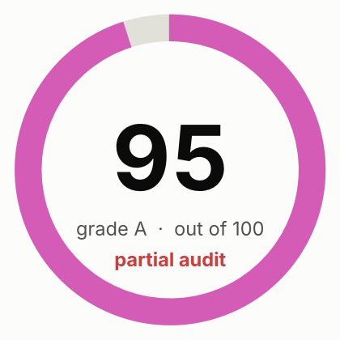
Overall score | 95
Grade | A (partial audit)
Jev cost (USD) | $0.0000
DataForSEO cost (USD) | not used

Area | Score | Weight | How it is scored
Crawl and indexing | 91 | 20 | Rules only
On-page | 88 | 15 | Rules only
Content quality |  | 20 | Not assessed: Jev judgments unavailable
Links and architecture | 100 | 10 | Rules only
Structured data and sharing | 98 | 8 | Rules only
AI search readiness | 100 | 12 | Rules only: Jev judgments unavailable; editorial heuristics, since Google states no special optimization is required for AI features
Performance | 100 | 10 | Crawl observations only: PageSpeed Insights unavailable
Security and trust | 94 | 5 | Rules only
Search visibility and authority |  | 15 | Not assessed: run with --full (DataForSEO)
Action status
Live status counts (from the Actions sheet)
to_do
in_progress
done
deferred
not_applicable

Open actions by priority
P1
P2
P3
Total actions

Charts
