About
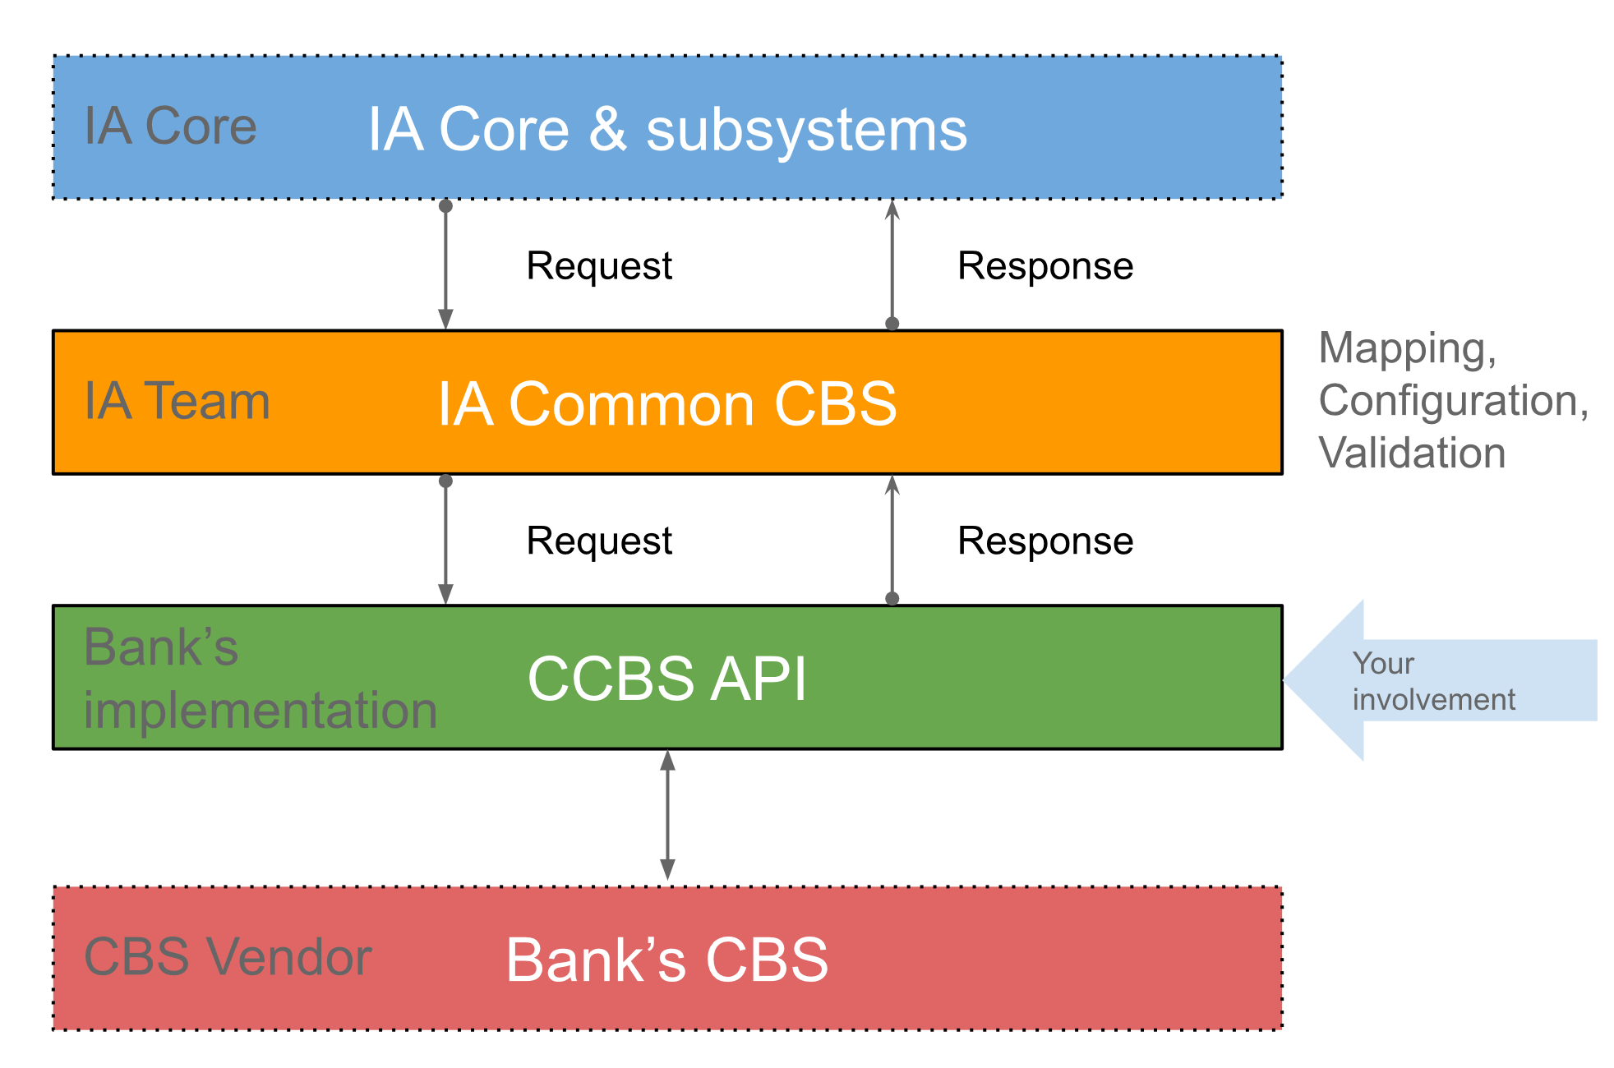
 | Description
Group | Common CBS / Bank's side

Version | G4.23.6.0
Last Update | 22 June 2023

Type(s) | Directory of CCBS Calls

Info | Common Core Banking Interface - Bank's side API

