Sheet1
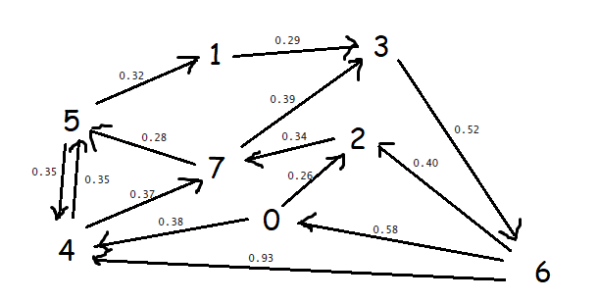

step | MinPQ | DistTo[] | EdgeTo[] | Comments
1 | {0} | distTo[4] = 0.38 | edgeTo[4] = 0 -> 4
 |  | distTo[2] = 0.26 | edgeTo[2] = 0 ->2
2 | {2,4} | distTo[7] = 0.60 | edgeTo[7] = 2->7
3 | {4,7} | distTo[5] = 0.73 | edgeTo[5] = 4->5 | 4->7 ineligible
4 | {7,5} | distTo[3] = 0.99 | edgeTo[5] = 7->3 | 7->5 ineligible
5 | {5,3} | distTo[1] = 1.03 | edgeTo[1] = 5 -> 1 | 5->4 ineligible
6 | {3,1} | distTo[6] = 1.51 | edgeTo[6] = 3->6 | 3->6 ineligible
7 | {1,6} | - |  | 1->3 ineligible
8 | {6} | - |  | 6->3, 6->0, 6->4 are ineligible

