Schedule
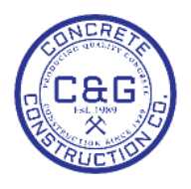
C&G CONCRETE CONSTRUCTION CO., INC. |  | Schedule
1445 Willingham Dr | Office: 404-684-5963
East Point, Ga. 30344 | Fax: 404-684-5201
cag@cagconcrete.com | bids@cagconcrete.com

