Employees Report
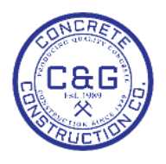
C&G CONCRETE CONSTRUCTION CO., INC. |  | Employees Report
1445 Willingham Dr | Office: 404-684-5963
East Point, Ga. 30344 | Fax: 404-684-5201
data_t@cagconcrete.net | data_t@cagconcrete.net

