Employees Report
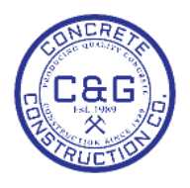
C&G CONCRETE CONSTRUCTION CO., INC. |  | Employees Report
1256 Willingham Dr | Office: 404-684-8956
Point, Ga. 32569 | Fax: 404-684-1256
data_t@cagconcrete.net | data_t@cagconcrete.net

