Subcontractors Report
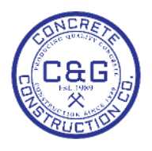
 | C&G CONCRETE CONSTRUCTION CO., INC. |  | Subcontractors Report
 | 2589 Willingham Dr | Office: 404-684-1236
 | Point, Ga. 5689 | Fax: 404-456-5890
 | data_t@cagconcrete.net | data_t@cagconcrete.net

DATE | SUBCONTRACTOR | PROJECT | ITEM | UNIT | QUANTITY | PRICE | TOTAL

