Subcontractors Report
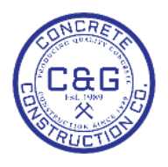
 | C&G CONCRETE CONSTRUCTION CO., INC. |  | Subcontractors Report
 | 1445 Willingham Dr | Office: 404-684-5963
 | East Point, Ga. 30344 | Fax: 404-684-5201
 | cag@cagconcrete.com | bids@cagconcrete.com

DATE | SUBCONTRACTOR | PROJECT | ITEM | UNIT | QUANTITY | PRICE | TOTAL

