Dashboard
Online Retail — Customer & Sales Intelligence

TOTAL REVENUE | TOTAL ORDERS |  | UNIQUE CUSTOMERS
 |  |  | 5,878

AVG ORDER VALUE | REPEAT PURCHASE RATE |  | BUSIEST DAY / HOUR
 | 72.4% |  | Thursday, 12:00

Monthly Revenue Trend

New vs Returning Customer Revenue |  | Customer Segments (RFM)
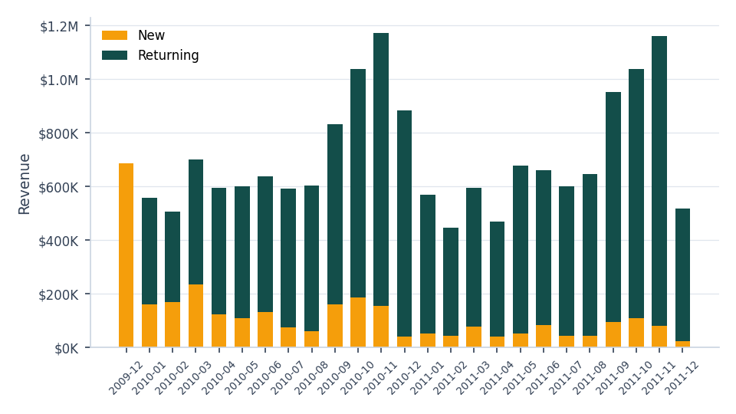
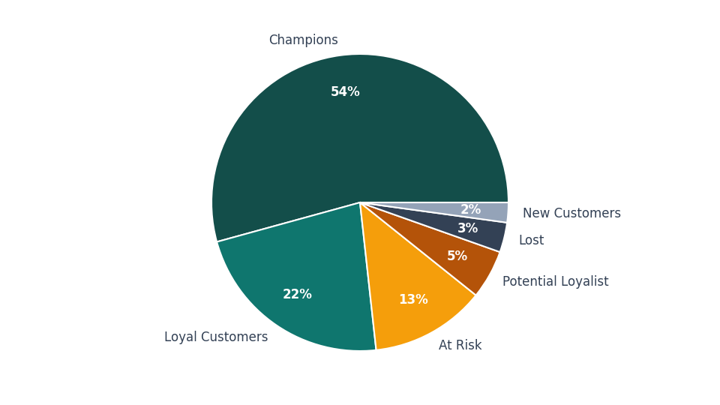

Revenue by Country (Top 8) |  | Top 10 Products by Revenue
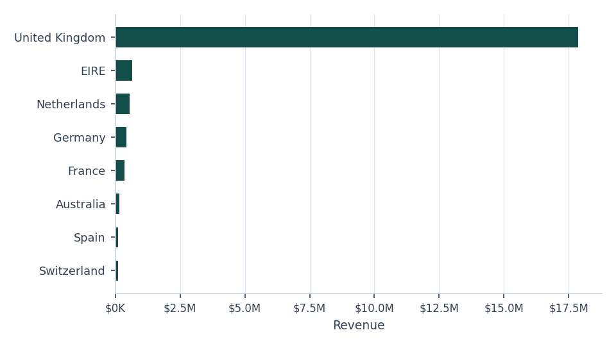
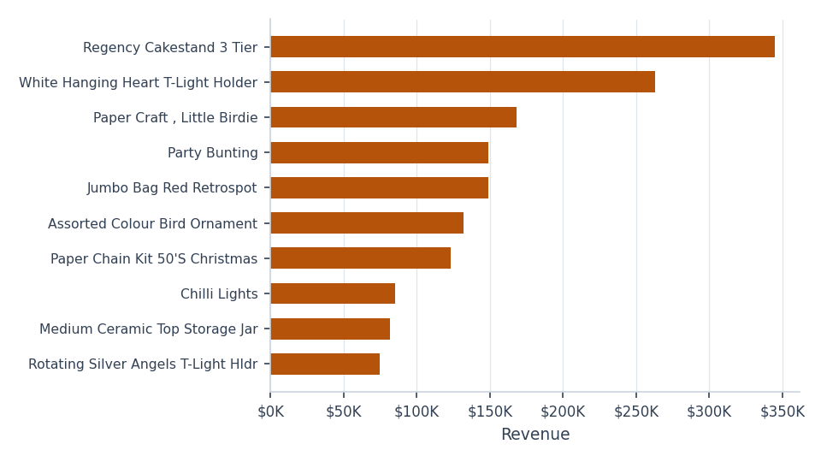

Full breakdowns and methodology: see Monthly Trend, RFM Segments, Day-Hour Heatmap, Top Products, Top Countries, Top Customers, and Notes tabs.

